Transient Test Results
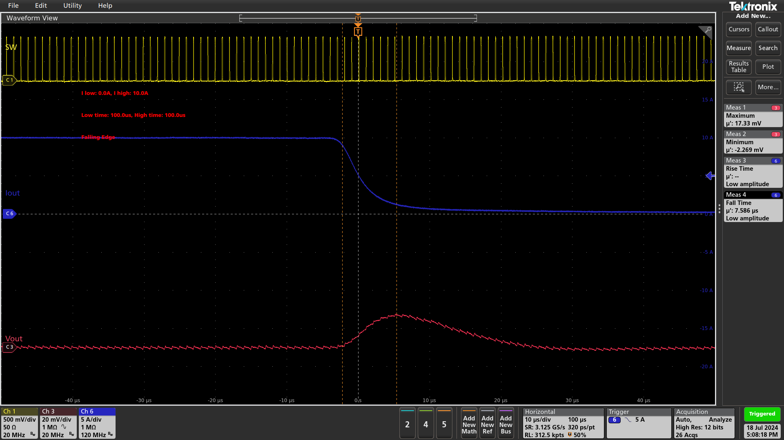
Transient Test Results

Test Date: 2024-07-18 16:06:59
IC: TDA48820A

Test Settings
Input Voltage: 12.0 V
Input Current Limit: 3.0 A
Low Load Current: 0.0 A
High Load Current: 10.0 A
Low Time: 100.0 µs
High Time: 100.0 µs
Overshoot Limit: 5.0%
Undershoot Limit: 5.0%

Test Results
Rise Time: 8.24 µs
Fall Time: 7.88 µs
Overshoot: 17.925 V (1.80%)
Undershoot: 18.795 V (1.99%)

Full Cycle

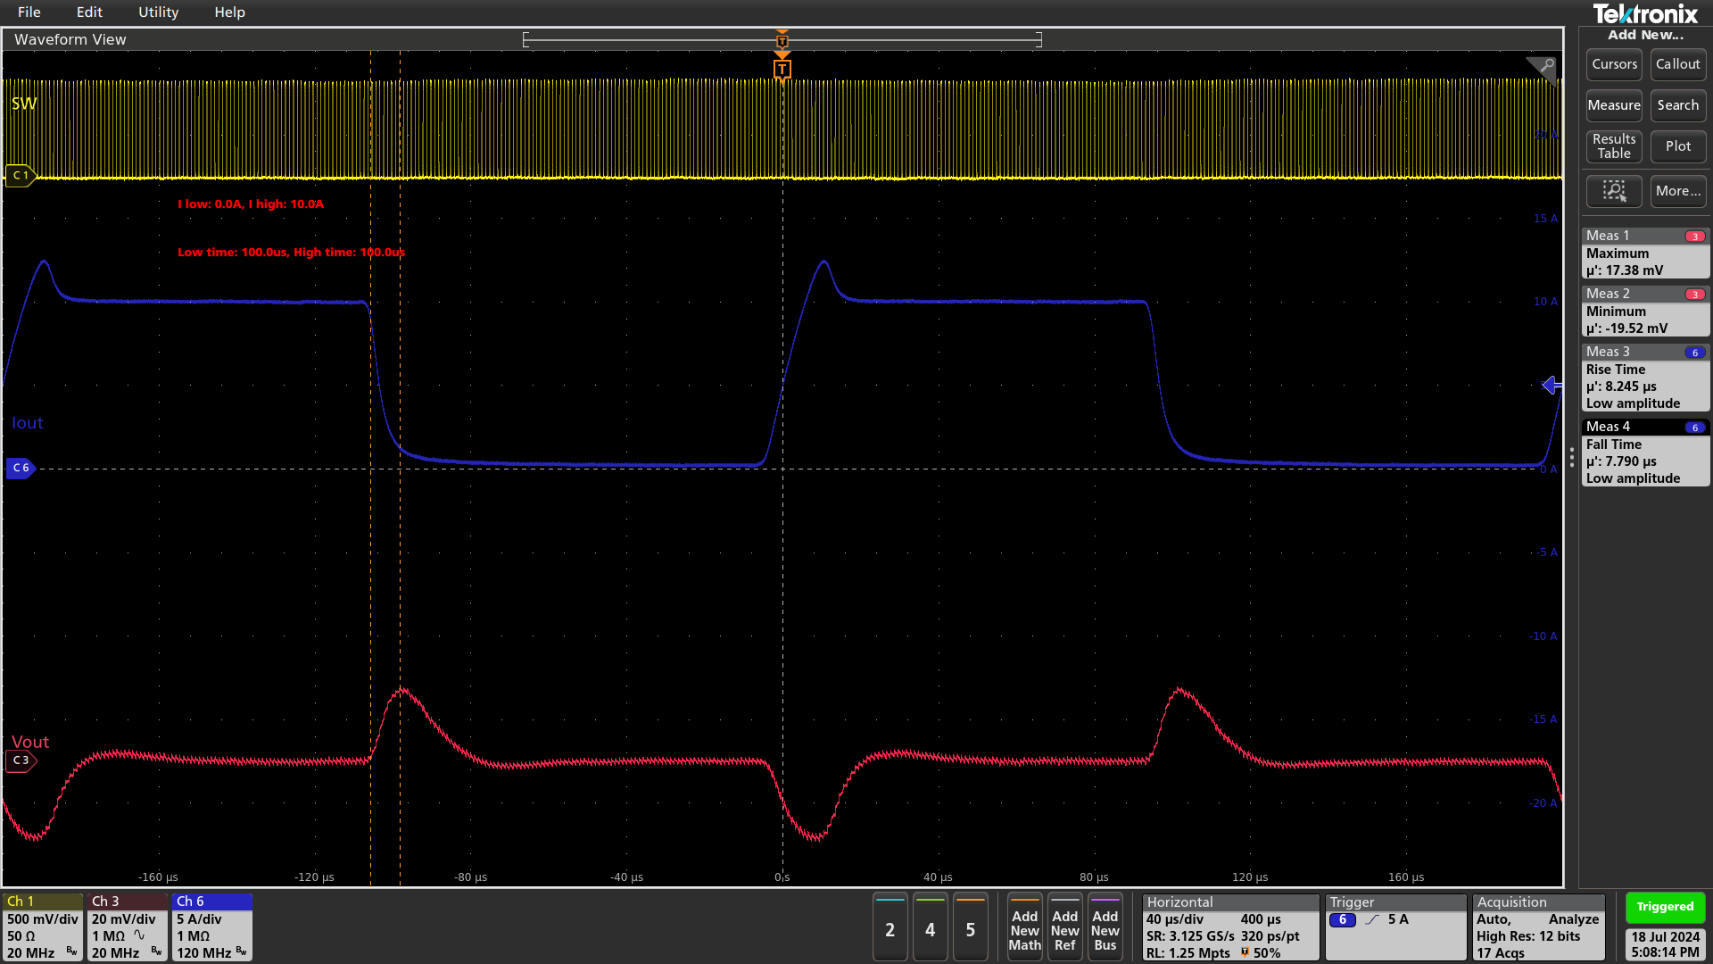

Rising Edge

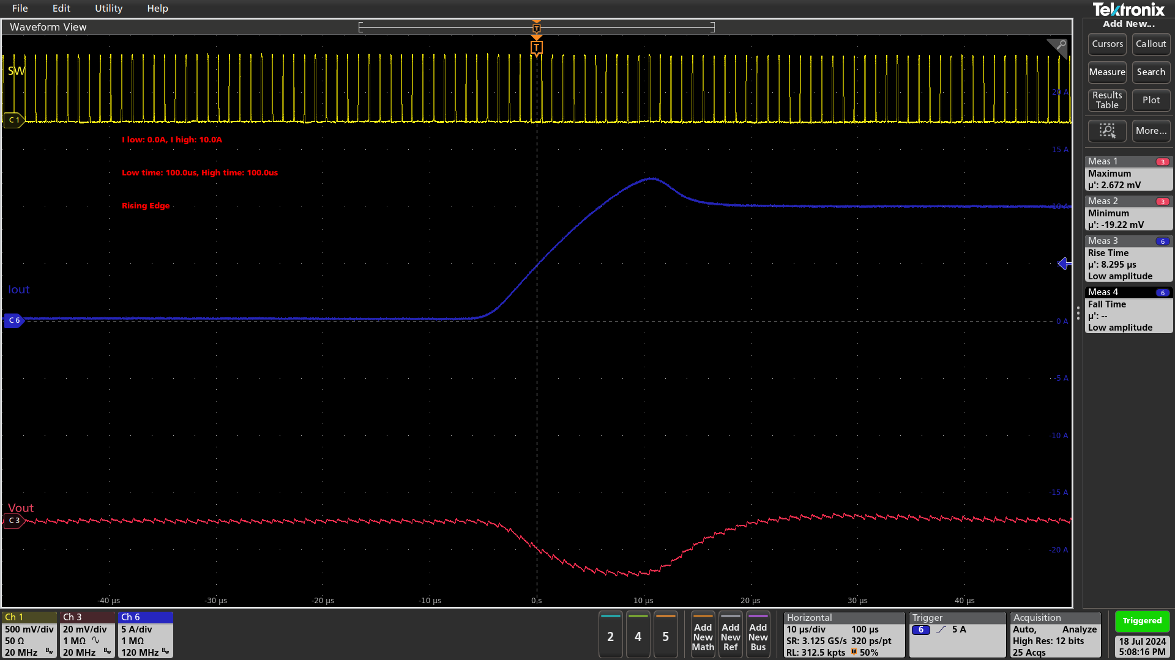

Falling Edge

