Soundscape Categories Explainat
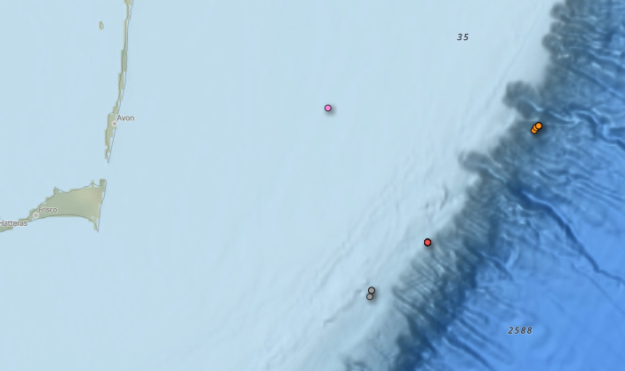
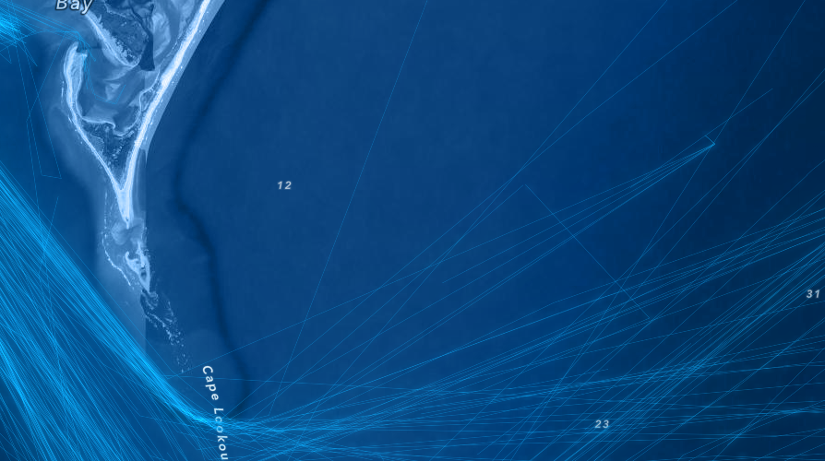
Oceanographic setting what is the seafloor topography of the location? use surrounding bathymetry to help identify |  |  |  | 2024-06-01
Category | Description | Image- https://www.ncei.noaa.gov/maps/passive-acoustic-data/ | Oceanographic setting | Image - https://livingatlas.arcgis.com/vessel-traffic/#@=-108,40,4&time=202406&sublayer=Cargo
reef | surrounding bathymetry created by reef building organisms |  | shelf and slope examples |  | fishing vessels
shelf | surrounding bathymetry is the contintental shelf, bottom type can be rocky, sandy, or silty
slope | surrounding bathymetry is the contintental slope, exposed to the open ocean
canyon | surrounding bathymetry includes canyon walls
offshore | off contintentnal shelf and slope, includes seamounts and offshore banks
other

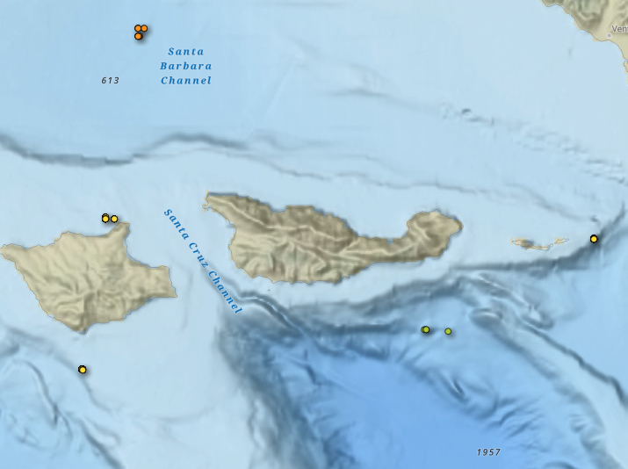
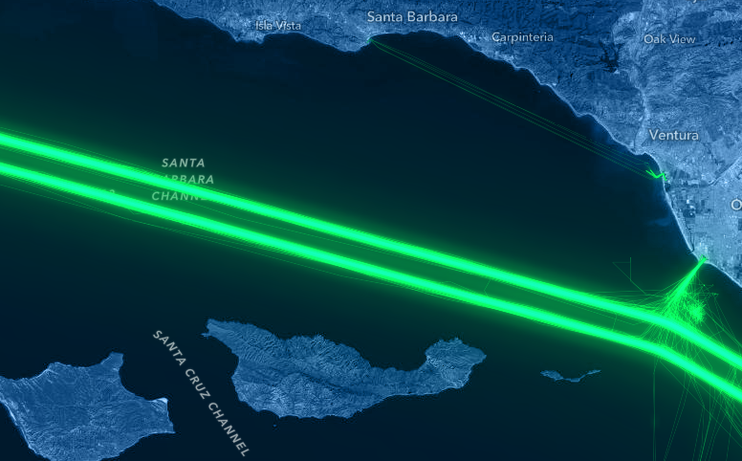
Biological setting what types of biological sound sources are frequently* present? * found to be present more than ~15% of the year based on some type of analysis (visual, acoustic, etc)
humpback whales | only check if they are dominant sound present in the soundscape and tracked |  | canyon, shelf, slope examples
multiple baleen whales |  |  |  |  | cargo vessels
fish
snapping shrimp
odontocetes
not evaluated | all sites are likely not evaluated for some sounds, if truely unknown
other | another biological sound known to be present e.g. pinnipeds

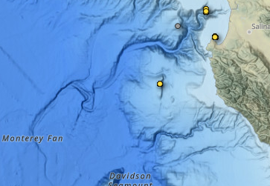
Vessel Traffic what type(s) of vessel traffic are nearby*? * within 10 km and present more than 20% of year can we do a simple AIS analysis for 1 year to establish this category?
commercial shipping | either within a designated lane, lane within in 10 km, or regular traffic route
commercial fishing | within a known designated fishing ground (seasonal or otherwise)
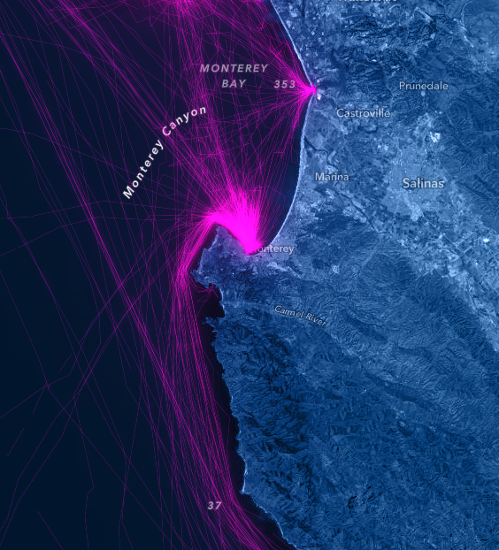
recreation | whale watching, dive/snorkel tours, cruise ships, fishing, etc |  | offshore, canyon, shelf examples |  | recreation/pleasure
offshore development | oil rigs, offshore wind facilities
minimal vessel traffic
not evaluated | not evaluated

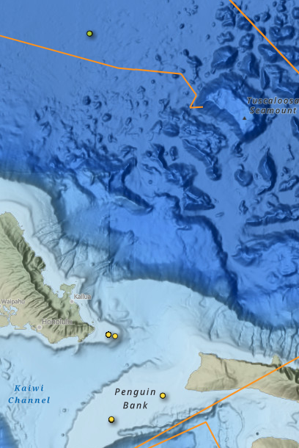
Seasonality What is the best way to divide the year based on physical environment (SST, wind, etc)?
winter, spring, summer, fall | Jan–Mar - winter Apr–Jun - spring Jul–Sep - summer Oct–Dec - fall
upwelling | March–June - Upwelling July–November - Post-Upwelling December–February - Winter |  | reef, offshore examples
wind | includes sites with hurricane season
no seasonality | conditions are fairly constant year round
other | if site does not fit in above categories

Acoustic enviroment
coastal-shallow | <25 nm from shore; <200 m
coastal-deep | <25 nm from shore; >200 m
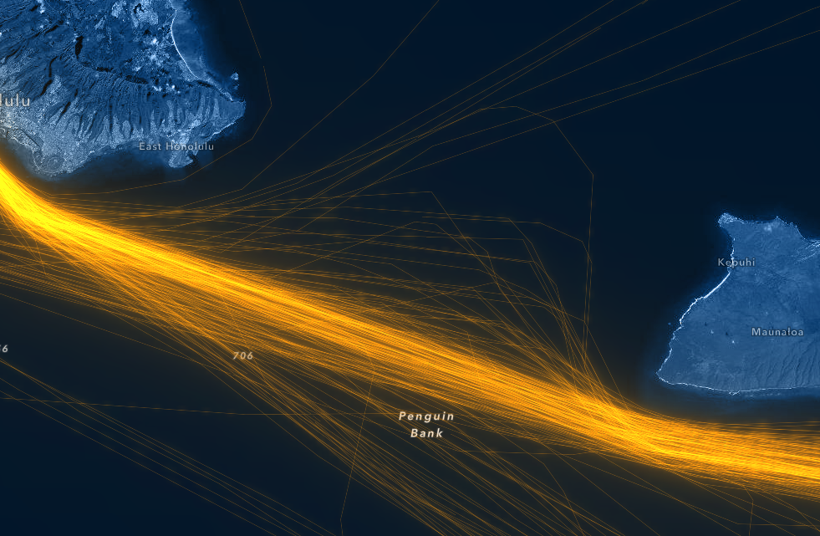
offshore-deep | >25 nm from shore; >200 m |  |  |  | Commercial- tow
offshore-shallow | >25 nm from shore; <200 m

