Precast material
 |  |  |  |  |  |  |  |  |  |  |  |  | Extra data
Specification |  | Filter condition(s) - targets of the check |  |  |  | Check Condition(s) - what to check |  |  |  |  |  | Resulting specification | FilterCondition | CheckCOndition
Specification Name | Description | Filtering property name | Value | Description | Condition | PropertyName | Value | Min | Max | Unit | Check condition |  |  | ValueCondition | Domain | DomainCondition
Beam zone - Room | Maximum dimensions of "Beam" objects in "Room" locations | ConstructionTechnique | Precast | ConstructionTechnique equal to Precast | ValueCondition [FkrMao5d] | Property.Profile.Height |  | 300 | 600 | MM | DomainCondition [Dx2j9DWk] | Specification [Nqgqm2x/] |  | ValueCondition [IM70wn9F] | Domain [oO4VDzZB] | DomainCondition [OHrhNyVO]
 |  | Object Type | BH.oM.Physical.Elements.Beam [wOx3HNlW] | must be of type `Beam` | TypeCondition [wRCuZIdj] | Property.Profile.Width |  | 400 | 1000 | mm | DomainCondition [c5YG9l9Q]
 |  | Location | Room | Location equal to Room | ValueCondition [ifTZwToz] |  |  |  |  |  |  |  |  | ValueCondition [Dhk8vrk2] | Domain [xtPaoAYr] | DomainCondition [2iNjxWWK]
Beam zone - Corridor | Maximum dimensions of "Beam" objects in "Corridor" locations | ConstructionTechnique | Precast | ConstructionTechnique equal to Precast | ValueCondition [9mhmWM/i] | Property.Profile.Height |  | 300 |  | mm | DomainCondition [OHrhNyVO] | Specification [GTwPHROk] |  | ValueCondition [UmQ2RSP9] | ExcelErrorNull | ExcelErrorNull
 |  | Object Type | BH.oM.Physical.Elements.Beam [XoZ67zPP] | must be of type `Beam` | TypeCondition [P3gu3KkQ] | Property.Profile.Width |  | 200 | 400 | mm | DomainCondition [2iNjxWWK]
 |  | Location | Corridor | Location equal to Corridor | ValueCondition [xVdU/dIW] |  |  |  |  |  |  |  |  | ValueCondition [fIloj68p] | Domain [KIuvaC5t] | DomainCondition [Dx2j9DWk]
Maximum total depth | Maximum depth of "Beam" objects in any location | ConstructionTechnique | Precast | ConstructionTechnique equal to Precast | ValueCondition [NTwoXqdW] | Property.Profile.Height |  |  | 850 | mm | DomainCondition [OBol56l+] | Specification [hWScfnaq] |  | ValueCondition [6loCtroe] | Domain [G87hHbzI] | DomainCondition [c5YG9l9Q]
 |  | Object Type | BH.oM.Physical.Elements.Beam [Sz4tbu/4] | must be of type `Beam` | TypeCondition [DT7+86yJ]
Maximum depth - room | Maximum depth of "Beam" objects in "Room" locations | ConstructionTechnique | Precast | ConstructionTechnique equal to Precast | ValueCondition [moqKMCXe] | Property.Profile.Height |  |  | 200 | mm | DomainCondition [LzCbN0Mx] | Specification [fBLOQKUY]
 |  | Object Type | BH.oM.Physical.Elements.Beam [H8FzBTqq] | must be of type `Beam` | TypeCondition [FFjS/4KH] |  |  |  |  |  |  |  |  | ValueCondition [zJ66f4Jy] | Domain [2HsVluim] | DomainCondition [OBol56l+]
 |  | Location | Room | Location equal to Room | ValueCondition [J45Ywn0n] |  |  |  |  |  |  |  |  | ValueCondition [d5ench5K] | ExcelErrorNull | ExcelErrorNull
Maximum depth - corridor | Maximum depth of "Beam" objects in "corridor" locations | ConstructionTechnique | Precast | ConstructionTechnique equal to Precast | ValueCondition [wmA7vZnD] | Property.Profile.Height |  |  |  |  |  | Specification [IEh5SCRg]
 |  | Object Type | BH.oM.Physical.Elements.Beam [kQep2953] | must be of type `Beam` | TypeCondition [htnTCAu3] |  |  |  | 550 | mm | DomainCondition [s12PLG6a] |  |  | ValueCondition [WQAvHf65] | ExcelErrorNull | ExcelErrorNull
 |  | Location | Corridor | Location equal to Corridor | ValueCondition [VP1rENBk] |  |  |  |  |  |  |  |  | ValueCondition [4UIOveWS] | Domain [NQ4Ys3t6] | DomainCondition [s12PLG6a]
 |  |  |  |  |  |  |  |  |  |  |  |  |  | ValueCondition [63q0X82P] | Domain [jAAKBd3Z] | DomainCondition [8VXFHFRa]
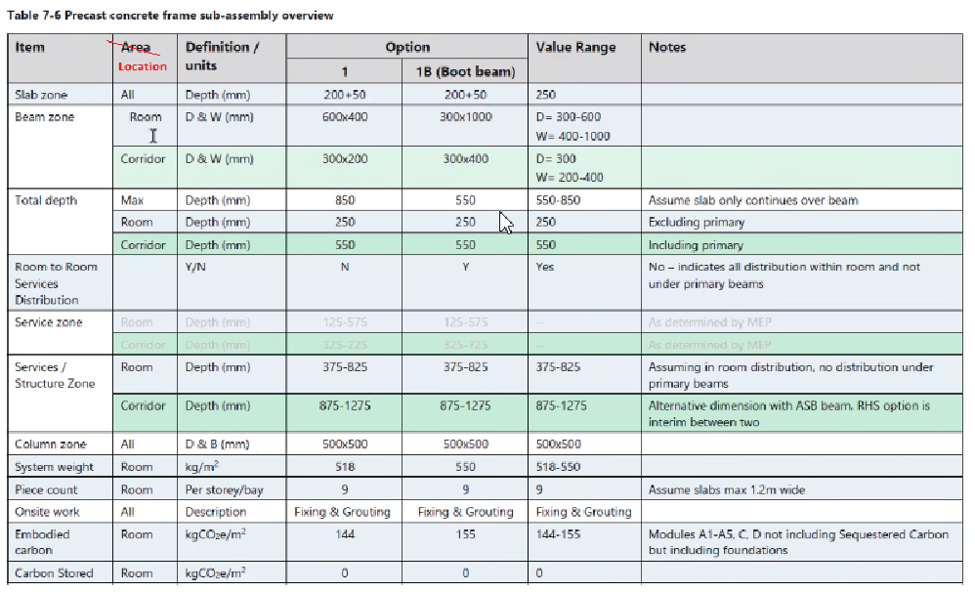
 |  |  |  |  |  |  |  |  |  |  |  |  |  | ValueCondition [HxEQ5xXC] | ExcelErrorNull | ExcelErrorNull
 |  |  |  |  |  |  |  |  |  |  |  |  |  | ValueCondition [YDEtJpIM] | Domain [wiRDu40l] | DomainCondition [LzCbN0Mx]
 |  |  |  |  |  |  |  |  |  |  |  |  |  | ValueCondition [uDXOWBdd] | Domain [ncxypaAx] | DomainCondition [HoASZO2t]
 |  |  |  |  |  |  |  |  |  |  |  |  |  | ValueCondition [+kaJja5s] | ExcelErrorNull | ExcelErrorNull
 |  |  |  |  |  |  |  |  |  |  |  |  |  | ValueCondition [t/PPcfIE] | ExcelErrorNull | ExcelErrorNull
 |  |  |  |  |  |  |  |  |  |  |  |  |  | ValueCondition [NrGsnyMX] | ExcelErrorNull | ExcelErrorNull
 |  |  |  |  |  |  |  |  |  |  |  |  |  | ValueCondition [QKQ87lwx] | ExcelErrorNull | ExcelErrorNull
 |  |  |  |  |  |  |  |  |  |  |  |  |  | ValueCondition [HvUqzQ3z] | ExcelErrorNull | ExcelErrorNull
 |  |  |  |  |  |  |  |  |  |  |  |  |  | ValueCondition [xg3rTWlb] | ExcelErrorNull | ExcelErrorNull
 |  |  |  |  |  |  |  |  |  |  |  |  |  | ValueCondition [skqOgVXb] | ExcelErrorNull | ExcelErrorNull
 |  |  |  |  |  |  |  |  |  |  |  |  |  | ValueCondition [BVYtHFOL] | ExcelErrorNull | ExcelErrorNull
 |  |  |  |  |  |  |  |  |  |  |  |  |  | ValueCondition [7Pi8IJG+] | ExcelErrorNull | ExcelErrorNull
 |  |  |  |  |  |  |  |  |  |  |  |  |  | ValueCondition [+DCoDH0p] | ExcelErrorNull | ExcelErrorNull
 |  |  |  |  |  |  |  |  |  |  |  |  |  | ValueCondition [wtCOr+1S] | Domain [PHVmjyAr] | DomainCondition [JhLTNA/6]
 |  |  |  |  |  |  |  |  |  |  |  |  |  | ValueCondition [Y5/Fddr7] | Domain [GMIjqZY5] | DomainCondition [YDOgEu5c]
 |  |  |  |  |  |  |  |  |  |  |  |  |  | ValueCondition [nKARkLLL] | Domain [cPr987Ba] | DomainCondition [+XaQdqcq]
 |  |  |  |  |  |  |  |  |  |  |  |  |  | ValueCondition [ky5n1r2M] | Domain [SqV4hG9R] | DomainCondition [cOI2tIij]
 |  |  |  |  |  |  |  |  |  |  |  |  |  | ValueCondition [1WI/I0aM] | Domain [5o+try4v] | DomainCondition [JLcV8jL0]
 |  |  |  |  |  |  |  |  |  |  |  |  |  | ValueCondition [4nnAhUk4] | Domain [Z0JuNMR/] | DomainCondition [Q1dg5SVq]
 |  |  |  |  |  |  |  |  |  |  |  |  |  | ValueCondition [8FnUhKxn] | Domain [CtBDzgds] | DomainCondition [fbpkm+2C]
 |  |  |  |  |  |  |  |  |  |  |  |  |  | ValueCondition [SR+AiwPV] | Domain [Nfz8Z9Do] | DomainCondition [Kky9WN2w]
 |  |  |  |  |  |  |  |  |  |  |  |  |  | ValueCondition [uVpPBwEx] | Domain [+dM3ee+L] | DomainCondition [QaDOx9em]
 |  |  |  |  |  |  |  |  |  |  |  |  |  | ValueCondition [rJx4Al54] | Domain [RGmsLMh1] | DomainCondition [+4K2IHnL]
 |  |  |  |  |  |  |  |  |  |  |  |  |  | ValueCondition [Lv5HKEQX] | Domain [teCQvAmy] | DomainCondition [bWT51DRL]
 |  |  |  |  |  |  |  |  |  |  |  |  |  | ValueCondition [V0cn6lJ0] | Domain [kSWlpCyX] | DomainCondition [mkZKGkhr]

