Sheet1
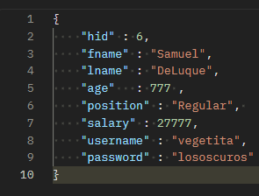
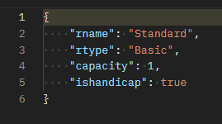
Team Name: | Json to access local statistics: | Json to access global statistics: | Json to create login: | Json to create employee: | Json to create hotel: | Json to create chains: | Json to create roomdescription: | Json to create room: | Json to create roomunavailable: | Json to create client: | Json to create reserve:
DB Beasts | { "eid": 3 } | { "eid": 3 } | { "eid" : 202, "username" : "reghste", "password" : "Trivago" } | { "hid" : 6, "fname" : "Samuel", "lname" : "DeLuque", "age" : 777 , "position" : "Regular", "salary" : 27777, "username" : "vegetita", "password" : "lososcuros" } | { "chid": 5, "hname": "Prueba", "hcity": "Prueba" } | { "cname": "Prueba1", "fallmkup": 3, "springmkup": 1, "summermkup": 2, "wintermkup": 4 } | { "rname": "Standard", "rtype": "Basic", "capacity": 1, "ishandicap": true } | { "hid": 40, "rdid": 62, "rprice": 277 } | { "eid": 81, "rid": 232, "startdate": "2023-11-05", "enddate": "2023-11-13" } | { "fname": "Tester", "lname": "test", "age": 999, "memberyear": 15 } | { "eid": 92, "rid" : 233, "guests" : 1, "startdate" : "2023-12-19", "enddate": "2023-12-20", "clid" : 1, "payment" :"test" }

