Sample Estimation
 | The following points were considered before estimating the efforts involved:
1 | All the screens were considered as medium complex with fields ranging from 3 to 25 and having very few inter dependant fields.
2 | UI validation: None of the screen has any complex validations.
3 | As per the client, the model will be database.
5 | All the transactions are limited to one page.
6 | Total estimated hours for any flow can be break down as: Design - 10% Development - 70% Unit Testing - 20%
Example | User Registration Process
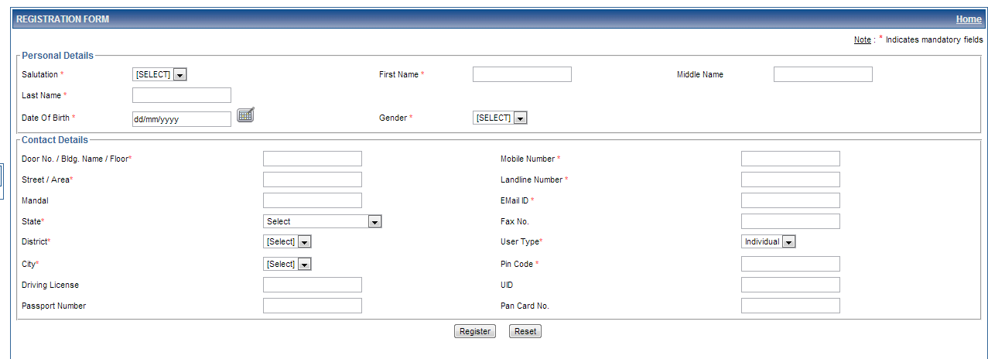
 |  | Screens | UI Fields | Validation | Estimates | Model | Estimates | Total
 |  | Screen -1 | 22 | 8 | 16 | 1 | 6 | 22
 |  | Screen-2 | 6 | 2 | 5 | 1 | 6 | 11
 |  | Screen-3 | 2 | 2 | 3 | 1 | 6 | 9
 |  | Screen-4 | 2 | 2 | 3 | 1 | 6 | 9
 |  | Screen-5 | 2 | 2 | 3 | 1 | 6 | 9
 |  |  |  |  |  |  | Total | 60

 | Quotes*
 |  | Screens | UI Fields | Validation | Estimates | Model | Estimates | Total
 |  | Screen -1 | 14 | 7 | 12 | 0 | 0 | 12
 |  | Screen-2 | 25 | 7 | 16 | 2 | 12 | 28
 |  | Screen-3 | 12 | 3 | 8 | 1 | 6 | 14
 |  | Screen-4 | 12 | 3 | 8 | 1 | 6 | 14
 |  | Screen-5 | 2 | 1 | 2 | 1 | 6 | 8
 |  | Screen-6 | 5 | 3 | 3 | 1 | 6 | 6
 |  | Screen-7 | 20 | 7 | 14 | 1 | 6 | 20
 |  | Screen-8 | 18 | 5 | 13 | 2 | 12 | 25
 |  | Screen-9 | 24 | 7 | 16 | 2 | 12 | 28
 |  | Screen-10 | 12 | 3 | 8 | 1 | 6 | 14
 |  | Screen-11 | 11 | 5 | 9 | 1 | 6 | 15
 |  | Screen-12 | 15 | 3 | 10 | 1 | 6 | 16
 |  | Screen-13 | 17 | 5 | 12 | 0 | 0 | 0
 |  |  |  |  |  |  | Total | 200

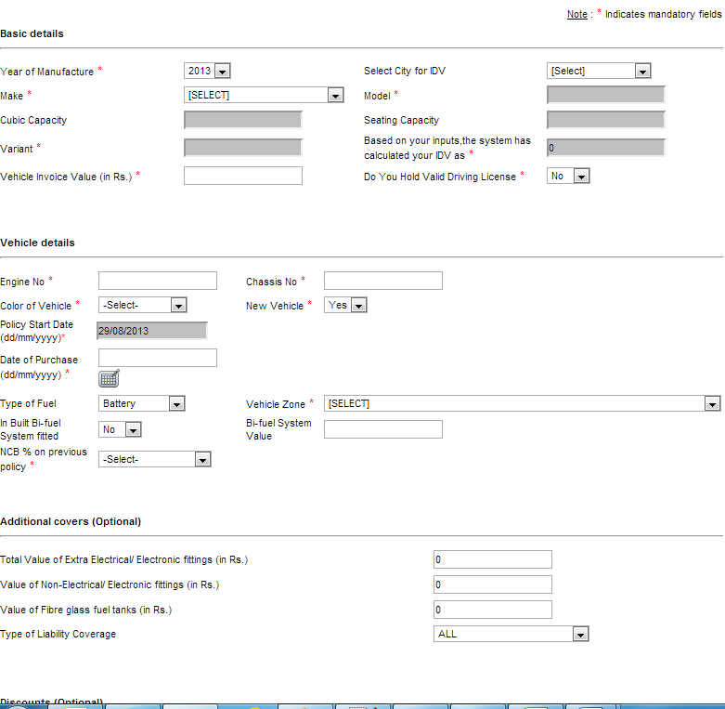

 |  |  | * All the above estimates are in days.

 | * This is the most complex screen

