Power_Source_calcul
Calcul market shares

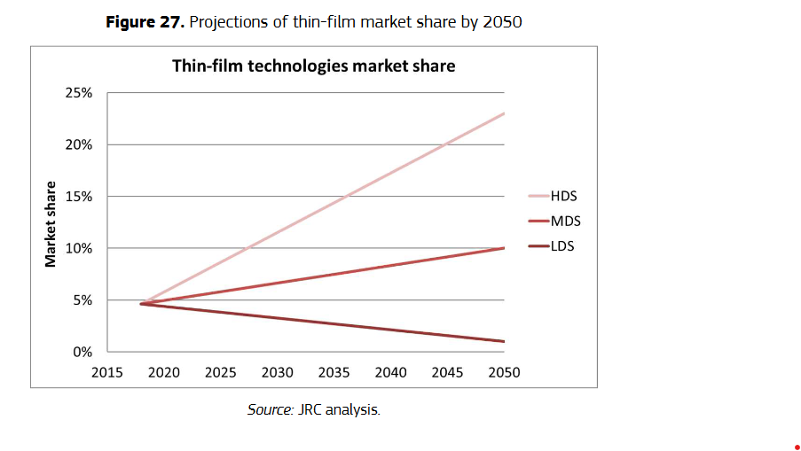

Wind |  |  |  |  |  |  |  |  | Solar PV |  |  |  |  |  | Solar CSP
(European Commission. Joint Research Centre., 2020) |  |  |  |  |  |  |  |  | (European Commission. Joint Research Centre., 2020) |  |  |  |  |  | (Alami et al., 2023)
 |  | ONSHORE |  |  |  |  | Figure 12. Share of onshore (left) and offshore (right) wind turbine sub-technologies in the global market
 |  | DD-EESG | DD-PMSG | GB-PMSG | GB-DFIG-SCIG |  |  |  |  |  | Projections from EU : Grows linearly until it's at x% in 2050 |  |  |  |  |  | Sol_CSP_parabol | Sol_CSP_tower
 | 2020 | 6.03 | 18.89 | 14.76 | 60.32 |  |  |  |  |  | 2020 | 2050 |  |  |  |  | 5714 | 1802
 | 2030 | 2.38 | 20.63 | 17.14 | 59.84 |  |  |  |  |  | Current market share | LDS | MDS | HDS |  | Solar..CSP | 76% | 24%
 | 2040 | 1.43 | 23.49 | 19.68 | 55.40 |  |  |  |  | C-si | 95.40% | 99% | 90% | 77%
 | 2050 | 0 | 26.5 | 23.2 | 50.3 |  |  |  |  | CdTe | 2.40% | 0.5% | 4.50% | 10%
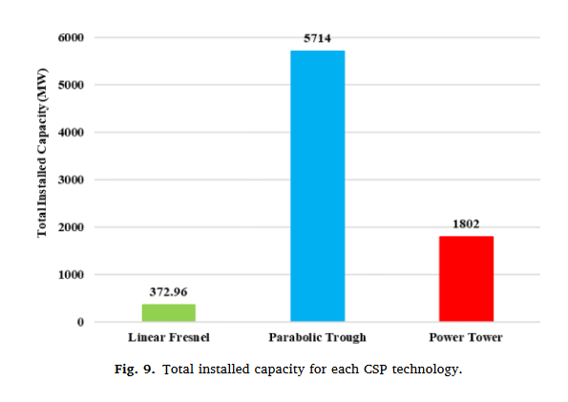
 |  |  |  |  |  |  |  |  |  | CIGS | 1.90% | 0.5% | 4.50% | 10%
 |  | OFFSHORE |  |  |  |  |  |  |  | a-Si | 0.30% | 0% | 1% | 3%
 |  | DD-EESG | DD-PMSG | GB-PMSG | GB-DFIG-SCIG
 | 2020 | 5.26 | 56.80 | 18.20 | 19.74 |  |  |  |  |  | Linearisation
 | 2030 | 0.00 | 60.58 | 9.97 | 29.45 |  |  |  |  |  | Solar PV
 | 2040 | 0.00 | 59.42 | 10.76 | 29.82 |  |  |  |  | MDS | C-si | CdTe | CIGS | a-Si
 | 2050 | 0 | 59 | 11 | 30 |  |  |  |  | 2020 | 95.40% | 2.40% | 1.90% | 0.30%
 |  |  |  |  |  |  |  |  |  | 2030 | 93.60% | 3.10% | 2.77% | 0.53%
 |  |  |  |  |  |  |  |  |  | 2040 | 62.40% | 2.07% | 1.84% | 0.36%
 |  | MDS |  |  |  |  |  |  |  | 2050 | 90.00% | 4.50% | 4.50% | 1.00%
 |  | Annualy installed |  | Cumulated |  | Market Share
 |  | Onshore | Offshore | Onshore | Offshore | %Onshore | %Offshore | Figure 10. Annual installed capacity of onshore and offshore wind by 2050
 | 2020 | 55 | 5 | 550 | 50 | 92% | 8%
 | 2030 | 100 | 10 | 1550 | 150 | 91% | 9%
 | 2040 | 125 | 15 | 2800 | 300 | 90% | 10%
 | 2050 | 130 | 20 | 4100 | 500 | 89% | 11%

Calcul hydro availability

Calcul Hydro_Avail | High-resolution assessment of global technical and economic hydropower potential
Régions de l'étude |  | Africa | Asia | Europe | North and Central America | South America | Unit
Technical | Remaining | 2.25 | 3.73 | 0.34 | 0.81 | 2.36 | PWh/yr
Technical | Ecological | 1.33 | 2.2 | 0.24 | 0.51 | 1.39 | PWh/yr
Economic | Remaining | 1.44 | 2.12 | 0.2 | 0.36 | 1.58 | PWh/yr
Economic | Ecological | 0.77 | 1.29 | 0.15 | 0.23 | 0.85 | PWh/yr

Conversion
1PWh | 1000000 | GWh
1yr | 8766 | h
Real energy | 0.45 | Nominal capacity (FC)

Result Hydro_Avail
IAM region |  | MAF | ASIA | OECD + REF |  | LAM | Unit
Regions from the study |  | Africa | Asia | Europe | North and Central America | South America
Technical | Remaining | 570 | 946 | 86 | 205 | 598 | GW
Technical | Ecological | 337 | 558 | 61 | 129 | 352 | GW
Economic | Remaining | 365 | 537 | 51 | 91 | 401 | GW
Economic | Ecological | 195 | 327 | 38 | 58 | 215 | GW

Calcul biomass availability

Calcul Biomass_Avail | Global WBA, Bioenergy, Statistics 2020, World Bioenergy Association, S. l., 2020. | Annual Theoretical Bioenergy Production Potential 2050
Years | 2020 | 2050 | Unit
Business as usual | 58 | 64 | EJ/yr
Optimal trends | 58 | 313 | EJ/yr
Full adaptation response | 58 | 1192 | EJ/yr

Conversion
1yr | 31557600 | second
1 EJ/s | 1.00E+09 | GW
Real energy | 0.8 | Nominal capacity (FC)

Result Biomass_Avail | Global WBA, Bioenergy, Statistics 2020, World Bioenergy Association, S. l., 2020. | Linearisation | Linearisation | Annual Theoretical Bioenergy Production Potential 2050
 | 2020 | 2030 | 2040 | 2050 | Unit
Business as usual | 2,277.58 | 2,359.44 | 2,441.30 | 2,523.16 | GW
Optimal trends | 2,277.58 | 5,647.08 | 9,016.58 | 12,386.08 | GW
Full adaptation response | 2,277.58 | 17,250.20 | 32,222.82 | 47,195.45 | GW

