Data
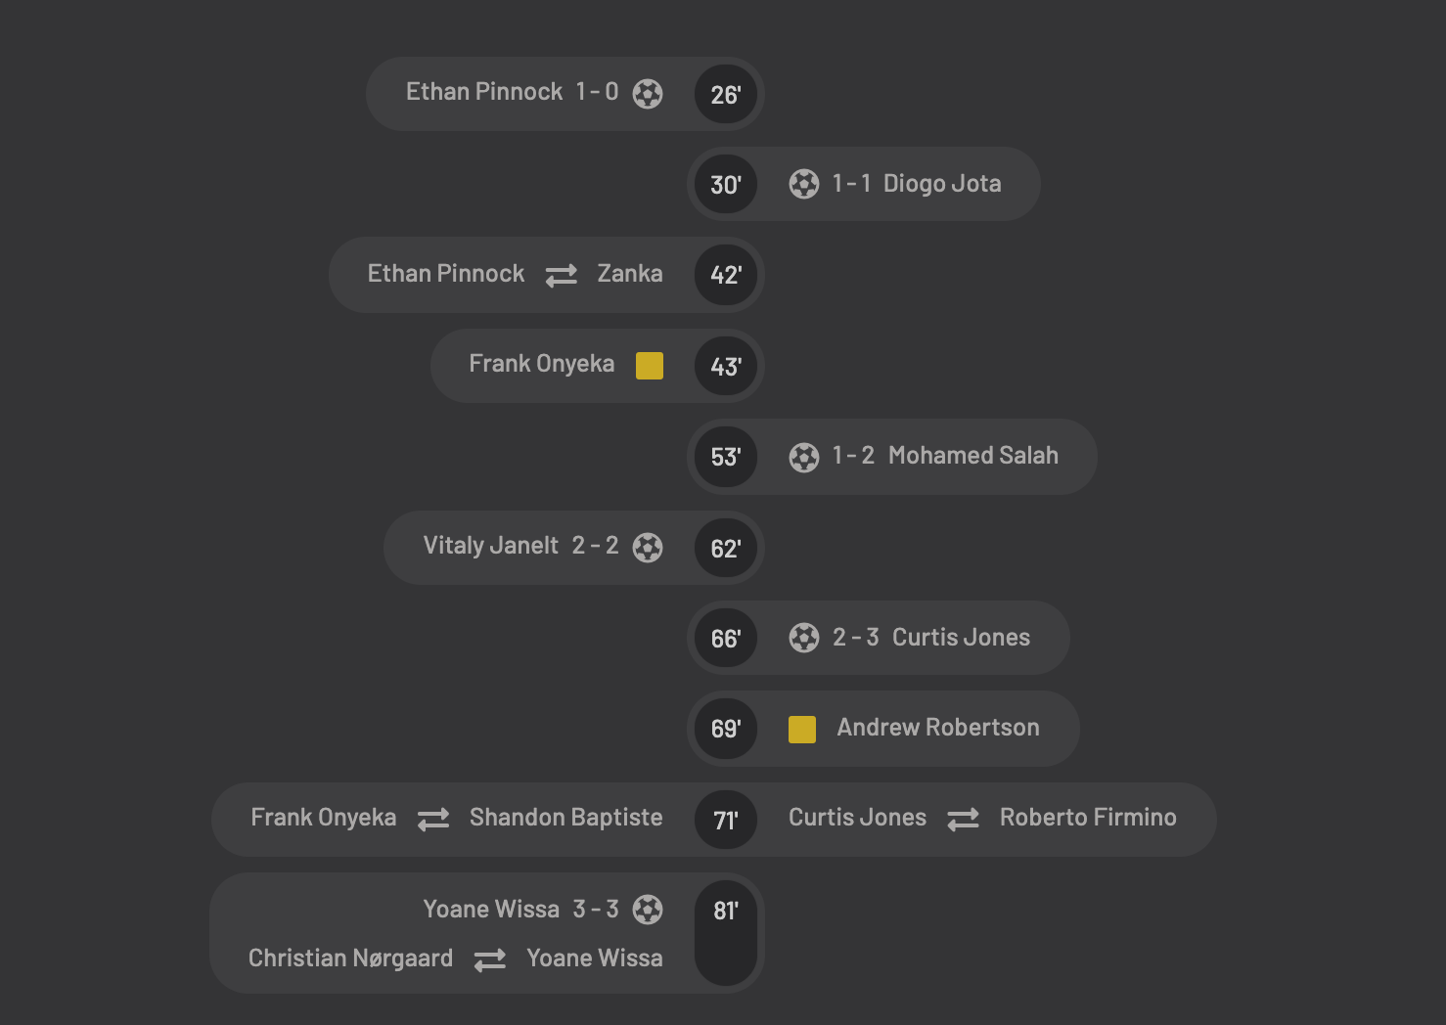
Name | Shape Detail | Event Detail | Minute | H_A | Rank | Path
Ethan Pinnock | Goal | 1-0 | 26 | H | 1 | 1
Diogo Jota | Goal | 1-1 | 30 | A | 2 | 1
Ethan Pinnock | Substitution | Zanka | 42 | H | 3 | 1
Frank Onyeka | Yellow |  | 43 | H | 4 | 1
Mohamed Salah | Goal | 1-2 | 53 | A | 5 | 1
Vitaly Janelt | Goal | 2-2 | 62 | H | 6 | 1
Curtis Jones | Goal | 2-3 | 66 | A | 7 | 1
Andrew Robertson | Yellow |  | 69 | A | 8 | 1
Curtis Jones | Substitution | Roberto Firmino | 71 | A | 9 | 1
Frank Onyeka | Substitution | Shandon Baptiste | 71 | H | 10 | 1
Yoane Wissa | Goal | 3-3 | 81 | H | 11 | 1
Christian Nargaard | Substitution | Yoane Wissa | 81 | H | 12 | 1
Ethan Pinnock | Goal | 1-0 | 26 | H | 1 | 2
Diogo Jota | Goal | 1-1 | 30 | A | 2 | 2
Ethan Pinnock | Substitution | Zanka | 42 | H | 3 | 2
Frank Onyeka | Yellow |  | 43 | H | 4 | 2
Mohamed Salah | Goal | 1-2 | 53 | A | 5 | 2
Vitaly Janelt | Goal | 2-2 | 62 | H | 6 | 2
Curtis Jones | Goal | 2-3 | 66 | A | 7 | 2
Andrew Robertson | Yellow |  | 69 | A | 8 | 2
Curtis Jones | Substitution | Roberto Firmino | 71 | A | 9 | 2
Frank Onyeka | Substitution | Shandon Baptiste | 71 | H | 10 | 2
Yoane Wissa | Goal | 3-3 | 81 | H | 11 | 2
Christian Nargaard | Substitution | Yoane Wissa | 81 | H | 12 | 2

