Page 1
 | NEW YORK FED ECONOMIC RESEARCH

 | https://www.newyorkfed.org/research
Distribution of Borrowers by Balance
Source: Federal Reserve Bank of New York Consumer Credit Panel / Equifax
Distribution of Student Loan Borrowers by 2019Q4 Balance
Balance in 2019Q4 | Number of Borrowers | Percent of Borrowers
betw $1 and $5,000 | 7,950,500 | 18.1%
betw $5,000 and $10,000 | 6,996,300 | 15.9%
betw $10,000 and $25,000 | 11,722,800 | 26.7%
betw $25,000 and $50,000 | 8,546,300 | 19.4%
betw $50,000 and $75,000 | 3,833,100 | 8.7%
betw $75,000 and $100,000 | 1,856,300 | 4.2%
betw $100,000 and $150,000 | 1,530,500 | 3.5%
betw $150,000 and $200,000 | 703,200 | 1.6%
$200,000+ | 810,800 | 1.8%

Total Borrowers | 43,949,800

Distribution of Student Loan Borrowers by 2020Q4 Balance
Balance in 2020Q4 | Number of Borrowers | Percent of Borrowers
betw $1 and $5,000 | 7,389,600 | 17.1%
betw $5,000 and $10,000 | 6,756,100 | 15.7%
betw $10,000 and $25,000 | 11,458,600 | 26.6%
betw $25,000 and $50,000 | 8,489,000 | 19.7%
betw $50,000 and $75,000 | 3,904,300 | 9.1%
betw $75,000 and $100,000 | 1,907,600 | 4.4%
betw $100,000 and $150,000 | 1,591,000 | 3.7%
betw $150,000 and $200,000 | 740,500 | 1.7%
$200,000+ | 872,900 | 2.0%

Total Borrowers | 43,109,600

Distribution of Student Loan Borrowers by 2021Q4 Balance
Balance in 2021Q4 | Number of Borrowers | Percent of Borrowers
betw $1 and $5,000 | 7,284,200 | 16.8%
betw $5,000 and $10,000 | 6,757,100 | 15.5%
betw $10,000 and $25,000 | 11,524,900 | 26.5%
betw $25,000 and $50,000 | 8,669,100 | 19.9%
betw $50,000 and $75,000 | 3,985,600 | 9.2%
betw $75,000 and $100,000 | 1,928,900 | 4.4%
betw $100,000 and $150,000 | 1,641,200 | 3.8%
betw $150,000 and $200,000 | 764,500 | 1.8%
$200,000+ | 911,700 | 2.1%

Total Borrowers | 43,467,200

Page 2
 |  |  | NEW YORK FED ECONOMIC RESEARCH

 |  |  | https://www.newyorkfed.org/research
Number of Borrowers by Age Group
Millions of Borrowers
Source: Federal Reserve Bank of New York Consumer Credit Panel / Equifax

 | under 30 | 30-39 | 40-49 | 50-59 | 60+ | Total
2004 | 11.343 | 5.672 | 3.162 | 2.091 | 0.577 | 22.845
2005 | 12.062 | 6.120 | 3.454 | 2.385 | 0.680 | 24.701
2006 | 12.927 | 6.764 | 3.865 | 2.842 | 0.893 | 27.291
2007 | 13.401 | 7.234 | 4.089 | 3.125 | 1.069 | 28.918
2008 | 14.217 | 8.066 | 4.440 | 3.464 | 1.264 | 31.451
2009 | 15.317 | 8.846 | 4.842 | 3.846 | 1.478 | 34.329
2010 | 16.161 | 9.608 | 5.331 | 4.190 | 1.750 | 37.040
2011 | 15.465 | 9.847 | 5.505 | 4.337 | 1.931 | 37.085
2012 | 15.066 | 10.932 | 6.037 | 4.702 | 2.213 | 38.950
2013 | 17.390 | 11.414 | 6.284 | 4.889 | 2.403 | 42.380
2014 | 17.446 | 11.816 | 6.516 | 5.033 | 2.617 | 43.428
2015 | 17.279 | 12.097 | 6.809 | 5.168 | 2.849 | 44.202
2016 | 17.059 | 12.227 | 7.047 | 5.166 | 2.993 | 44.492
2017 | 16.758 | 12.233 | 7.241 | 5.160 | 3.146 | 44.538
2018 | 16.397 | 12.218 | 7.435 | 5.190 | 3.265 | 44.505
2019 | 15.923 | 12.006 | 7.509 | 5.171 | 3.338 | 43.947
2020 | 15.090 | 11.922 | 7.539 | 5.147 | 3.408 | 43.106
2021 | 14.903 | 12.061 | 7.686 | 5.268 | 3.527 | 43.445
Number of Student Loan Borrowers by Age Group

Page 3
 |  |  | NEW YORK FED ECONOMIC RESEARCH

 |  |  | https://www.newyorkfed.org/research
Total Balances by Age Group
Billions of Dollars
Source: Federal Reserve Bank of New York Consumer Credit Panel / Equifax

 | under 30 | 30-39 | 40-49 | 50-59 | 60+ | Total
2004 | 148.02 | 112.68 | 48.87 | 29.54 | 6.40 | 345.5
2005 | 162.80 | 127.72 | 56.38 | 36.47 | 8.27 | 391.6
2006 | 196.65 | 155.22 | 70.07 | 48.29 | 12.23 | 482.5
2007 | 220.86 | 176.13 | 80.48 | 56.75 | 15.97 | 550.2
2008 | 251.40 | 205.98 | 94.65 | 67.82 | 20.50 | 640.4
2009 | 275.92 | 232.49 | 109.24 | 78.60 | 25.34 | 721.6
2010 | 301.33 | 261.44 | 128.76 | 89.73 | 30.85 | 812.1
2011 | 316.54 | 282.25 | 141.91 | 97.10 | 35.47 | 873.3
2012 | 322.84 | 320.84 | 167.95 | 111.68 | 43.21 | 966.5
2013 | 362.21 | 355.14 | 189.33 | 125.65 | 50.11 | 1,082.4
2014 | 370.75 | 384.25 | 209.04 | 137.39 | 58.13 | 1,159.6
2015 | 376.19 | 407.83 | 229.77 | 149.92 | 66.78 | 1,230.5
2016 | 382.73 | 435.57 | 254.64 | 162.93 | 76.05 | 1,311.9
2017 | 383.14 | 457.20 | 275.76 | 175.43 | 84.59 | 1,376.1
2018 | 381.59 | 484.91 | 300.42 | 192.44 | 95.75 | 1,455.1
2019 | 376.68 | 497.89 | 319.50 | 206.23 | 106.27 | 1,506.6
2020 | 360.23 | 510.53 | 333.28 | 219.07 | 116.43 | 1,539.5
2021 | 355.55 | 515.59 | 344.83 | 231.90 | 126.61 | 1,574.5

Total Student Loan Balances by Age Group

Page 4
 |  | NEW YORK FED ECONOMIC RESEARCH

 |  | https://www.newyorkfed.org/research
Number of Borrowers by Payment Status
Millions of Borrowers
Source: Federal Reserve Bank of New York Consumer Credit Panel / Equifax

 | current, balance lower | current, balance same or higher | 90+ delinquent | default | total
2004 | 7.930 | 12.796 | 1.018 | 1.138 | 22.882
2005 | 9.275 | 12.954 | 1.018 | 1.445 | 24.692
2006 | 8.998 | 14.956 | 1.369 | 1.662 | 26.985
2007 | 10.723 | 14.774 | 1.435 | 1.925 | 28.857
2008 | 11.624 | 15.566 | 1.597 | 2.320 | 31.107
2009 | 12.953 | 16.842 | 1.839 | 2.603 | 34.237
2010 | 13.376 | 18.593 | 2.002 | 2.965 | 36.936
2011 | 14.490 | 17.736 | 2.540 | 2.321 | 37.087
2012 | 14.462 | 17.627 | 2.721 | 4.113 | 38.923
2013 | 15.164 | 20.113 | 2.607 | 4.460 | 42.344
2014 | 16.026 | 20.128 | 2.546 | 4.665 | 43.365
2015 | 16.428 | 20.465 | 2.488 | 4.757 | 44.138
2016 | 15.995 | 21.316 | 2.283 | 4.826 | 44.420
2017 | 16.464 | 21.126 | 2.060 | 4.798 | 44.448
2018 | 15.967 | 21.483 | 2.240 | 4.722 | 44.412
2019 | 16.263 | 21.034 | 2.043 | 4.514 | 43.854
2020 | 16.953 | 21.929 | 0.255 | 3.865 | 43.002
2021 | 11.517 | 28.578 | 0.270 | 3.004 | 43.369

Notes: Year-end balances compared to one year prior. 30-60 day delinquent balances are underreported as delinquent by lenders and so are classified as current. A delinquent borrower is a borrower with any delinquent but no defaulted loan. A defaulted borrower is a borrower with any defaulted loan.

Number of Student Loan Borrowers by Payment Status

Page 5
 |  | NEW YORK FED ECONOMIC RESEARCH

 |  | https://www.newyorkfed.org/research
Total Balances by Borrower Payment Status
Billions of Dollars
Source: Federal Reserve Bank of New York Consumer Credit Panel / Equifax

 | current, balance lower | current, balance same or higher | 90+ delinquent | default | Total
2004 | 89.16 | 228.72 | 13.37 | 14.57 | 345.82
2005 | 120.93 | 238.11 | 13.54 | 18.81 | 391.39
2006 | 124.83 | 309.09 | 20.31 | 23.29 | 477.52
2007 | 173.61 | 324.25 | 22.74 | 29.04 | 549.64
2008 | 199.35 | 370.67 | 27.70 | 36.57 | 634.29
2009 | 239.30 | 400.80 | 35.35 | 45.33 | 720.78
2010 | 247.94 | 464.68 | 40.59 | 58.04 | 811.25
2011 | 289.31 | 481.09 | 53.44 | 49.45 | 873.29
2012 | 282.35 | 533.54 | 63.66 | 86.64 | 966.19
2013 | 306.70 | 609.38 | 63.31 | 102.54 | 1,081.93
2014 | 342.03 | 641.76 | 66.97 | 108.03 | 1,158.79
2015 | 357.15 | 693.36 | 67.43 | 111.78 | 1,229.72
2016 | 338.17 | 788.48 | 66.99 | 117.21 | 1,310.85
2017 | 366.07 | 823.92 | 62.28 | 122.34 | 1,374.61
2018 | 338.17 | 917.75 | 69.63 | 128.05 | 1,453.60
2019 | 363.36 | 946.38 | 67.04 | 127.89 | 1,504.67
2020 | 440.84 | 971.75 | 13.45 | 111.41 | 1,537.45
2021 | 386.51 | 1085.92 | 14.35 | 86.08 | 1,572.86

Notes: Year-end balances compared to one year prior. 30-60 day delinquent balances are underreported as delinquent by lenders and so are classified as current. A delinquent borrower is a borrower with any delinquent but no defaulted loan. A defaulted borrower is a borrower with any defaulted loan.

Total Balance of Student Loan Borrowers by Payment Status

Page 6
 |  |  | NEW YORK FED ECONOMIC RESEARCH

 |  |  | https://www.newyorkfed.org/research
Number of Borrowers by Credit Score Group
Millions of Borrowers
Source: Federal Reserve Bank of New York Consumer Credit Panel / Equifax

 | <620 | 620-659 | 660-719 | 720-759 | 760+
2004 | 9.004 | 3.373 | 5.334 | 2.946 | 2.244
2005 | 9.787 | 3.567 | 5.575 | 3.131 | 2.673
2006 | 10.786 | 3.782 | 5.955 | 3.510 | 3.264
2007 | 11.474 | 3.824 | 6.148 | 3.713 | 3.743
2008 | 12.649 | 4.080 | 6.379 | 3.917 | 4.400
2009 | 13.793 | 4.599 | 6.990 | 4.146 | 4.767
2010 | 14.864 | 5.201 | 7.670 | 4.312 | 4.936
2011 | 14.878 | 4.725 | 8.165 | 4.273 | 4.966
2012 | 16.540 | 4.685 | 8.119 | 4.416 | 5.109
2013 | 17.017 | 6.110 | 9.126 | 4.657 | 5.388
2014 | 17.378 | 6.132 | 9.400 | 4.792 | 5.640
2015 | 17.349 | 6.043 | 9.729 | 5.046 | 5.942
2016 | 17.217 | 5.896 | 9.843 | 5.251 | 6.191
2017 | 16.725 | 5.895 | 9.867 | 5.398 | 6.549
2018 | 16.443 | 5.735 | 9.794 | 5.546 | 6.877
2019 | 15.905 | 5.542 | 9.680 | 5.627 | 7.087
2020 | 13.386 | 5.792 | 10.166 | 5.934 | 7.713
2021 | 12.123 | 5.861 | 10.668 | 6.351 | 8.386

Number of Student Loan Borrowers by Credit Score Group

Page 7
 |  |  | NEW YORK FED ECONOMIC RESEARCH

 |  |  | https://www.newyorkfed.org/research
Total Balances by Credit Score Group
Billions of Dollars
Source: Federal Reserve Bank of New York Consumer Credit Panel / Equifax

 | <620 | 620-659 | 660-719 | 720-759 | 760+
2004 | 127.02 | 45.04 | 83.65 | 52.07 | 38.24
2005 | 143.66 | 48.81 | 91.82 | 58.90 | 48.64
2006 | 175.42 | 58.43 | 109.17 | 72.93 | 66.42
2007 | 199.56 | 64.13 | 121.25 | 82.49 | 82.42
2008 | 237.51 | 73.01 | 135.01 | 93.22 | 101.07
2009 | 272.37 | 81.68 | 153.48 | 102.49 | 110.81
2010 | 313.57 | 94.34 | 174.60 | 111.56 | 117.10
2011 | 336.10 | 105.20 | 194.20 | 116.05 | 120.43
2012 | 390.67 | 116.17 | 208.38 | 122.19 | 127.74
2013 | 425.14 | 134.41 | 239.26 | 137.13 | 145.25
2014 | 453.88 | 142.26 | 257.37 | 146.63 | 157.95
2015 | 471.21 | 147.78 | 275.32 | 161.69 | 172.89
2016 | 497.62 | 153.79 | 292.38 | 174.82 | 191.56
2017 | 507.87 | 158.05 | 306.71 | 186.44 | 214.87
2018 | 528.82 | 162.30 | 318.06 | 200.82 | 242.78
2019 | 536.02 | 163.14 | 322.61 | 212.97 | 269.40
2020 | 458.36 | 184.10 | 346.11 | 232.40 | 315.50
2021 | 409.05 | 185.70 | 368.79 | 253.01 | 356.03

Total Student Loan Balances by Credit Score

Page 9
 | NEW YORK FED ECONOMIC RESEARCH

 | https://www.newyorkfed.org/research
Descriptive Statistics of Student Loans by State (2019Q4)
Source: Federal Reserve Bank of New York Consumer Credit Panel / Equifax

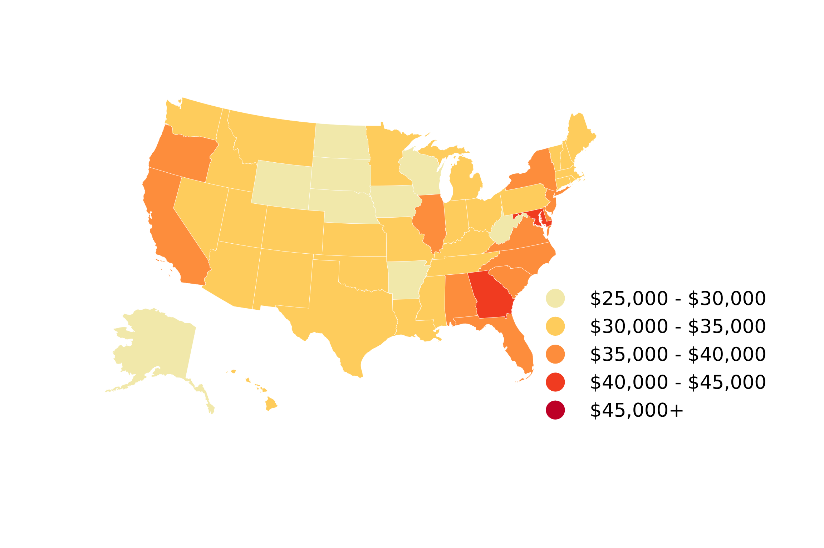
Average Student Loan Balance by State (2019Q4)
State | Total Borrowers | Total Balance (Billions) | Average Balance | Median Balance | Borrower Delinquency Rate*
Alabama | 600,200 | 21.44 | 35,728 | 18,187 | 19.1%
Alaska | 73,600 | 2.17 | 29,520 | 14,890 | 14.5%
Arizona | 858,100 | 29.53 | 34,411 | 16,562 | 17.2%
Arkansas | 369,200 | 10.99 | 29,753 | 16,211 | 17.0%
California | 4,132,900 | 147.30 | 35,641 | 16,123 | 14.1%
Colorado | 820,200 | 28.62 | 34,887 | 18,329 | 13.5%
Connecticut | 547,100 | 18.88 | 34,516 | 17,658 | 12.4%
Delaware | 136,800 | 5.04 | 36,873 | 17,883 | 14.5%
District of Columbia | 134,800 | 7.50 | 55,604 | 27,582 | 13.4%
Florida | 2,595,900 | 93.81 | 36,139 | 18,093 | 17.3%
Georgia | 1,603,800 | 64.19 | 40,021 | 20,844 | 18.7%
Hawaii | 126,600 | 4.24 | 33,493 | 16,131 | 14.3%
Idaho | 220,000 | 7.14 | 32,438 | 16,916 | 14.1%
Illinois | 1,770,600 | 63.08 | 35,624 | 18,080 | 12.6%
Indiana | 955,300 | 29.24 | 30,603 | 17,040 | 17.2%
Iowa | 481,400 | 13.84 | 28,743 | 16,368 | 14.5%
Kansas | 403,600 | 12.98 | 32,169 | 17,652 | 14.3%
Kentucky | 591,900 | 18.46 | 31,188 | 16,744 | 19.2%
Source: New York Fed Consumer Credit Panel / Equifax
Louisiana | 630,500 | 21.32 | 33,809 | 16,722 | 20.0%
Maine | 210,100 | 6.54 | 31,127 | 16,154 | 11.3%
Maryland | 873,400 | 35.44 | 40,581 | 20,421 | 14.2%
Massachusetts | 1,078,800 | 35.85 | 33,232 | 16,951 | 9.8%
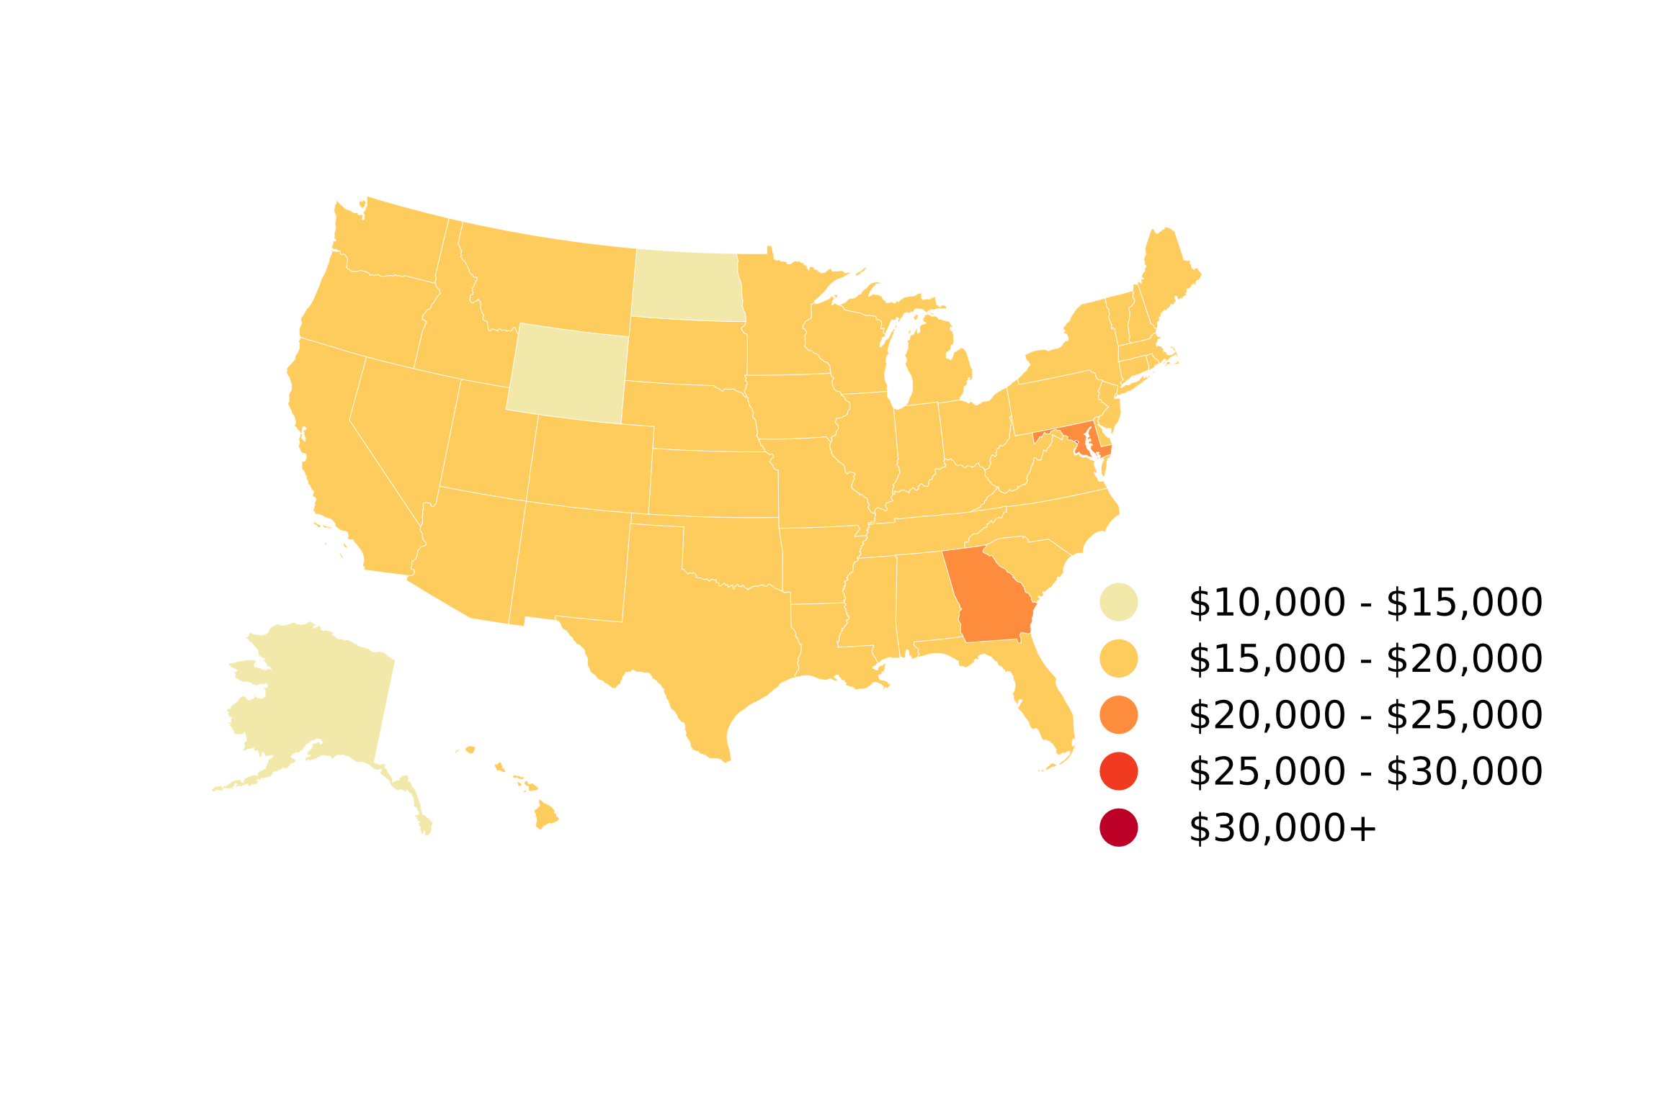
Michigan | 1,483,500 | 50.31 | 33,912 | 17,786 | 16.0%
Median Student Loan Balance by State (2019Q4)
Minnesota | 942,900 | 29.10 | 30,857 | 17,060 | 10.8%
Mississippi | 417,600 | 14.39 | 34,464 | 17,287 | 21.6%
Missouri | 835,900 | 27.61 | 33,030 | 17,693 | 16.1%
Montana | 133,600 | 4.09 | 30,614 | 15,880 | 11.0%
Nebraska | 267,500 | 7.92 | 29,589 | 16,044 | 11.9%
Nevada | 333,800 | 10.79 | 32,312 | 15,438 | 19.0%
New Hampshire | 230,700 | 7.10 | 30,794 | 16,605 | 9.6%
New Jersey | 1,359,600 | 47.88 | 35,216 | 18,126 | 12.1%
New Mexico | 218,200 | 6.89 | 31,580 | 16,282 | 17.9%
New York | 2,703,600 | 98.96 | 36,601 | 18,493 | 11.1%
North Carolina | 1,331,600 | 46.78 | 35,127 | 19,340 | 16.2%
North Dakota | 114,500 | 3.35 | 29,272 | 14,938 | 8.9%
Ohio | 1,860,900 | 63.49 | 34,120 | 19,053 | 16.0%
Oklahoma | 482,800 | 14.69 | 30,428 | 15,943 | 19.2%
Oregon | 573,700 | 20.69 | 36,067 | 19,369 | 15.0%
Pennsylvania | 2,104,900 | 70.96 | 33,712 | 18,523 | 13.6%
Rhode Island | 154,600 | 5.10 | 32,979 | 17,588 | 12.9%
Source: New York Fed Consumer Credit Panel / Equifax
South Carolina | 740,500 | 26.10 | 35,241 | 19,278 | 18.5%
South Dakota | 135,300 | 3.59 | 26,554 | 15,183 | 9.8%
Tennessee | 858,000 | 29.73 | 34,655 | 18,440 | 17.9%
Texas | 3,613,300 | 113.85 | 31,509 | 16,174 | 16.2%
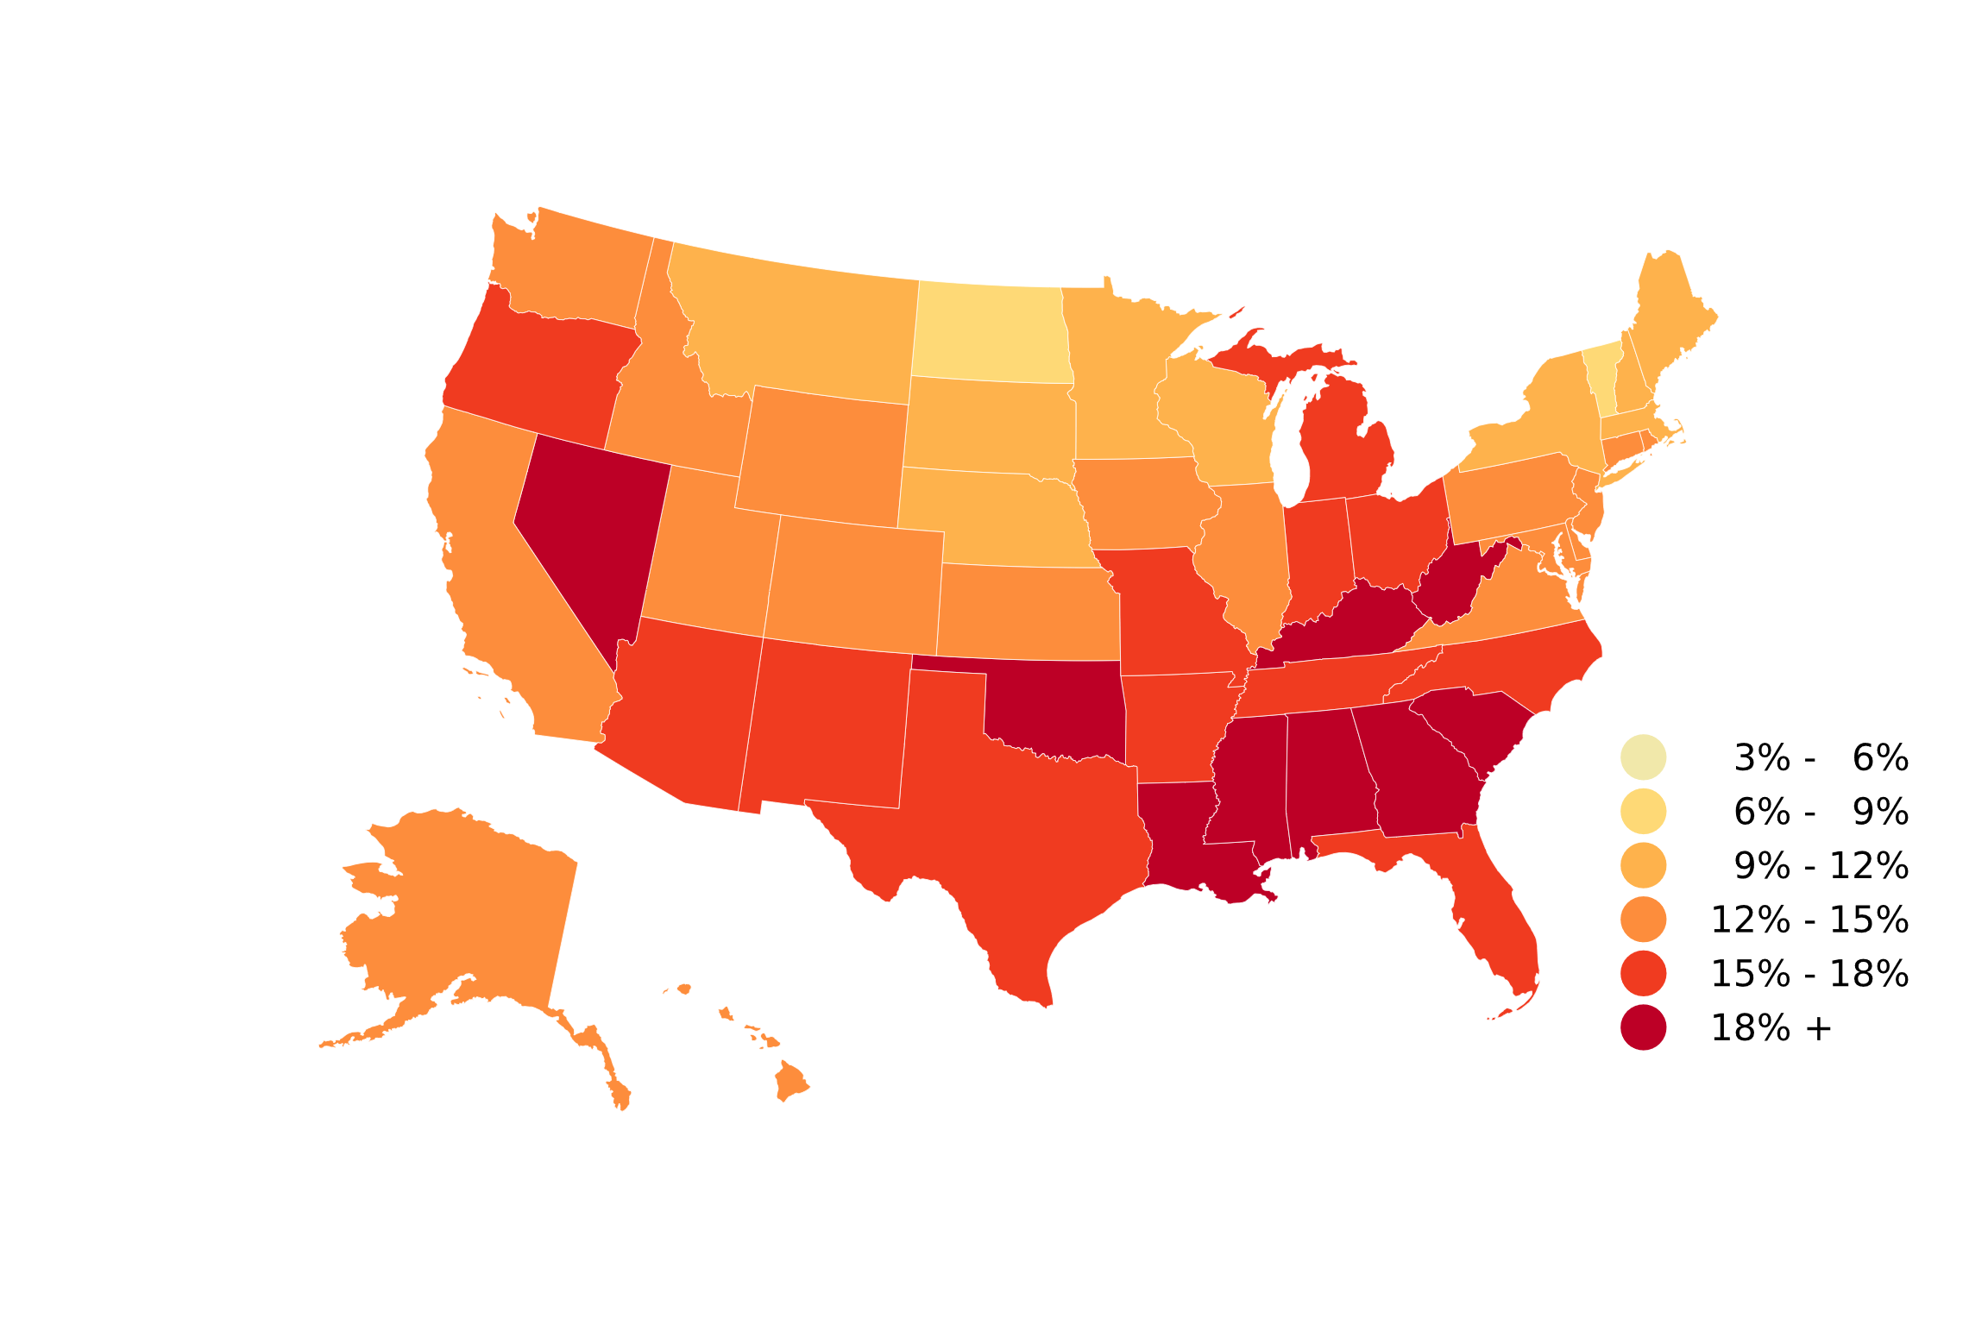
Utah | 322,800 | 10.15 | 31,455 | 15,140 | 12.5%
Borrower Delinquency Rate by State (2019Q4)
Vermont | 101,100 | 3.19 | 31,545 | 16,544 | 8.4%
Virginia | 1,169,200 | 43.48 | 37,189 | 19,719 | 13.1%
Washington | 829,000 | 27.42 | 33,070 | 16,534 | 12.4%
West Virginia | 226,900 | 6.54 | 28,821 | 15,637 | 19.9%
Wisconsin | 806,800 | 23.94 | 29,673 | 16,055 | 11.8%
Wyoming | 58,800 | 1.74 | 29,519 | 14,228 | 13.9%

Puerto Rico | 301,900 | 8.49 | 28,111 | 10,753 | 20.1%

* The borrower delinquency rate is the share of borrowers who have at least one student loan 90+ days delinquent or in default. A delinquent loan that is jointly-held by multiple borrowers counts against each borrower.

Source: New York Fed Consumer Credit Panel / Equifax

Page 10
 | NEW YORK FED ECONOMIC RESEARCH

 | https://www.newyorkfed.org/research
Descriptive Statistics of Student Loans by State (2020Q4)
Source: Federal Reserve Bank of New York Consumer Credit Panel / Equifax

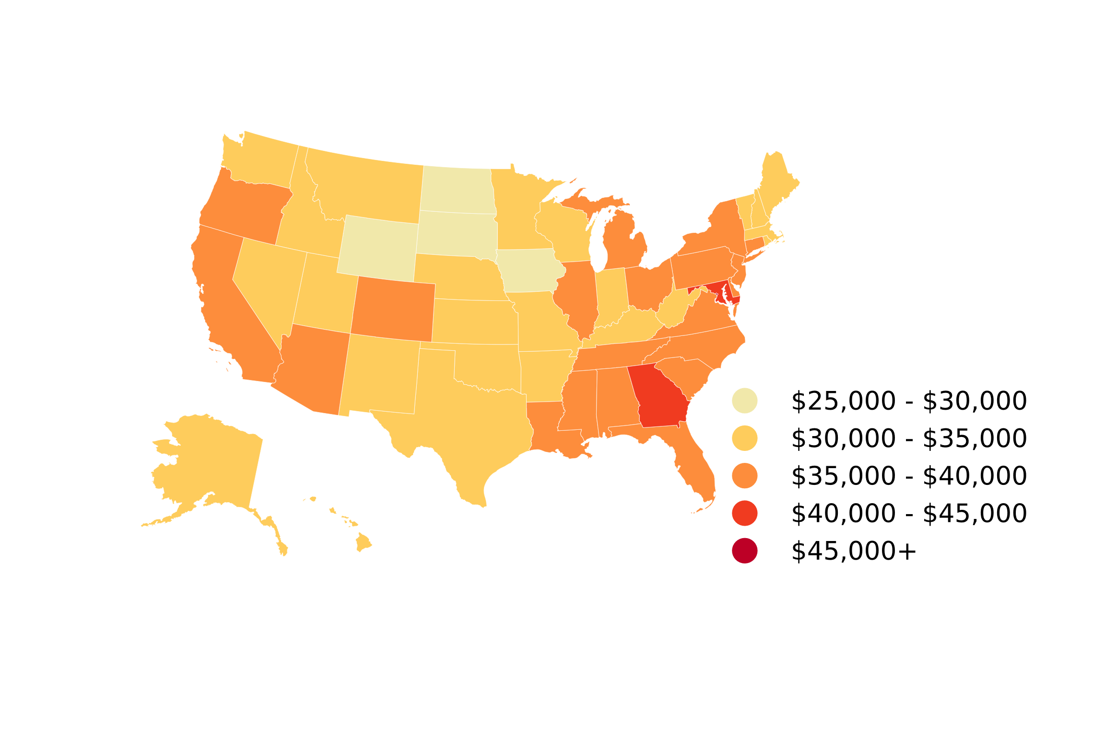
Average Student Loan Balance by State (2020Q4)
State | Total Borrowers | Total Balance (Billions) | Average Balance | Median Balance | Borrower Delinquency Rate*
Alaska | 71,300 | 2.209 | 30,975 | 15,365 | 9.4%
Alabama | 599,600 | 22.329 | 37,239 | 19,601 | 12.0%
Arkansas | 362,300 | 11.354 | 31,338 | 17,355 | 11.7%
Arizona | 855,400 | 30.982 | 36,219 | 17,518 | 11.2%
California | 4,005,700 | 148.608 | 37,099 | 16,773 | 8.9%
Colorado | 798,900 | 29.431 | 36,840 | 19,246 | 8.9%
Connecticut | 537,400 | 19.357 | 36,019 | 18,622 | 7.9%
District of Columbia | 127,400 | 7.401 | 58,089 | 28,092 | 9.7%
Delaware | 137,000 | 5.383 | 39,294 | 18,451 | 8.6%
Florida | 2,578,400 | 97.454 | 37,796 | 18,884 | 10.5%
Georgia | 1,599,300 | 66.717 | 41,717 | 21,828 | 12.0%
Hawaii | 123,000 | 4.166 | 33,868 | 16,972 | 10.3%
Iowa | 466,700 | 13.763 | 29,489 | 16,752 | 9.4%
Idaho | 217,700 | 7.181 | 32,984 | 17,753 | 8.8%
Illinois | 1,721,800 | 63.963 | 37,149 | 18,966 | 8.4%
Indiana | 935,900 | 29.482 | 31,502 | 17,471 | 11.3%
Kansas | 390,400 | 13.161 | 33,712 | 18,710 | 9.3%
Kentucky | 582,700 | 19.257 | 33,048 | 17,912 | 12.4%
Source: New York Fed Consumer Credit Panel / Equifax
Louisiana | 630,600 | 22.092 | 35,034 | 17,387 | 12.0%
Massachusetts | 1,046,600 | 36.128 | 34,519 | 17,749 | 5.9%
Maryland | 854,000 | 35.623 | 41,713 | 21,200 | 8.7%
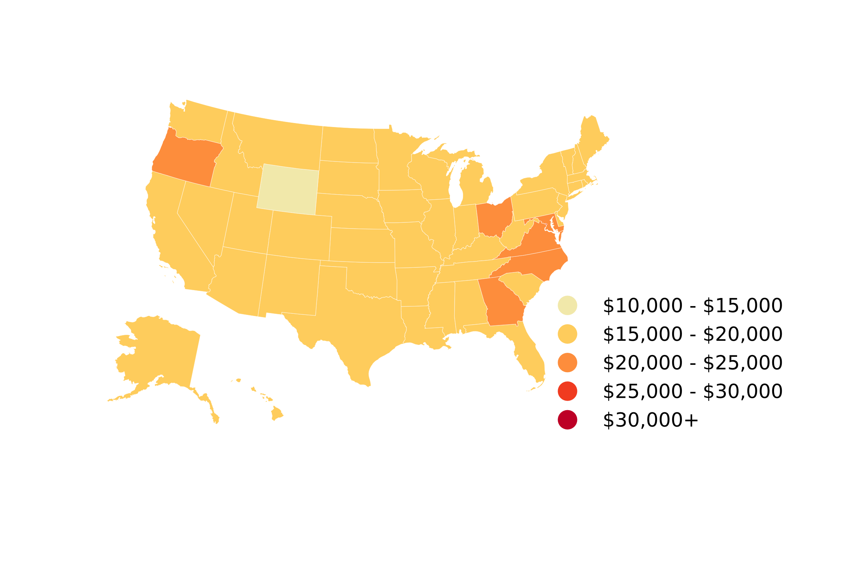
Maine | 204,900 | 6.752 | 32,952 | 16,990 | 6.8%
Median Student Loan Balance by State (2020Q4)
Michigan | 1,433,400 | 51.256 | 35,758 | 18,979 | 10.4%
Minnesota | 907,100 | 29.250 | 32,246 | 17,937 | 7.6%
Missouri | 820,500 | 28.381 | 34,590 | 18,782 | 10.5%
Mississippi | 412,200 | 14.901 | 36,149 | 17,868 | 13.9%
Montana | 132,700 | 4.251 | 32,038 | 16,576 | 7.5%
North Carolina | 1,328,900 | 48.334 | 36,371 | 20,111 | 10.3%
North Dakota | 96,100 | 2.806 | 29,202 | 15,379 | 7.2%
Nebraska | 259,100 | 8.107 | 31,291 | 16,807 | 6.1%
New Hampshire | 222,900 | 7.272 | 32,627 | 17,748 | 6.4%
New Jersey | 1,344,200 | 49.072 | 37,003 | 18,912 | 7.4%
New Mexico | 211,800 | 7.005 | 33,076 | 17,411 | 11.1%
Nevada | 337,500 | 11.576 | 34,298 | 15,971 | 12.3%
New York | 2,602,500 | 98.607 | 37,889 | 19,234 | 6.8%
Ohio | 1,818,200 | 64.639 | 35,551 | 20,002 | 10.6%
Oklahoma | 467,200 | 15.027 | 32,164 | 16,962 | 12.0%
Oregon | 562,600 | 21.096 | 37,497 | 20,104 | 10.6%
Pennsylvania | 2,061,900 | 72.248 | 35,039 | 19,500 | 8.9%
Source: New York Fed Consumer Credit Panel / Equifax
Rhode Island | 150,700 | 5.023 | 33,334 | 17,436 | 7.8%
South Carolina | 737,400 | 26.718 | 36,232 | 19,467 | 11.3%
South Dakota | 131,500 | 3.698 | 28,123 | 16,487 | 7.2%
Tennessee | 855,000 | 30.308 | 35,448 | 18,819 | 11.4%
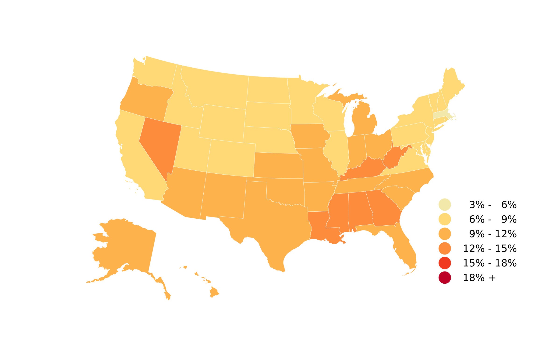
Texas | 3,612,500 | 117.801 | 32,609 | 16,636 | 10.6%
Borrower Delinquency Rate by State (2020Q4)
Utah | 318,100 | 10.367 | 32,589 | 15,532 | 7.3%
Virginia | 1,151,400 | 44.914 | 39,008 | 20,687 | 8.2%
Vermont | 99,400 | 3.390 | 34,105 | 18,221 | 6.5%
Washington | 809,200 | 28.270 | 34,936 | 17,553 | 8.1%
Wisconsin | 789,000 | 24.432 | 30,966 | 16,693 | 7.3%
West Virginia | 222,700 | 6.900 | 30,982 | 17,333 | 13.5%
Wyoming | 56,200 | 1.675 | 29,798 | 14,210 | 8.5%

Puerto Rico | 289,100 | 8.788 | 30,399 | 11,994 | 13.0%

* The borrower delinquency rate is the share of borrowers who have at least one student loan 90+ days delinquent or in default. A delinquent loan that is jointly-held by multiple borrowers counts against each borrower.

Source: New York Fed Consumer Credit Panel / Equifax

Page 11
 | NEW YORK FED ECONOMIC RESEARCH

 | https://www.newyorkfed.org/research
Descriptive Statistics of Student Loans by State (2021Q4)
Source: Federal Reserve Bank of New York Consumer Credit Panel / Equifax

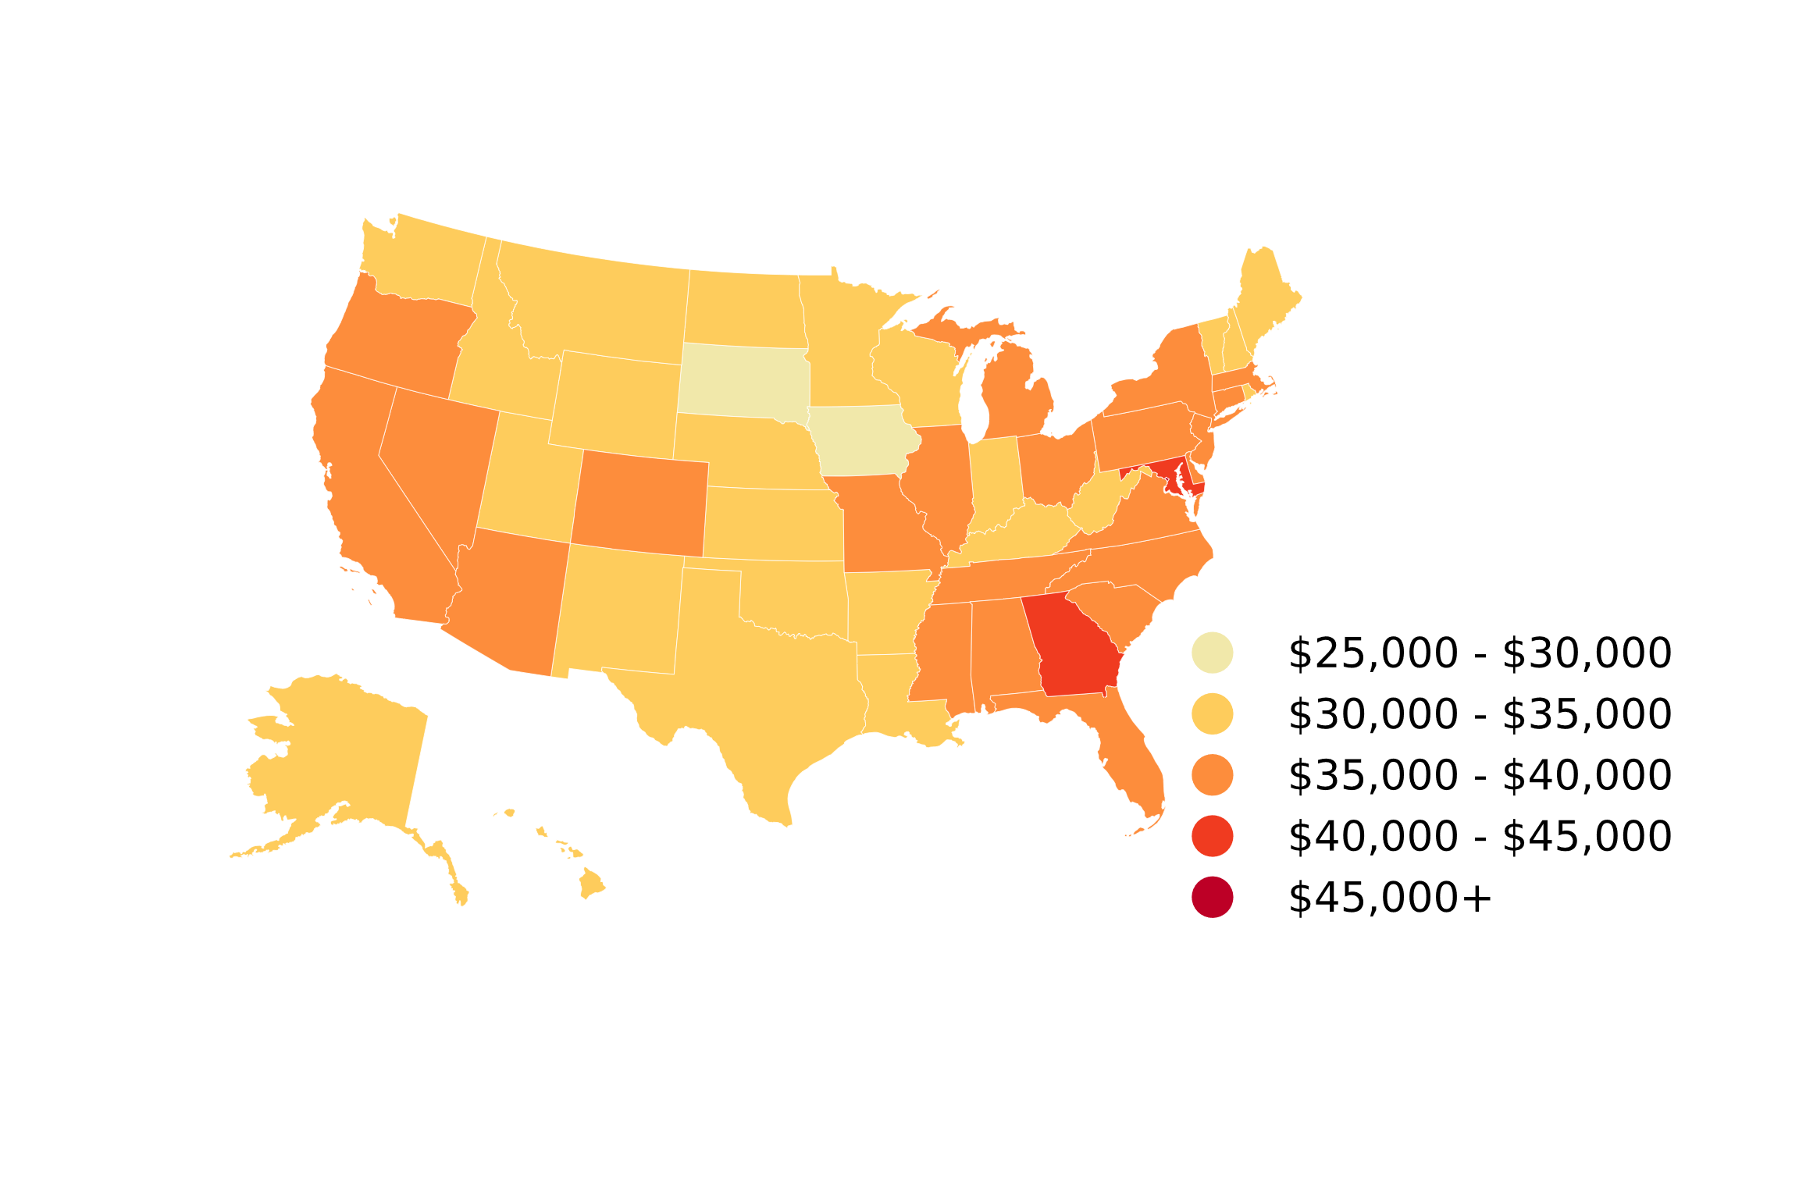
Average Student Loan Balance by State (2021Q4)
State | Total Borrowers | Total Balance (Billions) | Average Balance | Median Balance | Borrower Delinquency Rate*
Alaska | 70,600 | 2.148 | 30,427 | 15,106 | 6.9%
Alabama | 615,800 | 23.234 | 37,730 | 19,718 | 9.5%
Arkansas | 374,900 | 11.941 | 31,851 | 17,303 | 9.0%
Arizona | 872,600 | 32.009 | 36,682 | 17,818 | 8.7%
California | 4,021,200 | 151.932 | 37,783 | 17,019 | 7.1%
Colorado | 804,300 | 29.948 | 37,235 | 19,535 | 7.0%
Connecticut | 542,800 | 19.753 | 36,391 | 19,561 | 6.3%
District of Columbia | 125,000 | 6.721 | 53,769 | 26,530 | 7.8%
Delaware | 137,300 | 5.387 | 39,238 | 19,636 | 6.8%
Florida | 2,646,400 | 102.290 | 38,653 | 19,246 | 8.2%
Georgia | 1,641,600 | 68.661 | 41,826 | 21,965 | 9.4%
Hawaii | 123,600 | 4.278 | 34,608 | 17,709 | 7.7%
Iowa | 465,500 | 13.893 | 29,845 | 16,750 | 7.6%
Idaho | 219,400 | 7.503 | 34,196 | 18,339 | 6.5%
Illinois | 1,713,900 | 64.904 | 37,869 | 19,391 | 6.7%
Indiana | 924,000 | 29.610 | 32,045 | 17,642 | 9.4%
Kansas | 395,200 | 13.419 | 33,954 | 18,670 | 7.7%
Kentucky | 588,800 | 19.522 | 33,155 | 18,219 | 10.0%
Louisiana | 644,600 | 22.457 | 34,839 | 17,588 | 9.3%
Source: New York Fed Consumer Credit Panel / Equifax
Massachusetts | 1,046,800 | 37.057 | 35,400 | 18,400 | 4.9%
Maryland | 864,700 | 36.787 | 42,543 | 21,779 | 6.8%
Maine | 203,200 | 6.824 | 33,584 | 17,654 | 5.9%

Median Student Loan Balance by State (2021Q4)
Michigan | 1,430,900 | 51.829 | 36,221 | 19,412 | 7.9%
Minnesota | 902,500 | 29.928 | 33,161 | 18,645 | 5.8%
Missouri | 829,100 | 29.097 | 35,095 | 19,240 | 8.1%
Mississippi | 414,300 | 15.067 | 36,366 | 17,613 | 10.7%
Montana | 132,900 | 4.314 | 32,459 | 16,924 | 5.6%
North Carolina | 1,340,500 | 50.283 | 37,511 | 20,643 | 8.0%
North Dakota | 114,000 | 3.482 | 30,542 | 15,738 | 5.0%
Nebraska | 261,000 | 8.235 | 31,551 | 17,413 | 4.8%
New Hampshire | 219,000 | 7.248 | 33,094 | 17,648 | 4.8%
New Jersey | 1,339,800 | 49.577 | 37,003 | 19,253 | 5.8%
New Mexico | 215,500 | 7.099 | 32,944 | 16,923 | 8.7%
Nevada | 351,300 | 12.537 | 35,688 | 16,554 | 9.8%
New York | 2,579,600 | 99.748 | 38,668 | 19,647 | 4.9%
Ohio | 1,810,900 | 64.842 | 35,806 | 20,224 | 8.2%
Oklahoma | 480,800 | 15.434 | 32,102 | 16,729 | 9.6%
Oregon | 556,000 | 21.266 | 38,248 | 20,525 | 8.3%
Pennsylvania | 2,032,400 | 71.843 | 35,349 | 19,757 | 7.2%
Rhode Island | 153,200 | 5.184 | 33,838 | 17,014 | 6.1%
Source: New York Fed Consumer Credit Panel / Equifax
South Carolina | 745,500 | 27.358 | 36,698 | 20,000 | 9.1%
South Dakota | 135,600 | 3.826 | 28,218 | 15,865 | 5.3%
Tennessee | 872,000 | 31.527 | 36,155 | 19,714 | 9.0%
Texas | 3,759,300 | 124.051 | 32,998 | 16,985 | 8.5%
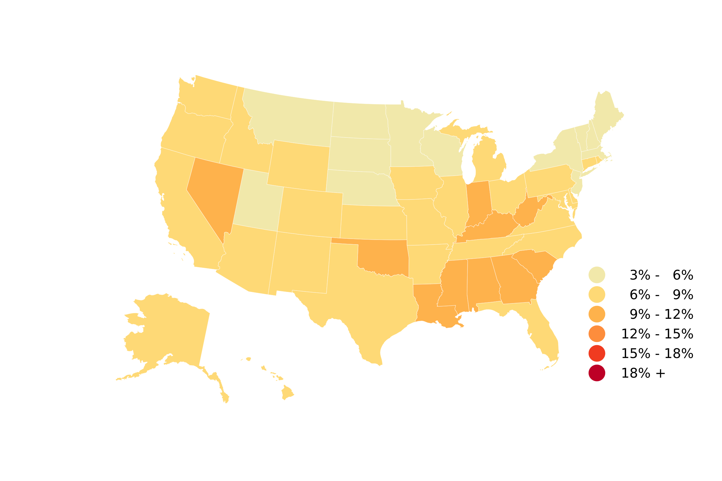
Utah | 325,100 | 10.882 | 33,474 | 16,260 | 5.8%
Borrower Delinquency Rate by State (2021Q4)
Virginia | 1,143,200 | 44.586 | 39,001 | 20,966 | 6.4%
Vermont | 96,300 | 3.332 | 34,595 | 18,549 | 5.0%
Washington | 816,900 | 28.466 | 34,846 | 17,781 | 6.3%
Wisconsin | 785,600 | 24.732 | 31,482 | 17,037 | 6.0%
West Virginia | 217,200 | 6.997 | 32,214 | 18,273 | 11.0%
Wyoming | 57,600 | 1.761 | 30,581 | 14,634 | 6.6%

Puerto Rico | 286,500 | 9.128 | 31,861 | 12,645 | 10.1%

* The borrower delinquency rate is the share of borrowers who have at least one student loan 90+ days delinquent or in default. A delinquent loan that is jointly-held by multiple borrowers counts against each borrower.

Source: New York Fed Consumer Credit Panel / Equifax

