Ark1
n | 10
count | 5

doWork01

CLAUS | Windows |  |  | MADS | MAC
IDE |  | CMD |  | IDE |  | CMD
MEAN | STD | MEAN | STD | MEAN | STD | MEAN | STD
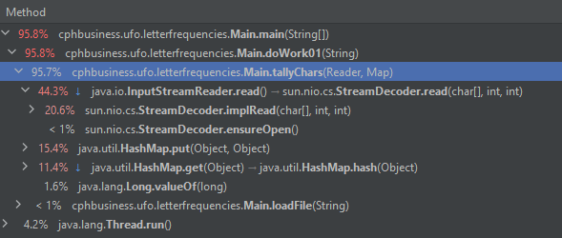
150.1 | 62.343 | 109 | 34.887 | 92.6 | 33.999 | 66.2 | 13.76
106 | 1.924 | 75 | 3.043 | 68.9 | 4.305 | 60 | 3.889
108.7 | 3.437 | 78.8 | 8.862 | 65.5 | 2.391 | 58 | 1.479
107.5 | 3.332 | 100.9 | 2.679 | 65.9 | 7.621 | 58.9 | 2.112
107.3 | 3.421 | 103 | 6.691 | 64.1 | 1.631 | 58 | 1.806
112.1 | 13.55 | 72.8 | 3.078 | 64.2 | 1.604 | 57.8 | 0.703
107.9 | 2.414 | 76.1 | 3.98 | 63.9 | 2.413 | 57.7 | 1.602
107.3 | 2.794 | 75.2 | 2.656 | 65 | 2.396 | 58.1 | 1.433
126.6 | 19.302 | 75.4 | 2.172 | 64.4 | 2.02 | 56.2 | 0.65
127.7 | 21.052 | 75.1 | 3.6 | 67.3 | 3.036 | 56.6 | 1.231

doWork02 | (byte arrays med 128 eller 256 pladser formentlig bedst.)

70.2 | 29.348 | 47.4 | 16.309 | 57 | 38.257 | 28.3 | 14.875
39.8 | 2.386 | 36.3 | 1.591 | 24.1 | 2.47 | 21.7 | 3.009
39.3 | 1.941 | 36.8 | 1.23 | 25.5 | 6.308 | 21.7 | 2.113
40.3 | 1.841 | 36.4 | 1.7 | 23.3 | 1.693 | 20.2 | 2.043
39.9 | 1.976 | 36.1 | 1.337 | 24 | 2.146 | 19.6 | 0.805
40.1 | 1.612 | 37.3 | 2.13 | 25.2 | 3.071 | 21.2 | 2.038
39.5 | 2.444 | 36.8 | 1.228 | 22.7 | 1.435 | 20.2 | 1.442
39.3 | 1.635 | 36.6 | 1.319 | 21.8 | 2.286 | 20.3 | 1.278
40 | 2.716 | 36.4 | 1.339 | 22.3 | 1.896 | 21.1 | 4.408
39.2 | 1.319 | 36.3 | 2.546 | 22.2 | 1.308 | 22.3 | 6.498

doWork03 | Buffered Input Stream
94.4 | 34.442 | 72.9 | 11.295 | 70.1 | 27.286 | 38.3 | 10.292
65.7 | 2.01 | 40.8 | 10.275 | 58.7 | 17.66 | 34.7 | 0.538
66.4 | 2.453 | 36.5 | 0.47 | 42.7 | 2.101 | 34.2 | 0.69
65.9 | 2.172 | 36.6 | 1.751 | 47 | 7.728 | 34.5 | 0.616
65.3 | 2.375 | 36.6 | 1.53 | 46.7 | 13.627 | 34.7 | 0.73
65.3 | 2.101 | 36.7 | 1.65 | 40.8 | 2.056 | 34.6 | 0.607
67.3 | 3.826 | 36 | 1.182 | 39.8 | 1.612 | 34.8 | 0.493
65.1 | 1.357 | 36.2 | 1.334 | 39.9 | 1.2 | 34.7 | 0.598
65.8 | 1.715 | 36.1 | 0.958 | 39.9 | 1.685 | 34.6 | 0.568
65.6 | 2.218 | 36.4 | 1.359 | 38.7 | 2.803 | 34.8 | 0.703

