Sheet1
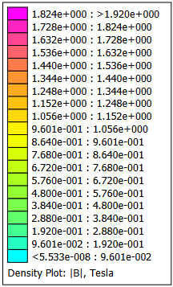
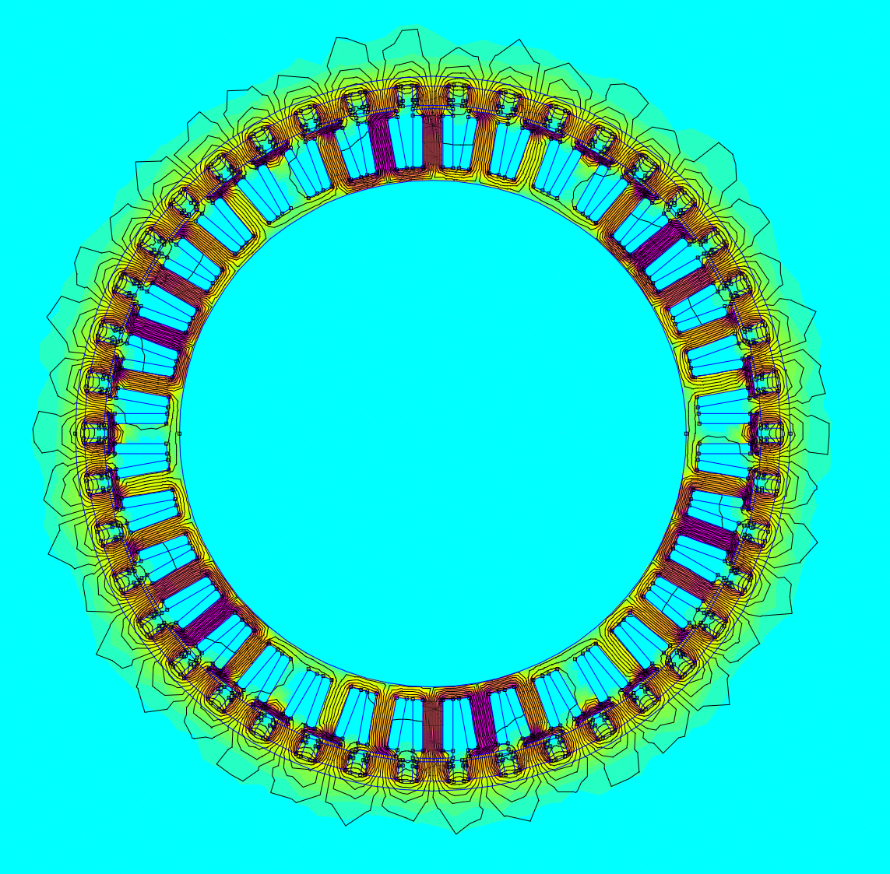
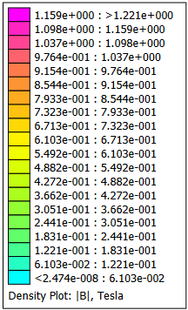
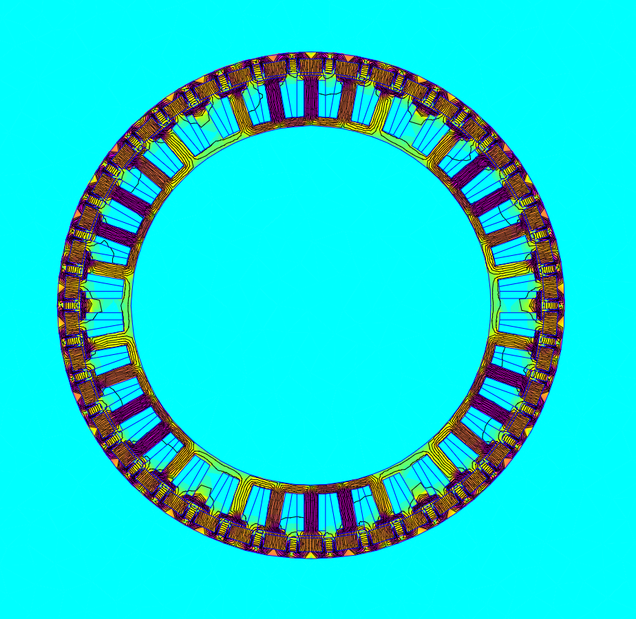
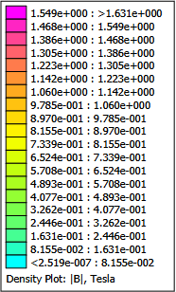
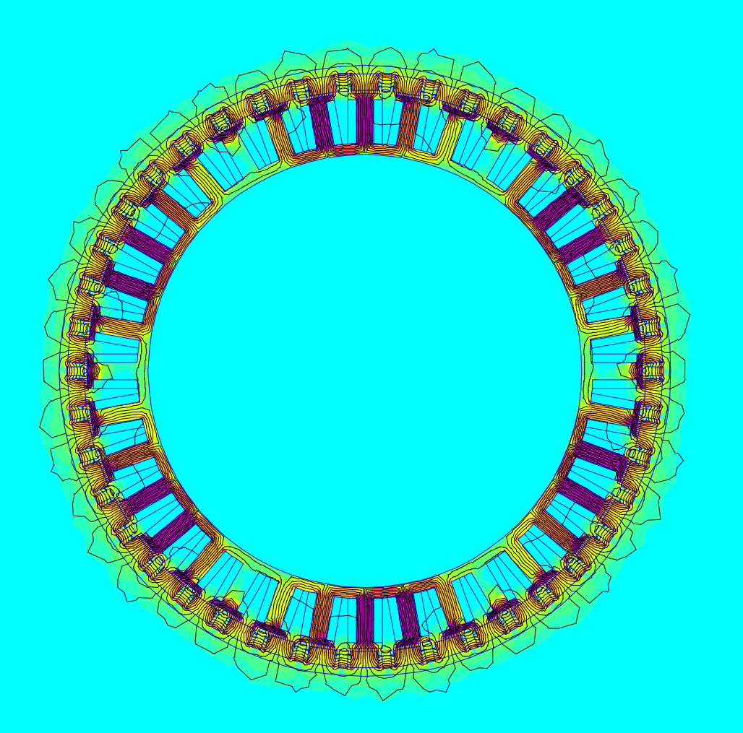
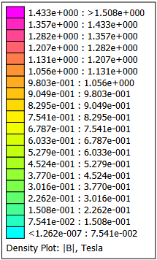
FEMM Results |  |  |  |  |  | AC Halbach Iron | AC Halbach Ironless
Rotor Configuration | AB Torque (N*m) | BC Torque (N*m) | AC Torque (N*m) | Average Torque (N*m) | % From Max
Halbach Iron | -0.915 | -0.310 | 1.824 | 1.017 | 100.000%
Halbach Ironless | -0.832 | -0.207 | 1.748 | 0.929 | 91.381%
No Halbach Iron | -0.953 | -0.293 | 1.540 | 0.928 | 91.328%
No Halbach Ironless | -0.791 | -0.243 | 1.175 | 0.737 | 72.455%

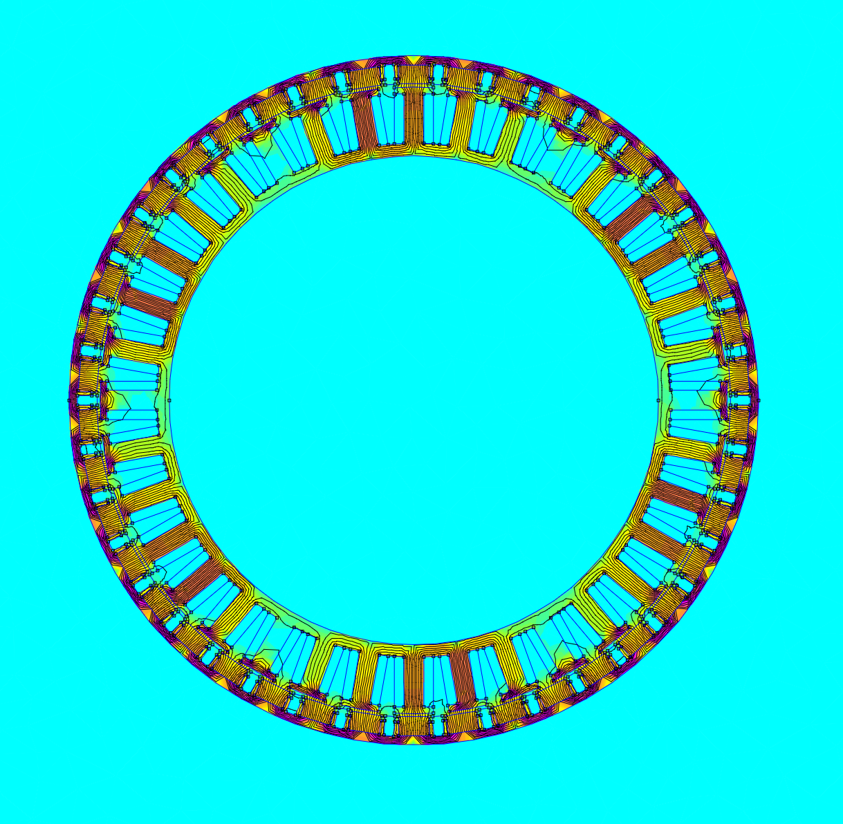
 |  |  |  |  |  | AC No Halbach Iron | AC No Halbach Ironless

