Input_ACEA
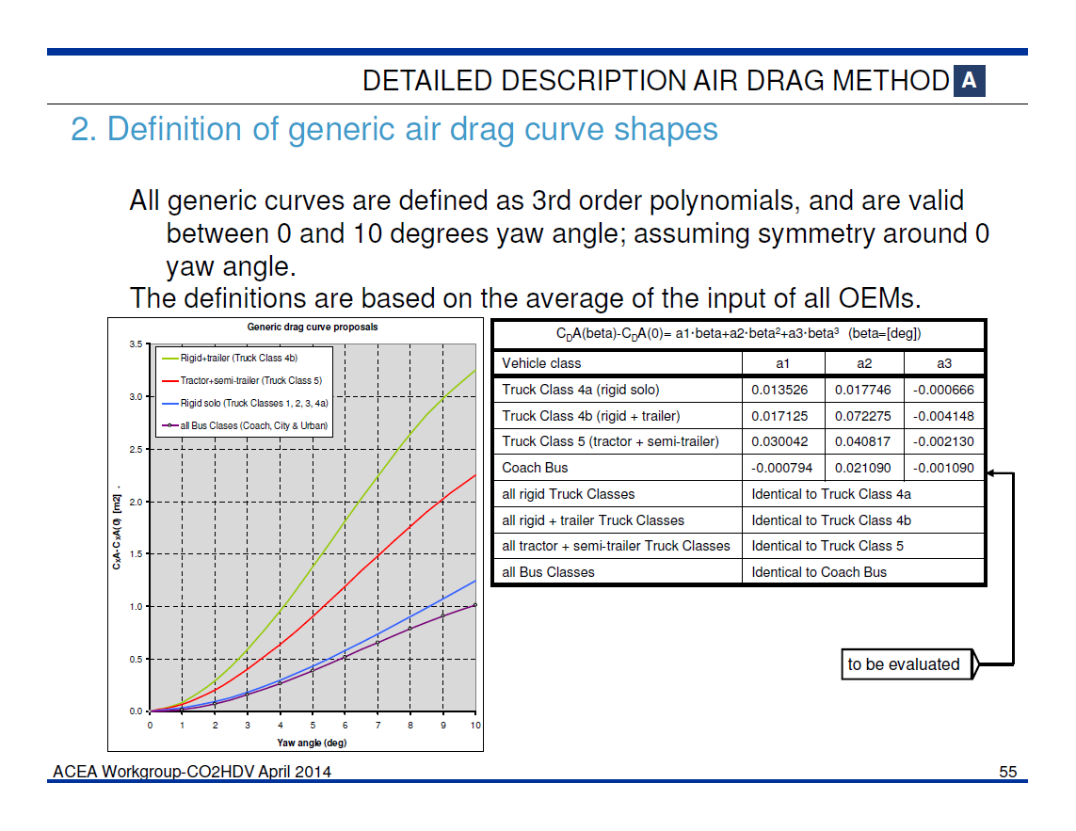
 | rigid (solo) | rigid & trailer | tractor & semitrailer | coach / bus
a1 | 0.013526 | 0.017125 | 0.030042 | -0.000794
a2 | 0.017746 | 0.072275 | 0.040817 | 0.021090
a3 | -0.000666 | -0.004148 | -0.002130 | -0.001090

beta | delta CdxA | delta CdxA | delta CdxA | delta CdxA
0 | 0.000 | 0.000 | 0.000 | 0.000
1 | 0.031 | 0.085 | 0.069 | 0.019
2 | 0.093 | 0.290 | 0.206 | 0.074
3 | 0.182 | 0.590 | 0.400 | 0.158
4 | 0.295 | 0.959 | 0.637 | 0.265
5 | 0.428 | 1.374 | 0.904 | 0.387
6 | 0.576 | 1.809 | 1.190 | 0.519
7 | 0.736 | 2.239 | 1.480 | 0.654
8 | 0.903 | 2.639 | 1.762 | 0.785
9 | 1.074 | 2.985 | 2.024 | 0.907
10 | 1.244 | 3.251 | 2.252 | 1.011

