Legend
OMNIA model
Document type: | Base Scenario Template
Region: | Global
Sector: | Transport | TRA
Base-year | 2019
Original developer: | E4SMA S.r.l.
 | Imperial College London
Document description: | This template holds the structure of the Final Energy Consumption in the Transport sector
Version: | 1.0
Date: | 2025-07-30
Model repository:
Licence: | CC BY-NC-SA 4.0 (unless specified otherwise)
 | https://creativecommons.org/licenses/by-nc-sa/4.0/

Conventions
Cell colour legend
aaa | Model input
aaa | Model input based on own assumptions
 | Calculated value (not recommended to directly modify)

Tab colour legend
 | VEDA-TIMES data input tables
 | Energy balance breakdown and other elaborations
 | External data sources

Table of contents
Sheet | Description
Key Inputs 1_BY EB | Base-year energy balance breakdown for the sector
Key Inputs 2_BY Road | List of key input assumption and calculations for base-year vechile stock
Key Inputs 3_NT Road | List of key input assumption and calculations for new technology options for Road
Key Inputs 4_Non-Road | List of key input assumption and calculations for non-road technology options
Commodities | Veda inputs: Definition of sector commodities
Fuel Techs | Veda inputs: Description of the sectoral infrastructure technologies (fuel techs)
Road_BY Techs | Veda inputs: Characterization of Road base-year technologies
Road New Tech | Veda inputs: Characterization of new road technology options
Non-Road_Techs | Veda inputs: Characterization of non-road technologies
Demands | Veda inputs: Base-year demands

Conversion factors
Conversion ktoe to PJ | 0.041868
Conversion GWh to PJ | 0.0036
Conversion miles to km | 1.61
EUR2015 | 1.28 | USD2021

Codes for processes and commodities names
Dimension | Code | Notes
Sub-sectors
Road | ROA
Light-duty vehicles | LDV
Cars | CAR | sub-group of LDVs
Light commercial vehicles | LCV | sub-group of LDVs
Trucks | TRK
Medium-duty trucks | MDT | sub-group of Road Freight
Heavy-duty trucks | HDT | sub-group of Road Freight
Other modes
Motorbikes | MOT | sub-group of Others
Buses | BUS | sub-group of Others
Rail | RAI
Passenger | RAP
Passenger high speed | RAH
Freight | RAF
Navigation | NAV
Domestic | NADS | Short
Domestic | NADL | Long
Domestic | NADP | Passenger
Bunkers | NABS | Short
Bunkers | NABL | Long
Bunkers | NABP | Passenger
Aviation | AVI
Domestic | AVDS | Short
Domestic | AVDL | Long
Bunkers | AVBS | Short
Bunkers | AVBL | Long
Others non-specified | OTH
Technology types
Internal Combustion Engine | ICE | Conventional (internal combustion) engine
Hybrid | HYB
Plug-in Hybrid | PIH
Battery Electric | BEV | BEV: Battery Electric Vehicle
Fuel Cell | FC
Fuel types
Biodiesel | TRABDL
Biogasoline | TRABGL
Biogas | TRABGS
Biomass | TRABIO
Biokerosene | TRABKR
Coal | TRACOA | Solid fossil fuels
Diesel | TRADSL | Pure diesel
Electricity | TRAELC
Natural gas | TRAGAS | Compressed natural gas
Gasoline | TRAGSL | Pure gasoline
Heavy fuel oil | TRAHFO
Kerosene | TRAKER | Incl. jet kerosene
Liquefied petroleum gas | TRALPG
Others | TRAOTH | mainly petroleum products
Gaseous hydrogen | TRAH2G
Liquid hydrogen | TRAH2L
Ammonia | TRAAMM
Synfuel (H2 derived) | TRAH2F
Synthetic diesel | TRAEFUD
Synthetic aviojet | TRAEFUJ
Emissions
CO2eq | TRACO2e | CO2 equivalent: includes all GHG (e.g. CO2, CH4, N2O)
CO2 | TRACO2 | Carbon dioxide
CH4 | TRACH4 | Methane
N2O | TRAN2O | Nitrous oxide

Sources
Component | Source n. | Source | Access
Transport energy balance | S1 | UNSD Energy Balance and statistics | Public
LDVs stocks & vkm | S4 | OICA | Public
New technologies | S11 | EU Reference scenario 2020 - technology assumptions | Public

Sector structure (high-level Reference Energy System)
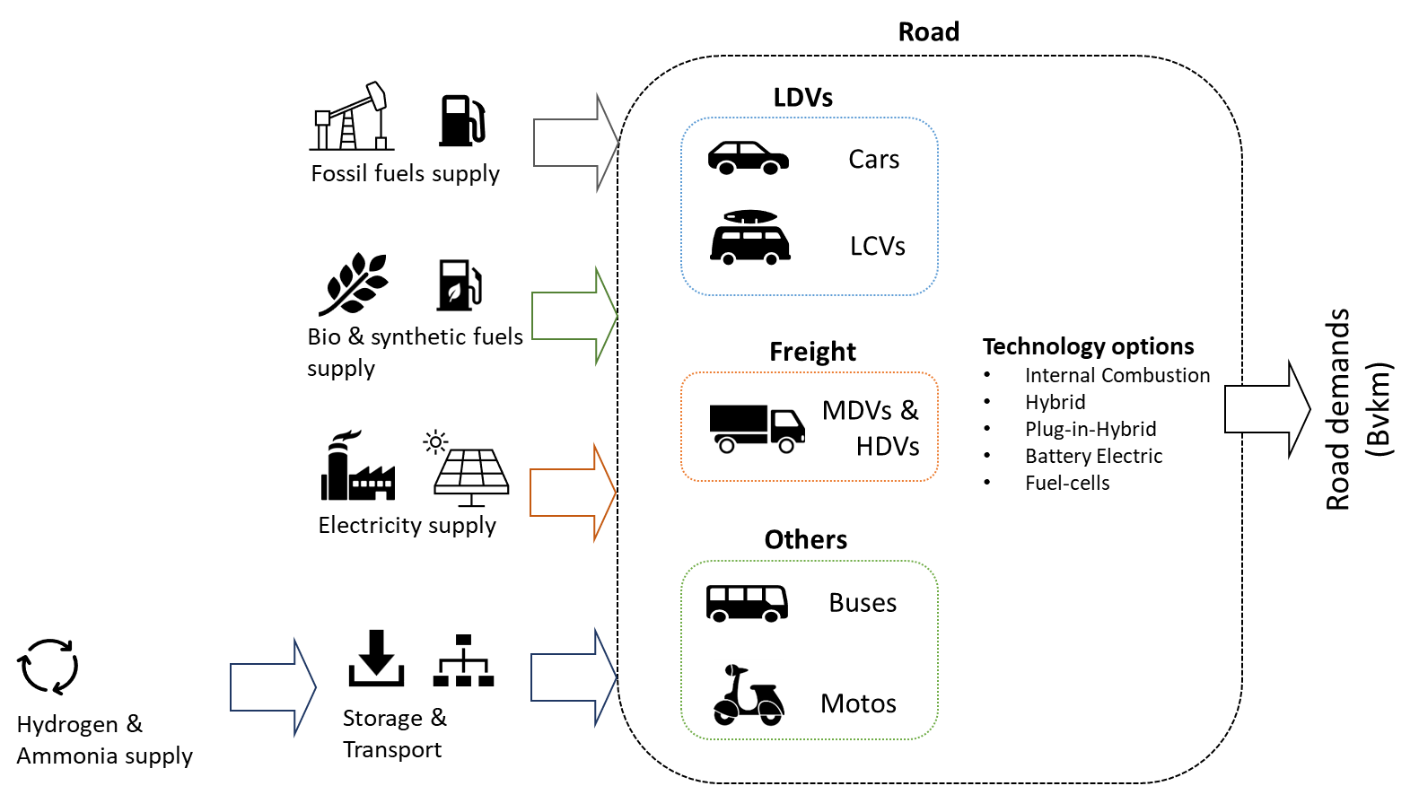

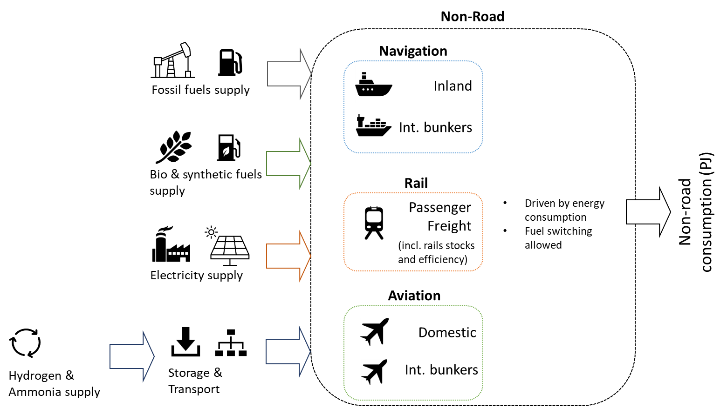

Model regions
Model regions | Description | List of countries
AFE | Eastern Africa | Ethiopia, Kenya, Sudan, Mauritius, Eritrea, South Sudan, Burundi, Comoros, Djibouti, Madagascar, Reunion, Rwanda, Somalia, Uganda, Seychelles, United Republic of Tanzania
AFN | Northern Africa | Egypt, Algeria, Morocco, Libya, Tunisia
AFW | Western Africa | Democratic Republic of the Congo, Côte d’Ivoire, Ghana, Cameroon, Gabon, Benin, Senegal, Togo, Niger, Congo, Burkina Faso, Cabo Verde, Central African Republic, Chad, Equatorial Guinea, Gambia, Guinea, Guinea-Bissau, Liberia, Malawi, Mali, Mauritania, Sao Tome and Principe, Sierra Leone
AFZ | Southern Africa | Angola, Mozambique, Zimbabwe, Zambia, Botswana, Namibia, South Africa, Eswatini, Lesotho
ANZ | Australia and New Zealand | Australia, New Zealand
ASC | Central Asia | Kazakhstan, Uzbekistan, Turkmenistan, Azerbaijan, Mongolia, Georgia, Kyrgyzstan, Armenia, Tajikistan, Afghanistan
ASE | Southeast Asia | Thailand, Malaysia, Singapore, Myanmar, Cambodia, Brunei Darussalam, Lao People's Democratic Republic, Democratic People's Republic of Korea, Cook Islands, Timor-Leste, Fiji, French Polynesia, Kiribati, New Caledonia, Palau, Papua New Guinea, American Samoa, Solomon Islands, Tonga, Vanuatu, Niue, Samoa, Wallis and Futuna Islands, Micronesia (Federated States of), Nauru, Tuvalu ,Northern Mariana Islands
ASO | South Asia | Bangladesh, Nepal, Sri Lanka, Pakistan, Bhutan, Maldives
BRA | Brazil | Brazil
CAN | Canada | Canada
CHL | Chile | Chile
CHN | China | China
ENE | Non-EU Eastern Europe | Ukraine, Belarus, Serbia, Bosnia and Herzegovina, Republic of Moldova, Republic of North Macedonia, Kosovo, Albania, Montenegro
ENW | Non-EU Western Europe | Norway-Svalbard and Jan Mayen Islands, Switzerland-Liechtenstein, Iceland, United Kingdom of Great Britain and Northern Ireland, Gibraltar, Saint Helena, Liechtenstein
EUE | Eastern Europe Union | Poland, Czechia, Romania, Hungary, Bulgaria, Slovakia, Croatia, Lithuania, Slovenia, Estonia, Latvia
EUM | Mediterranean- Europe Union | France-Monaco, Italy-San Marino, Spain, Greece, Portugal, Cyprus, Malta
EUW | Western Europe Union | Germany, Netherlands, Belgium, Sweden, Austria, Finland, Denmark, Ireland, Luxembourg, Greenland, Faroe Islands, Andorra
IDN | Indonesia, Philippines, Vietnam | Indonesia, Philippines, Viet Nam
IND | India | India
JPN | Japan | Japan
LAM | Latin America | Argentina, Venezuela (Bolivarian Republic of), Colombia, Peru, Trinidad and Tobago, Ecuador, Guatemala, Cuba, Bolivia (Plurinational State of), Dominican Republic, Honduras, Paraguay, Uruguay, Costa Rica, El Salvador, Haiti, Panama, Nicaragua, Jamaica, Curaçao, Suriname, Antigua and Barbuda, Aruba, Bahamas, Barbados, Belize, Bermuda, British Virgin Islands, Cayman Islands, Dominica, Falkland Islands (Malvinas), Guyana, Grenada, Guadeloupe, Cooperative Republic of Guyana, Martinique, Montserrat, Puerto Rico, Saba, Bonaire, Sint Eustatius and Saba, Saint Kitts and Nevis, Saint Lucia, Saint Pierre and Miquelon, Saint Vincent and the Grenadines, Saint Martin, Turks and Caicos Islands, Sint Maarten (Dutch part), Anguilla
MDA | Mediterranean Asia | Turkey, Israel, Syrian Arab Republic, Jordan, Lebanon, State of Palestine
MEA | Middle East (Gulf States) | Iran (Islamic Republic of), Saudi Arabia, United Arab Emirates, Iraq, Qatar, Kuwait, Oman, Bahrain, Yemen
MEX | Mexico | Mexico
NIG | Nigeria | Nigeria
RUS | Russia Federation | Russia Federation
SKT | South Korea | Republic of Korea
USA | United States | United States

