S3
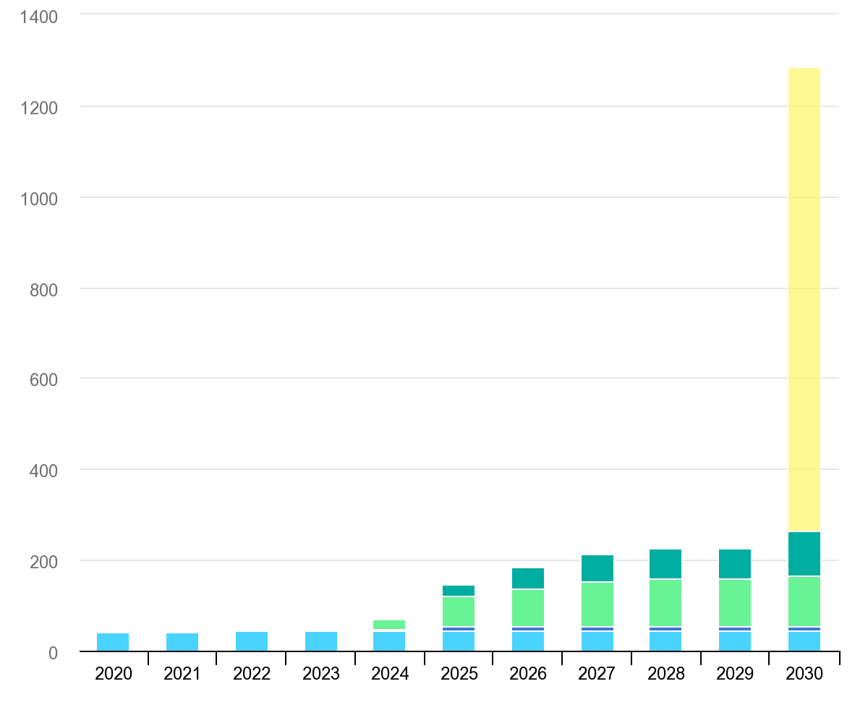
Capacity of large scale CO2 capture and storage systems
Source: IEA. Licence: CC BY 4.0
This data is subject to the IEA's terms and conditions: https://www.iea.org/t_c/termsandconditions/
Units: MtCO2/year
 | Operating | Under construction | Advanced development | Concept and feasibility | NZE
2020 | 40.8 | 0 | 0 | 0 | 0
2021 | 41.93 | 0 | 0 | 0 | 0
2022 | 44.29 | 0 | 0 | 0 | 0
2023 | 44.29 | 1.2 | 2.84 | 2.5 | 0
2024 | 44.29 | 4.18 | 20.29 | 4.8 | 0
2025 | 44.29 | 8.68 | 69.24 | 25.65 | 0
2026 | 44.29 | 8.68 | 85.34 | 46.45 | 0
2027 | 44.29 | 8.68 | 100.04 | 59.48 | 0
2028 | 44.29 | 8.68 | 105.54 | 67.14 | 0
2029 | 44.29 | 8.68 | 105.54 | 67.99 | 0
2030 | 44.29 | 8.68 | 113.24 | 99.04 | 1286.12

S4
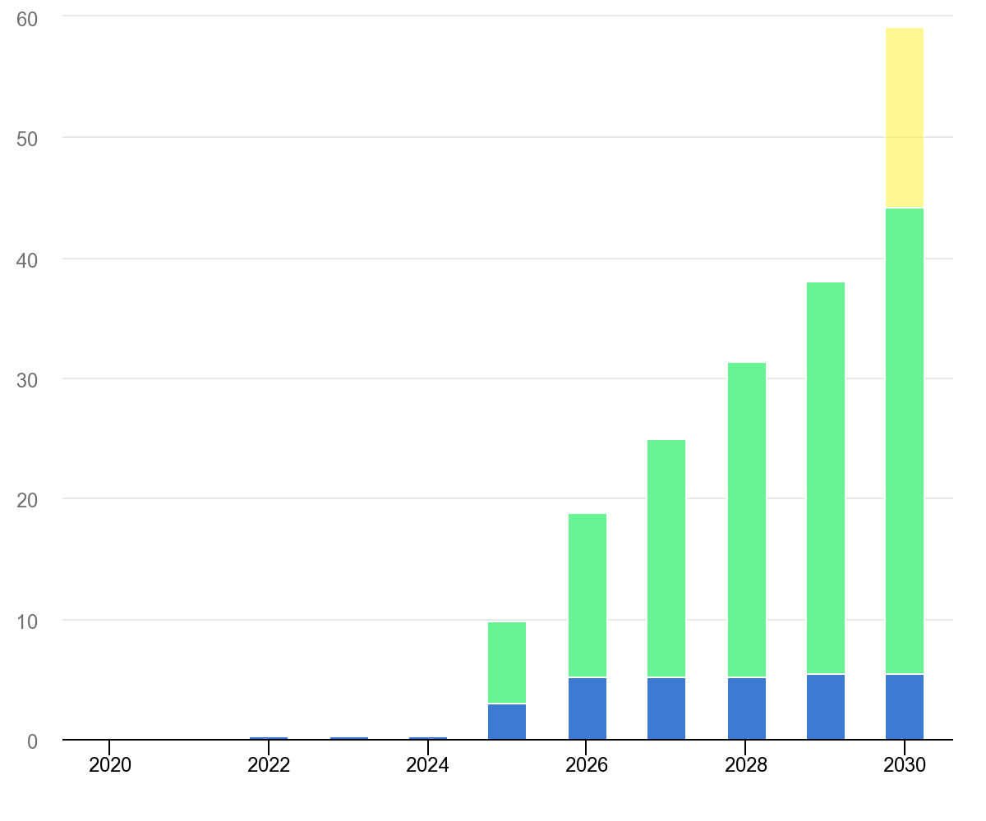
CO2 capture by Direct Air Capture systems
Source: IEA. Licence: CC BY 4.0
This data is subject to the IEA's terms and conditions: https://www.iea.org/t_c/termsandconditions/
Units: Mt CO2
 | Operating capacity | Advanced development | Early development | NZE
2020 | 0.004 |  |  | 0
2021 | 0.008 |  |  | 0
2022 | 0.008 | 0.2 |  | 0
2023 | 0.008 | 0.3 |  | 0
2024 | 0.008 | 0.3 |  | 0
2025 | 0.008 | 3 | 6.8 | 0
2026 | 0.008 | 5.2 | 13.6 | 0
2027 | 0.008 | 5.2 | 19.8 | 0
2028 | 0.008 | 5.2 | 26.1 | 0
2029 | 0.008 | 5.5 | 32.5 | 0
2030 | 0.008 | 5.5 | 38.7 | 59.2

S6
Global CO2 capture from biomass and Dac and in the Net Zero Scenario

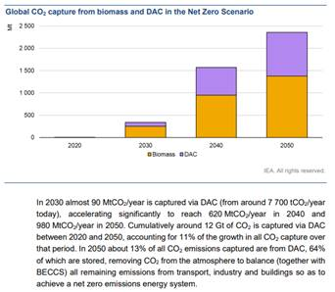

 |  |  | IEA report on DACs

 | Share of DAC on CO2 captures emissions | 8%

