Region-Time Slices
Model base year workbook name, model regions and timeslices

~BookRegions_Map |  |  | ~TimeSlices |  | Legend
BookName | Region | Full name | Season | DayNite | Season | Daynite
OMNIA | AFE | Eastern Africa | Q1 | B1 | Q1: January to March | B1: block 1 (h01 to h05)
 | AFN | Northern Africa | Q2 | B2 | Q2: April to June | B2: block 2 (h06 to h09)
 | AFW | Western Africa | Q3 | B3 | Q3: July to September | B3: block 3 (h10 to h14)
 | AFZ | Southern Africa | Q4 | B4 | Q4: October to December | B4: block 4 (h15 to h19)
 | ANZ | Australia and New Zealand |  | B5 |  | B5: block 5 (h20 to h24)
 | ASC | Central Asia
 | ASE | Southeast Asia
 | ASO | South Asia
~BookRegions_Map is used to define:
- the workbook name (cells B5 and B6); the name must be the same for each base year template workbook VT_REG1_<sector>_<version> (for REG1);
- the list of region names (cell E5,6,,...) maps the names used in the B-Y templates to the model regions: in this case REG1 and REG2.
 | BRA | Brazil
 | CAN | Canada
 | CHL | Chile
 | CHN | China
 | ENE | Non-EU Eastern Europe
 | ENW | Non-EU Western Europe
 | EUE | Eastern Europe Union
 | EUM | Mediterranean- Europe Union
~TimeSlices is used to define:
- the time-slices resolution for the model, by declaring the elements of each time-slice. In the column-SEASON, WEEKLY and DAYNITE.
 | EUW | Western Europe Union
 | IDN | Indonesia, Philippines, Vietnam
 | IND | India
 | JPN | Japan
 | LAM | Latin America
 | MDA | Mediterranean Asia
 | MEA | Middle East (Gulf States)
 | MEX | Mexico
 | NIG | Nigeria
 | RUS | Russia Federation
 | SKT | South Korea, Taiwan
 | USA | United States

TimePeriods
~DefaultYear is used to define:
- year to be used by default. This is optional, which defaults to StartYear.
~StartYear is used to define:
- the start year of the model (2005);
~ActivePDef is used to define:
- the set of active periods. Alternate period definitions can be made and the active one is declared under the tag ~ActiveDef.
~TimePeriods is used to define:
- the time horizon of the model for the ActivePdef. In this example two period definitions (Pdef-1 and Pdef-5)
- For Pdef-1 the number of years for the start year (first period is 1 year long), the second period has 2 years.
~StartYear | ~DefaultYear | ~ActivePDef | ~TimePeriods | ~Milestoneyears
2019 | 2019 | P2100-13 | P2100-13 | type | P2100-12 | Omnia-Test
 |  |  | 1 | Endyear | 2102 | 2052
 |  |  | 6 | milestoneyear | 2019 | 2019
 |  |  | 3 | milestoneyear | 2025 | 2020
 |  |  | 5 | milestoneyear | 2030 | 2025
 |  |  | 5 | milestoneyear | 2035 | 2030
 |  |  | 5 | milestoneyear | 2040 | 2035
 |  |  | 5 | milestoneyear | 2045 | 2040
 |  |  | 6 | milestoneyear | 2050 | 2050
 |  |  | 13 | milestoneyear | 2060
 |  |  | 8 | milestoneyear | 2070
 |  |  | 11 | milestoneyear | 2080
 |  |  | 10 | milestoneyear | 2090
 |  |  | 10 | milestoneyear | 2100

 |  |  |  |  |  |  | Period summary |  |  |  | Period summary
 |  |  |  |  |  |  | Length | Start | Milestone year | End | Length | Start | Milestone year | End
 |  |  |  |  |  |  | 1 | 2019 | 2019 | 2019 | 1 | 2019 |  | 2019
 |  |  |  |  |  |  | 6 | 2020 | 2022 | 2025 | 1 | 2020 | 2020 | 2020
 |  |  |  |  |  |  | 3 | 2026 | 2027 | 2028 | 1 | 2021 | 2021 | 2021
 |  |  |  |  |  |  | 5 | 2029 | 2031 | 2033 | 4 | 2022 | 2023 | 2025
 |  |  |  |  |  |  | 5 | 2034 | 2036 | 2038 | 11 | 2025 | 2030 | 2035
 |  |  |  |  |  |  | 5 | 2039 | 2041 | 2043 | 20 | 2041 | 2050 | 2060
 |  |  |  |  |  |  | 5 | 2044 | 2046 | 2048
 |  |  |  |  |  |  | 6 | 2049 | 2051 | 2054
 |  |  |  |  |  |  | 13 | 2055 | 2061 | 2067
 |  |  |  |  |  |  | 8 | 2068 | 2071 | 2075
 |  |  |  |  |  |  | 11 | 2076 | 2081 | 2086
 |  |  |  |  |  |  | 10 | 2087 | 2091 | 2096
 |  |  |  |  |  |  | 10 | 2097 | 2101 | 2106
 |  |  |  |  |  |  |  | 2107 | 2106 | 2106
 |  |  |  |  |  |  |  | 2107 | 2106 | 2106
 |  |  |  |  |  |  |  | 2107 | 2106 | 2106

Constat_Inter-Extra_Dummies
Constants
~TFM_INS
Attribute | \I: Notes | AllRegions | AFE | AFN | AFW | AFZ | ANZ | ASC | ASE | ASO | BRA | CAN | CHL | CHN | ENE | ENW | EUE | EUM | EUW | IDN | IND | JPN | LAM | MDA | MEA | MEX | NIG | RUS | SKT | USA
\I: TIMES attribute name |  |  | Eastern Africa | Northern Africa | Western Africa | Southern Africa | Australia and New Zealand | Central Asia | Southeast Asia | South Asia | Brazil | Canada | Chile | China | Non-EU Eastern Europe | Non-EU Western Europe | Eastern Europe Union | Mediterranean- Europe Union | Western Europe Union | Indonesia, Philippines, Vietnam | India | Japan | Latin America | Mediterranean Asia | Middle East (Gulf States) | Mexico | Nigeria | Russia Federation | South Korea, Taiwan | United States
G_DYEAR | Discounting year | 2019
Discount | General real discount rate | 5%

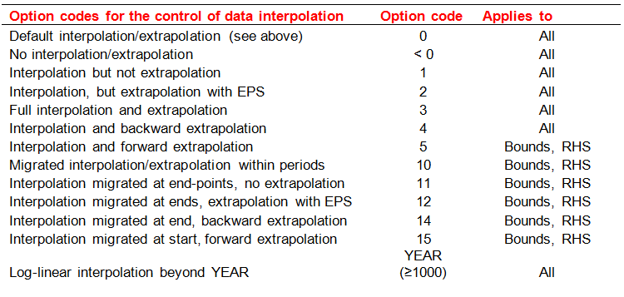
Interpolation/Extrapolation defaults
~TFM_MIG
TimeSlice | LimType | Attribute | Year2 | AllRegions | Pset_PN
\I: |  |  | Switch to enable interpolation/extrapolation | Interpolation rule | Technology Name
 | UP | ACT_BND | 0 | 5
 | UP | *ACT_BND | 0 | 1 | IMP*
 | FX | *ACT_BND | 0 | 5 | TRD-ELCC*
 | UP | Share-O | 0 | 5
 | UP | Share-I | 0 | 5
 | FX | Share-O | 0 | 5 | I*
 | FX | Share-I | 0 | 5 | I*
 | FX, UP, LO | FLO_FR | 0 | 5

~TFM_UPD is used to declare a table in SysSetting (and/or scenario file and/or _Trans files) which is a simple transformation to pre-existing data in a rule-based manner.
In this case case , the 1st block deals with setting the default interpolation rules (indicated by the 0 in the Yr column) for the parameter defined in the column attribute and all the processes defined in the model.
The 2nd block sets default prices (ACTCOST) for the “backstop” options for fuels (dummy IMPort technologies ending with “Z”) and demands (a dummy IMPDEMZ process that can feed any demand).
For more details see www.kanors-emr.com/vedasupport in "templates basic"or the getting started with VEDA-TIMES from pag.22
Dummy Imp Prices
~TFM_UPD
Attribute | AllRegions | Pset_Set | Pset_PN
\I: Unit | MUSD/PJ
ACTCOST | 33330 | IRE | IMP*Z
ACTCOST | 99990 | IRE | IMPDEMZ

Negative Emission Balances
This table will allow the commodities to have a negative balance
~TFM_INS
LimType | Attribute | Year | AllRegions | Cset_CN
LO | COM_BNDNET | 0 | 3 | PWRCO2, INDCO2, SUPCO2, PWRCO2e, INDCO2e, SUPCO2e, |  | Included only emissions for which we could expect a negative balance
LO | COM_BNDNET |  | -9,999,999 | PWRCO2, INDCO2, SUPCO2, PWRCO2e, INDCO2e, SUPCO2e, |  | Included only emissions for which we could expect a negative balance

Unit conversions
~UnitConversion
from_unit | to_unit | multiplier
PJ | PJ | 1
EJ | PJ | 1000
kWh | PJ | 3.6E-09
MWh | PJ | 0.0000036
GWh | PJ | 0.0036
TWh | PJ | 3.6
Mtoe | PJ | 41.868
ktoe | PJ | 0.041868
Bvkm | Bvkm | 1
Bpkm | Bpkm | 1
Btkm | Btkm | 1
kton | kton | 1
ton | kton | 0.001
Mton | kton | 1000
Gton | kton | 1000000
GW | GW | 1
MW | GW | 0.001
Munits | Munits | 1
kunits | Munits | 0.001
MUSD | MUSD | 1
USD | MUSD | 0.001
BUSD | MUSD | 1000
MUSD per kton | MUSD per kton | 1
MUSD per PJ | MUSD per PJ | 1
Cents per Kwh | MUSD per PJ | 2.78
1000 Vehicles | 1000 Vehicles | 1

Currencies_DefUnits
~Currencies is used :
- to define a default currency(ies) for the whole model
Currency for the model (default MUSD21)
~Currencies
Currency
MUSD21
MUSD20
MUSD19
MUSD18
MUSD17
MUSD16
MUSD15
MUSD14
MUSD13
MUSD12
MUSD11
MUSD10
MUSD09
MUSD08
MUSD07
MUSD06
MUSD05
MUSD04
MUSD03
MUSD02
MUSD01
MUSD00

Currency exchange rates
~TFM_INS
Attribute | CURR | Other_Indexes | AllRegions
\I: Attribute name | Currency name | Additional index | Value by region
G_CUREX | MUSD20 | MUSD21 | 0.92
G_CUREX | MUSD19 | MUSD21 | 0.93
G_CUREX | MUSD18 | MUSD21 | 0.94
G_CUREX | MUSD17 | MUSD21 | 0.97
G_CUREX | MUSD16 | MUSD21 | 0.99
G_CUREX | MUSD15 | MUSD21 | 1.00
G_CUREX | MUSD14 | MUSD21 | 1.00
G_CUREX | MUSD13 | MUSD21 | 1.02
G_CUREX | MUSD12 | MUSD21 | 1.03
G_CUREX | MUSD11 | MUSD21 | 1.05
G_CUREX | MUSD10 | MUSD21 | 1.09
G_CUREX | MUSD09 | MUSD21 | 1.10
G_CUREX | MUSD08 | MUSD21 | 1.10
G_CUREX | MUSD07 | MUSD21 | 1.14
G_CUREX | MUSD06 | MUSD21 | 1.18
G_CUREX | MUSD05 | MUSD21 | 1.21
G_CUREX | MUSD04 | MUSD21 | 1.25
G_CUREX | MUSD03 | MUSD21 | 1.29

Runfile Switches
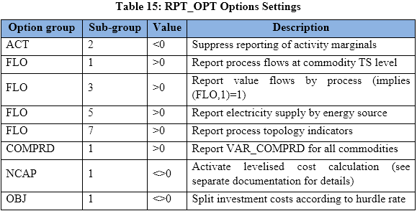
~TFM_INS
Attribute | Other_Indexes | AllRegions
RPT_OPT | NCAP~1 | 1
RPT_OPT | FLO~3 | 1
RPT_OPT | FLO~5 | 1
RPT_OPT | FLO~7 | 1
RPT_OPT | COMPRD~1 | 1
RPT_OPT | OBJ~1 | 1

