Legend
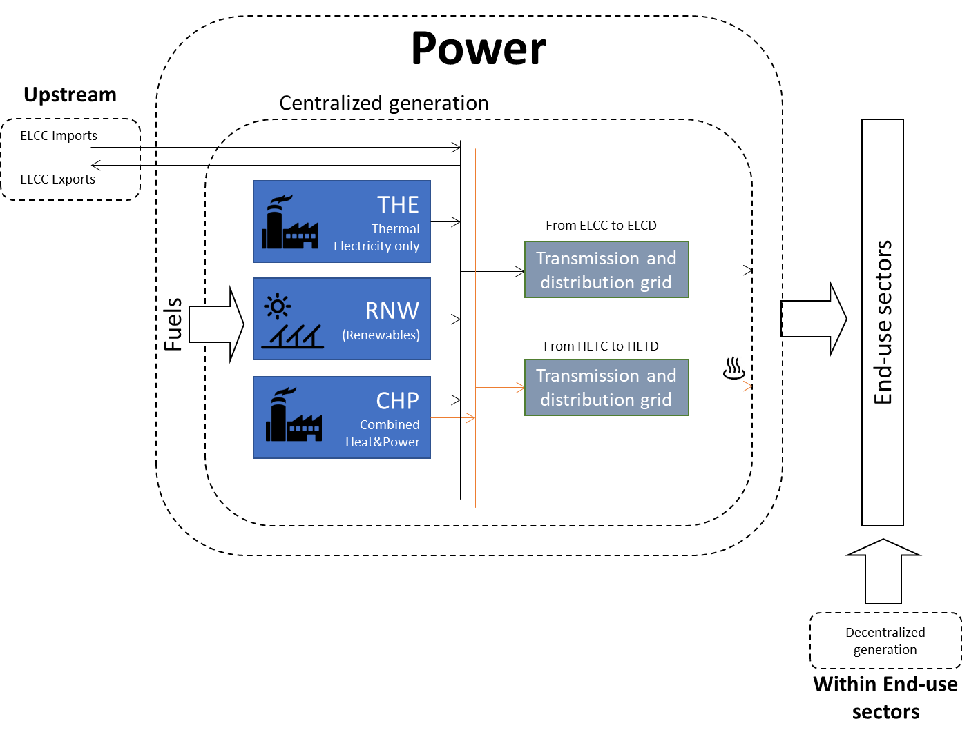
OMNIA Model
Document type: | Base Scenario Template
Region: | Global
Sector: | Power Electricity and Heat | PWR
Base-year | 2019
Developer: | E4SMA S.r.l.
Document description: | This template holds the structure of the Power sector
Version: | 1.0
Date | 2025-07-30
Model repository:
Licence: | CC BY-NC-SA 4.0 (unless specified otherwise)
 | https://creativecommons.org/licenses/by-nc-sa/4.0/

Cell colour legend
aaa | Model input
aaa | Model input based on own assumptions
 | Calculated value (not recommended to directly modify)

Tab colour legend
 | VEDA-TIMES data input tables
 | Energy balance breakdown and other elaborations
 | External data sources

Table of contents
Sheet | Description
Key inputs_Electricity EB | Energy balance elaboration of power sector
Key inputs_Heat EB | Energy balance elaboration of heat sector
Key inputs_BY Capacities | Elaborations to estimate capacities
Key inputs_NT | List of key input assumption and calculations for new technologies
Processes | Veda inputs: Definition of sector processes
Commodities | Veda inputs: Definition of sector commodities
Fuel Techs | Veda inputs: Description of the sectoral infrastructure technologies (fuel techs)
BY Techs_ELE | Veda inputs: Characterization of base-year electric-only plants (centralized & autoproducers)
BY Techs_CHP | Veda inputs: Characterization of base-year CHP plants (centralized & autoproducers)
BY Techs_HPL | Veda inputs: Characterization of base-year Heat-only plants (centralized & autoproducers)
New Techs_Fossil | Veda inputs: Characterization of future fossil technologies
New Techs_RNW | Veda inputs: Characterization of future renewable technologies
New Techs_HPL | Veda inputs: Characterization of future heat-only technologies
Grid Losses | Veda inputs: Characterization of transmission/distribution grid losses
Power_cap_elab | Power sector installed capacities elaboration
Processed UNSD data_power | Preliminary processing of UNSD electricity balances
Processed UNSD data_heat | Preliminary processing of UNSD heat balances
Raw UNSD elec balances | UNSD electricity balances
Raw heat balances | UNSD heat balances
EB_PWR_1 | Ancillary Energy Balance sheets
EB_PWR_2 | Ancillary Energy Balance sheets
Raw_avg plant age | Average plant life based on PLEXOS World plant database
Other_Assumptions | Assumptions used to calculate efficiencies and installed capacities of plants
EUREF2020 DB | Data source on new technologies from EC

Conversion Factors
From - To | Value
From MWh to GJ | 3.60
Conversion from EUR2015 to USD21 | 1.28

Reference currency
US Dollars (2021) | USD21

Codes for processes and commodities names
Energy Commodities
Description | Code | Note
Energy commodities
Coal | PWRCOA
Lignite | PWRCOL
Diesel | PWRDSL
Crude oil | PWRCRD
Oil | PWROIL
Natural gas | PWRGAS
Manufactured gas | PWRGAM
Solid biofuels | PWRBIO
Liquid biofuels | PWRBLQ
Biogas | PWRBGS
Waste | PWRWAS
Nuclear | PWRNUC
Geothermal | PWRGEO
Hydro | PWRHYD
Wind | PWRWON | onshore
Wind | PWRWOF | offshore
Solar | PWRSOL
Ocean | PWROCE
Hydrogen | PWRH2G
NG-H2 blend | PWRH2B | H2B
Ammonia | PWRAMM | AMM
Electricity | PWRELC | Electricity consumed in heat plants
Electricity | ELCC | Centralized electricity
Electricity | ELCD | Decentralized electricity
Heat | HETC | Centralized heat
Heat | HETD | Decentralized heat
Grid technology
Transmission and distribution grid | TD-GRID
Plant Type
Thermal electricity plant | THE
Combined heat & power | CHP
Renewable | RNW
Heating Plant | HPL
Storage | STG
Technology Type
Generic Plant | GP
Boiler | BL
Steam Turbine | ST
Steam Turbine + CCS | ST-CCS
Combined Cycle | CC
Combined Cycle + CCS | CC-CCS
Gas Turbine | GT
Engine | EN
Fuel cell | FC
Dam | HD
Pumped | HP
Run-of-River | HR
Offshore | OF
Onshore | ON
Photovoltaic | PV
Concentrated | CS
Tidal/Wave | TW
Emission Commodities
CH4 emissions | PWRCH4 | Methane
N2O emissions | PWRN2O | Nitrous oxide
CO2 emissions | PWRCO2 | Carbon dioxide
CO2eq emissions | PWRCO2e | CO2 equivalent: includes all GHG (e.g. CO2, CH4, N2O)

 |  |  | Sector structure (high-level Reference Energy System)

