Legend
OMNIA Model
Document type: | Base Scenario Template
Region: | Global
Sector: | Residential | RSD
Base-year | 2019
Developer: | E4SMA S.r.l.
 | Imperial College London
Document description: | This template holds the structure of the Final Energy Consumption in the Residential sector
Version: | 1.0
Date | 2025-07-30
Model repository:
Licence: | CC BY-NC-SA 4.0 (unless specified otherwise)
 | https://creativecommons.org/licenses/by-nc-sa/4.0/

Conventions
Cell colour legend
aaa | Model input
aaa | Model input based on own assumptions
 | Calculated value (not recommended to directly modify)

Tab colour legend
 | VEDA-TIMES data input tables
 | Energy balance breakdown and other elaborations
 | External data sources

Table of contents
Sheet | Description
Key inputs_EB | Energy balance breakdown for the sector
Key Inputs_BY Techs | List of key input assumption and calculations for base-year technologies
Key Inputs_New Techs | List of key input assumption and calculations for new/future technologies
Commodities & Processes | Veda inputs: Definition of sector commodities and processes
Fuel Techs | Veda inputs: Description of the sectoral infrastructure technologies (fuel techs)
RSD_BY Techs | Veda inputs: Characterization of base-year sector technologies
RSD_New Techs | Veda inputs: Characterization of future sector technologies
Demands | Veda inputs: Characterization of base year demands

Conversion factors
EUR2015 | 1.28 | USD2021
USD2011 | 1.20 | USD2021
From GWh to PJ | 0.0036

Codes for processes and commodities names
Dimension | Code | Description
Service types
Thermal uses | TH | Space & water heating
Thermal uses in Low Thermal Energy Intensity Zone | THL | Space & water heating. The split in Low and high is based on the split described below for thermal uses.
Thermal uses in High Thermal Energy Intensity Zone | THH | Space & water heating. The split in Low and high is based on the split described below for thermal uses.
Air conditioning | AC
Air conditioning in Low Thermal Energy Intensity Zone | ACL | The split in Low and high is based on the split described below for thermal uses.
Air conditioning in High Thermal Energy Intensity Zone | ACH | The split in Low and high is based on the split described below for thermal uses.
Cooking | CK
Lighting | LIG
Electric Appliances | EAP
Other uses | OTH
Technology types
Boiler | BLR
Heat pump (Air) | HPA | Ambient heat source
Heat pump (Ground) | HPG | Ground heat source
Resistance | RST
Stove | STV
Heat exchanger | HEX
Fuel types
Biogas | RSDBGS
Biomass | RSDBIO
Coal | RSDCOA
Electricity | RSDELC
Geothermal | RSDGEO
Heat | RSDHET | District heating
Liquid biofuels | RSDBLQ
LPG | RSDLPG
Natural gas | RSDGAS
Manufactured gas | RSDGAM
Oil | RSDOIL
Solar | RSDSOL
Hydrogen | RSDH2G
Natural gas blend H2 | RSDH2B
Synthetic methane | RSDEFUM
Emissions
CO2eq | RSDCO2e | CO2 equivalent: includes all GHG (e.g. CO2, CH4, N2O)
CO2 | RSDCO2 | Carbon dioxide
CH4 | RSDCH4 | Methane
N2O | RSDN2O | Nitrous oxide

Sources
Component | Source n. | Source | Access | URL
Residential energy balance | S1 | UNSD Energy Balances | Public
Residential technology database | S2 | EU Reference scenario 2020 - technology assumptions | Public | https://energy.ec.europa.eu/data-and-analysis/energy-modelling/eu-reference-scenario-2020_en
IEA ETSAP technology database | S3 | IEA ETSAP - Technology Brief R02 – June 2012 | Public | https://iea-etsap.org/index.php/energy-technology-data/energy-demand-technologies-data
2019 Share of heat pump consumption | S5 | IEA Heat Pumps | Public | IEA (2022), Heat Pumps, IEA, Paris https://www.iea.org/reports/heat-pumps
GDP, Population data | S6 | World Bank data | Public | https://www.worldbank.org/en/home

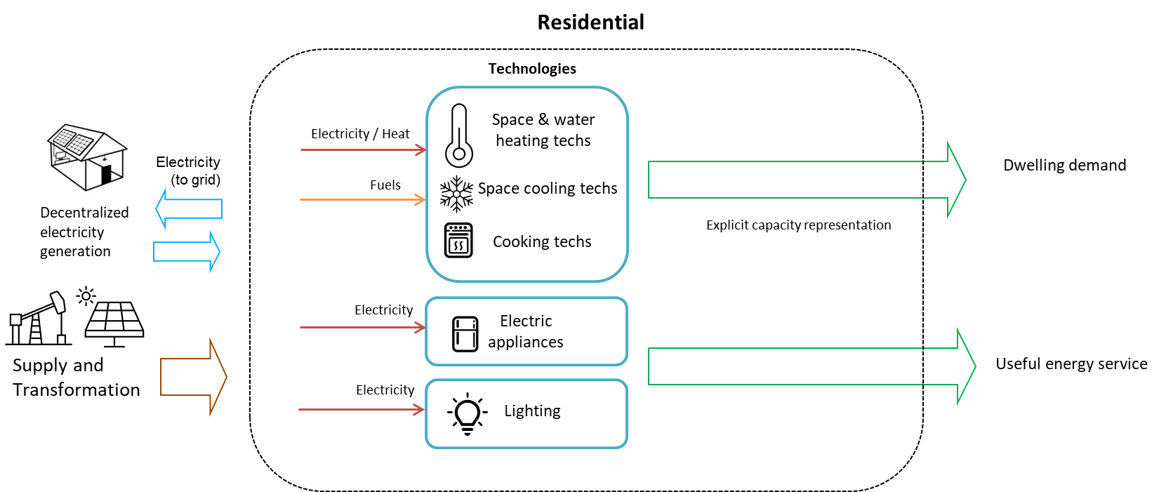
Sector structure (high-level Reference Energy System)

Model regions
Model regions | Description | List of countries
AFE | Eastern Africa | Ethiopia, Kenya, Sudan, Mauritius, Eritrea, South Sudan, Burundi, Comoros, Djibouti, Madagascar, Reunion, Rwanda, Somalia, Uganda, Seychelles, United Republic of Tanzania
AFN | Northern Africa | Egypt, Algeria, Morocco, Libya, Tunisia
AFW | Western Africa | Democratic Republic of the Congo, Côte d’Ivoire, Ghana, Cameroon, Gabon, Benin, Senegal, Togo, Niger, Congo, Burkina Faso, Cabo Verde, Central African Republic, Chad, Equatorial Guinea, Gambia, Guinea, Guinea-Bissau, Liberia, Malawi, Mali, Mauritania, Sao Tome and Principe, Sierra Leone
AFZ | Southern Africa | Angola, Mozambique, Zimbabwe, Zambia, Botswana, Namibia, South Africa, Eswatini, Lesotho
ANZ | Australia and New Zealand | Australia, New Zealand
ASC | Central Asia | Kazakhstan, Uzbekistan, Turkmenistan, Azerbaijan, Mongolia, Georgia, Kyrgyzstan, Armenia, Tajikistan, Afghanistan
ASE | Southeast Asia | Thailand, Malaysia, Singapore, Myanmar, Cambodia, Brunei Darussalam, Lao People's Democratic Republic, Democratic People's Republic of Korea, Cook Islands, Timor-Leste, Fiji, French Polynesia, Kiribati, New Caledonia, Palau, Papua New Guinea, American Samoa, Solomon Islands, Tonga, Vanuatu, Niue, Samoa, Wallis and Futuna Islands, Micronesia (Federated States of), Nauru, Tuvalu ,Northern Mariana Islands
ASO | South Asia | Bangladesh, Nepal, Sri Lanka, Pakistan, Bhutan, Maldives
BRA | Brazil | Brazil
CAN | Canada | Canada
CHL | Chile | Chile
CHN | China | China
ENE | Non-EU Eastern Europe | Ukraine, Belarus, Serbia, Bosnia and Herzegovina, Republic of Moldova, Republic of North Macedonia, Kosovo, Albania, Montenegro
ENW | Non-EU Western Europe | Norway-Svalbard and Jan Mayen Islands, Switzerland-Liechtenstein, Iceland, United Kingdom of Great Britain and Northern Ireland, Gibraltar, Saint Helena, Liechtenstein
EUE | Eastern Europe Union | Poland, Czechia, Romania, Hungary, Bulgaria, Slovakia, Croatia, Lithuania, Slovenia, Estonia, Latvia
EUM | Mediterranean- Europe Union | France-Monaco, Italy-San Marino, Spain, Greece, Portugal, Cyprus, Malta
EUW | Western Europe Union | Germany, Netherlands, Belgium, Sweden, Austria, Finland, Denmark, Ireland, Luxembourg, Greenland, Faroe Islands, Andorra
IDN | Indonesia, Philippines, Vietnam | Indonesia, Philippines, Viet Nam
IND | India | India
JPN | Japan | Japan
LAM | Latin America | Argentina, Venezuela (Bolivarian Republic of), Colombia, Peru, Trinidad and Tobago, Ecuador, Guatemala, Cuba, Bolivia (Plurinational State of), Dominican Republic, Honduras, Paraguay, Uruguay, Costa Rica, El Salvador, Haiti, Panama, Nicaragua, Jamaica, Curaçao, Suriname, Antigua and Barbuda, Aruba, Bahamas, Barbados, Belize, Bermuda, British Virgin Islands, Cayman Islands, Dominica, Falkland Islands (Malvinas), Guyana, Grenada, Guadeloupe, Cooperative Republic of Guyana, Martinique, Montserrat, Puerto Rico, Saba, Bonaire, Sint Eustatius and Saba, Saint Kitts and Nevis, Saint Lucia, Saint Pierre and Miquelon, Saint Vincent and the Grenadines, Saint Martin, Turks and Caicos Islands, Sint Maarten (Dutch part), Anguilla
MDA | Mediterranean Asia | Turkey, Israel, Syrian Arab Republic, Jordan, Lebanon, State of Palestine
MEA | Middle East (Gulf States) | Iran (Islamic Republic of), Saudi Arabia, United Arab Emirates, Iraq, Qatar, Kuwait, Oman, Bahrain, Yemen
MEX | Mexico | Mexico
NIG | Nigeria | Nigeria
RUS | Russia Federation | Russia Federation
SKT | South Korea | Republic of Korea
USA | United States | United States

