Sheet1
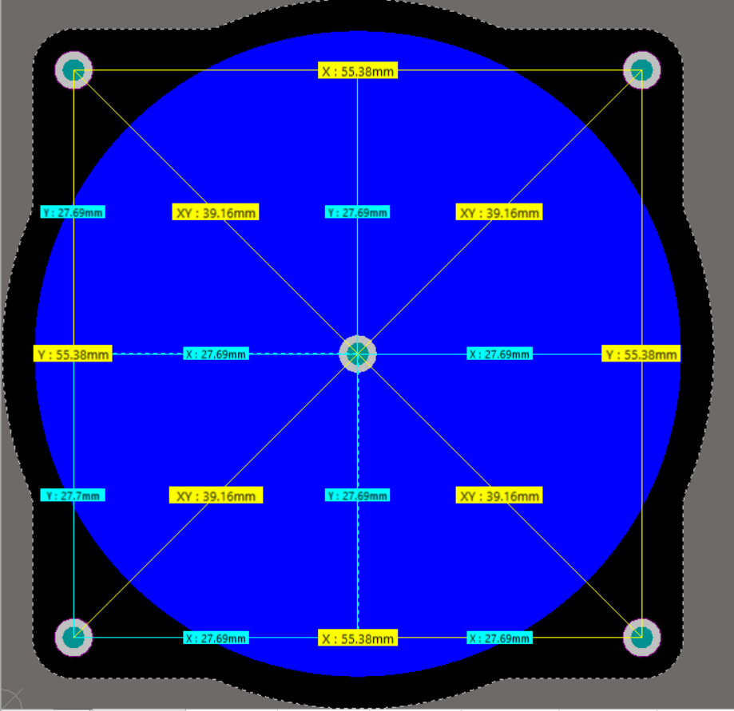
 | Distance | Center to upper left corner | Center to upper rightt corner | Center to lower left corner | Center to lower right corner | Border to Border Horizontal | Border to Border Vertical
ALTIUM | Spacer interdistances on the main board | 39.227 | 39.161 | 39.191 | 39.16 |  | 55.06
 | Spacer interdistances on the radiator | 39.383 | 39.16 | 39.16 | 39.2
CST |  | 39.17 | 39.17 | 39.21 | 39.17 | 55.38
Delta | Altium board to CST | 0.057 | -0.009 | -0.019 | -0.01
 |  | 0.15% | -0.02% | -0.05% | -0.03% | 0.00% | #DIV/0!
Delta | Altium Board to Altium Radiator | -0.156 | 0.001 | 0.031 | -0.04

Interdistance | 55.38
 | X | Y
Center | 349.088 | 41.088
Low left | 321.398 | 13.398
High left | 321.398 | 68.778
Low right | 376.778 | 13.398
High right | 376.778 | 68.778

