Carnival Checklist
CARNIVAL CHECK LIST

 |  | PICK TICKET CHECK LIST

 |  | PT: SEE BELOW
 |  | PO: SEE BELOW

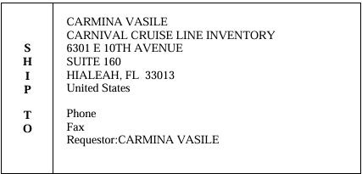

OUR STYLE | OUR COLOR | ITEM NUMBER | DESCRIPTION | QTY | PT | PO
133CARNIVA01 | 003 | 33300140 | WATER SHOES - BLACK ACTIVE M6/W8 | 408 | 1763032 | 1674444
133CARNIVA01 | 003 | 33300150 | WATER SHOES - BLACK ACTIVE M7/W9 | 372 | 1763032 | 1674444
133CARNIVA01 | 003 | 33300160 | WATER SHOES - BLACK ACTIVE M8/W10 | 354 | 1763032 | 1674444
133CARNIVA01 | 003 | 33300170 | WATER SHOES - BLACK ACTIVE M9/W11 | 366 | 1763032 | 1674444
133CARNIVA01 | 003 | 33300180 | WATER SHOES - BLACK ACTIVE M10/W12 | 324 | 1763032 | 1674444
133CARNIVA01 | 003 | 33300190 | WATER SHOES - BLACK ACTIVE M11/W13 | 312 | 1763032 | 1674444
133CARNIVA01 | 003 | 33300200 | WATER SHOES - BLACK ACTIVE M12/W14 | 270 | 1763032 | 1674444
133CARNIVA01 | 007 | 33300210 | WATER SHOES - NAVY ACTIVE M6/W8 | 414 | 1763033 | 1674445
133CARNIVA01 | 007 | 33300220 | WATER SHOES - NAVY ACTIVE M7/W9 | 366 | 1763033 | 1674445
133CARNIVA01 | 007 | 33300230 | WATER SHOES - NAVY ACTIVE M8/W10 | 372 | 1763033 | 1674445
133CARNIVA01 | 007 | 33300240 | WATER SHOES - NAVY ACTIVE M9/W11 | 318 | 1763033 | 1674445
133CARNIVA01 | 007 | 33300250 | WATER SHOES - NAVY ACTIVE M10/W12 | 366 | 1763033 | 1674445
133CARNIVA01 | 007 | 33300260 | WATER SHOES - NAVY ACTIVE M11/W13 | 276 | 1763033 | 1674445
133CARNIVA01 | 007 | 33300270 | WATER SHOES - NAVY ACTIVE M12/W14 | 288 | 1763033 | 1674445

