8948546
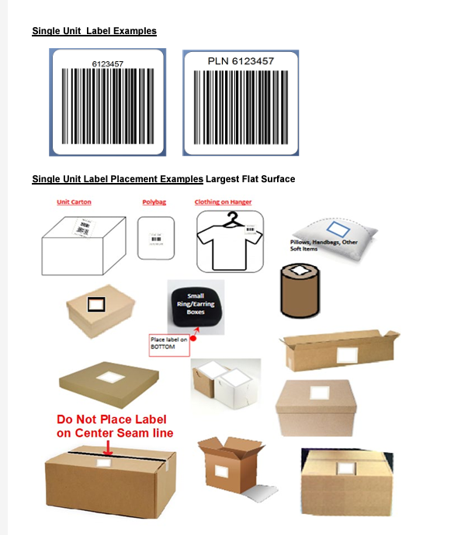
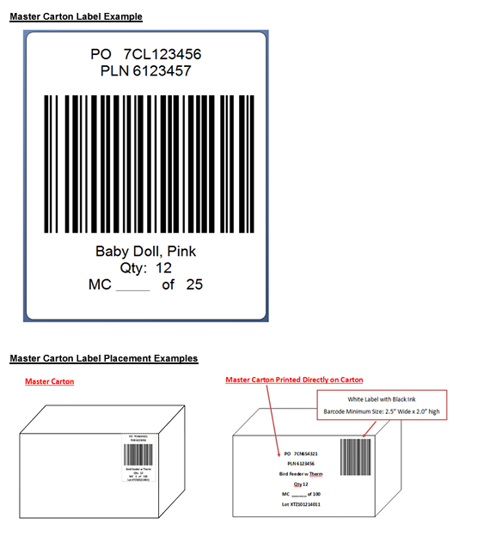
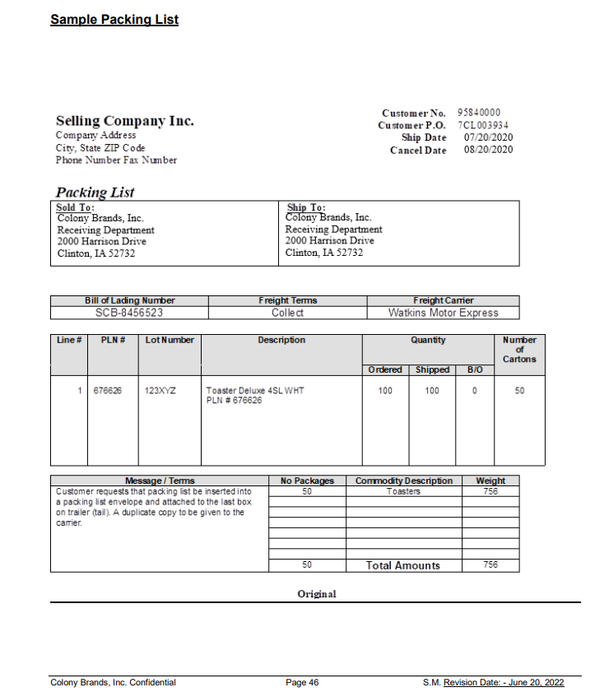
COLONY CHECK LIST

 |  | PICK TICKET CHECK LIST |  |  |  |  |  | UNIT TICKET PLACEMENT | BOX LABEL PLACEMENT

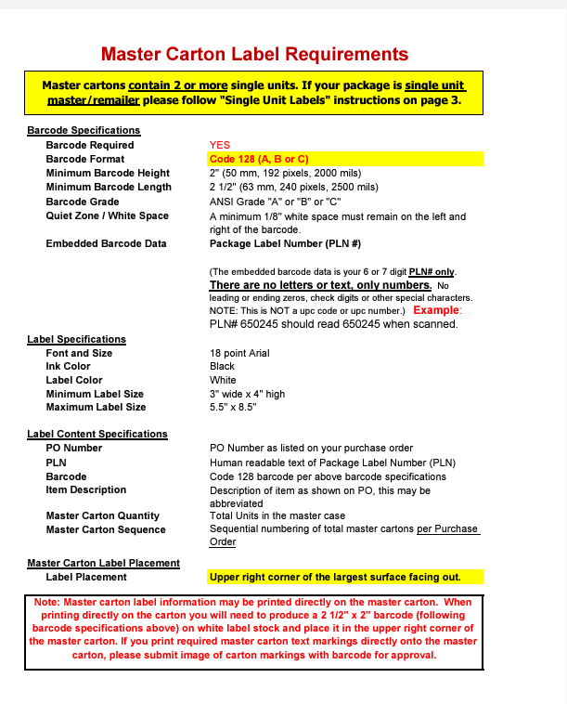
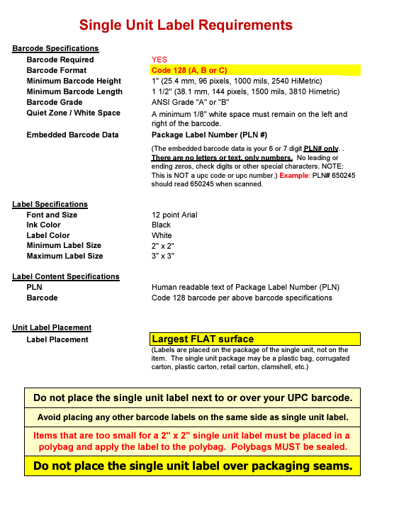
 |  | PT: SEE BELOW
 |  | PO: SEE BELOW

PACKING INSTRUCTIONS:
YES TICKETING* MANUAL BARCODE WITH PLN #

MARK ALL CTNS AS FOLLOW
FOLLOW MASTER CARTON LABEL

A Packing List with PLN # must be included with all shipments. For UPS/RPS shipments, a Packing
List must be attached to each carton. For less than truckload or truckload shipments, a Packing List must
be attached in a visible location to one of the pallets / cartons in the shipment. In addition, please provide
the carrier with a copy of the packing list with the Bill of Lading.

OUR STYLE | OUR COLOR | CUSTOMER STYLE | CUSTOMER COLOR | QTY | PLN # | PT | PO
BOC026-42 | 003 | BOC026-42-003 | #BOC026-42-003 EDGEWOOD SATCHEL/BLACK | 108 | 611590U/AU8YH | 1767592 | 7SU485041
BOC026-42 | SDL | BOC026-42-SDL | #BOC026-42-SDL EDGEWOOD SATCHEL/SADDLE | 108 | 611590V/AU8YJ | 1767592 | 7SU485041

