Sheet1
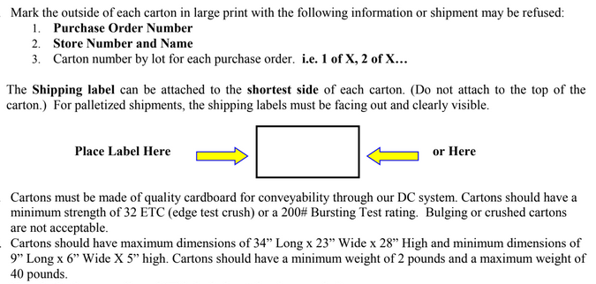
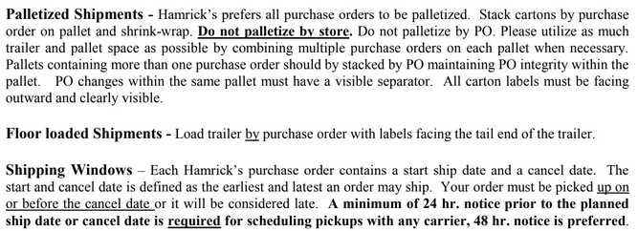
HAMRICKS

PICK TICKET CHECK LIST |  |  |  | PO# 263517
 |  |  |  | PT# 1757996 - 1758014
TICKETING

ROUTING |  |  | SHIP VIA: ROUTING

CARTON MARKING

PO # MUST BE ON ALL BOXES
STORE# and STORE NAME
STYLE
COLOR
QTY

CUSTOMER STYLE | OUR STYLE | QTY | PT #
EHH342-42 | WMH26001Y-42-WMY | 6 | 1757996
EHH398-42 | WMH27501J-42-BLK | 6 | 1757996
EHH407-42 | WMH28301P-42-LB1 | 6 | 1757996
EHH342-42 | WMH3004E-42-CHT | 6 | 1757996
EHH398-42 | WMH381-42-SDL | 6 | 1757996
EHH407-42 | WMH26001Y-42-WMY | 6 | 1757997
EHH342-42 | WMH28301P-42-LB1 | 6 | 1757997
EHH398-42 | WMH3004E-42-CHT | 6 | 1757997
EHH407-42 | WMH26001Y-42-WMY | 6 | 1757998
EHH342-42 | WMH27501J-42-BLK | 6 | 1757998
EHH398-42 | WMH28301P-42-LB1 | 6 | 1757998
EHH407-42 | WMH3004E-42-CHT | 6 | 1757998
EHH342-42 | WMH381-42-SDL | 6 | 1757998
EHH398-42 | WMH26001Y-42-WMY | 6 | 1757999
EHH407-42 | WMH27501J-42-BLK | 6 | 1757999
EHH342-42 | WMH28301P-42-LB1 | 6 | 1757999
EHH398-42 | WMH3004E-42-CHT | 6 | 1757999
EHH407-42 | WMH381-42-SDL | 6 | 1757999
WMH3274E-42 | WMH26001Y-42-WMY | 6 | 1758000
WMH12101K-42 | WMH27501J-42-BLK | 6 | 1758000
WMH3274E-42 | WMH28301P-42-LB1 | 6 | 1758000
WMH12101K-42 | WMH3004E-42-CHT | 6 | 1758000
WMH3274E-42 | WMH381-42-SDL | 6 | 1758000
WMH12101K-42 | WMH26001Y-42-WMY | 6 | 1758001
WMH12101K-42 | WMH27501J-42-BLK | 6 | 1758001
WMH12101K-42 | WMH28301P-42-LB1 | 6 | 1758001
WMH3274E-42 | WMH3004E-42-CHT | 6 | 1758001
WMH3274E-42 | WMH381-42-SDL | 6 | 1758001
WMH12101K-42 | WMH26001Y-42-WMY | 6 | 1758002
WMH3274E-42 | WMH28301P-42-LB1 | 6 | 1758002
WMH12101K-42 | WMH3004E-42-CHT | 6 | 1758002
WMH12101K-42 | WMH381-42-SDL | 6 | 1758002
WMH3274E-42 | WMH26001Y-42-WMY | 6 | 1758003
WMH12101K-42 | WMH28301P-42-LB1 | 6 | 1758003
WMH12101K-42 | WMH3004E-42-CHT | 6 | 1758003
WMH12101K-42 | WMH381-42-SDL | 6 | 1758003
WMH12101K-42 | WMH26001Y-42-WMY | 6 | 1758004
WMH12101K-42 | WMH27501J-42-BLK | 6 | 1758004
WMH3274E-42 | WMH28301P-42-LB1 | 6 | 1758004
WMH12101K-42 | WMH3004E-42-CHT | 6 | 1758004
WMH12101K-42 | WMH381-42-SDL | 6 | 1758004
WMH3274E-42 | WMH28301P-42-LB1 | 6 | 1758005
WMH12101K-42 | WMH3004E-42-CHT | 6 | 1758005
WMH12101K-42 | WMH28301P-42-LB1 | 6 | 1758006
WMH3274E-42 | WMH3004E-42-CHT | 6 | 1758006
WMH12101K-42 | WMH28301P-42-LB1 | 6 | 1758007
WMH3274E-42 | WMH3004E-42-CHT | 6 | 1758007
WMH3274E-42 | WMH28301P-42-LB1 | 6 | 1758008
 | WMH3004E-42-CHT | 6 | 1758008
 | WMH381-42-SDL | 6 | 1758008
 | WMH26001Y-42-WMY | 6 | 1758009
 | WMH27501J-42-BLK | 6 | 1758009
 | WMH28301P-42-LB1 | 12 | 1758009
 | WMH3004E-42-CHT | 12 | 1758009
 | WMH381-42-SDL | 6 | 1758009
 | WMH26001Y-42-WMY | 6 | 1758010
 | WMH27501J-42-BLK | 6 | 1758010
 | WMH28301P-42-LB1 | 6 | 1758010
 | WMH3004E-42-CHT | 6 | 1758010
 | WMH381-42-SDL | 6 | 1758010
 | WMH26001Y-42-WMY | 6 | 1758011
 | WMH27501J-42-BLK | 6 | 1758011
 | WMH28301P-42-LB1 | 6 | 1758011
 | WMH3004E-42-CHT | 6 | 1758011
 | WMH381-42-SDL | 6 | 1758011
 | WMH26001Y-42-WMY | 6 | 1758012
 | WMH27501J-42-BLK | 6 | 1758012
 | WMH28301P-42-LB1 | 6 | 1758012
 | WMH3004E-42-CHT | 6 | 1758012
 | WMH381-42-SDL | 6 | 1758012
 | WMH26001Y-42-WMY | 6 | 1758013
 | WMH27501J-42-BLK | 6 | 1758013
 | WMH28301P-42-LB1 | 6 | 1758013
 | WMH3004E-42-CHT | 6 | 1758013
 | WMH381-42-SDL | 6 | 1758013
 | WMH26001Y-42-WMY | 6 | 1758014
 | WMH27501J-42-BLK | 6 | 1758014
 | WMH28301P-42-LB1 | 12 | 1758014
 | WMH3004E-42-CHT | 12 | 1758014
 | WMH381-42-SDL | 6 | 1758014
 |  | 504

