Sheet1
ME SALVE

PICK TICKET CHECK LIST |  |  |  |  | PT# 1773458
 |  |  |  |  | PO# 24027385

TICKETING |  | NO TICKETS

ROUTING |  | Coordinate with ARROWPAC sonia@arrowpac.com

INCOTERM

TRANSPORT

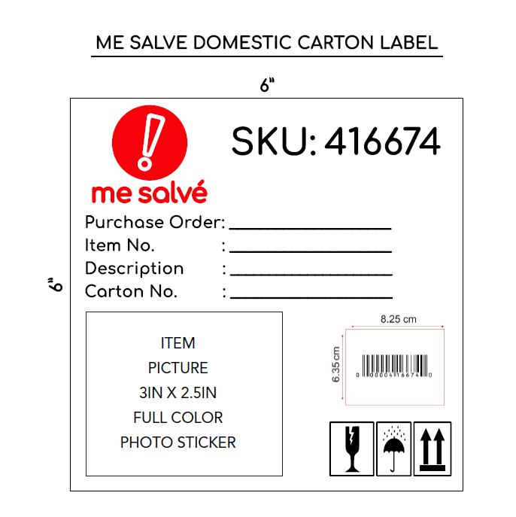
PACKING INSTRUCTIONS:

* All merchandise must be ticketed with a "Me Salve" ticket or valid UPC code.

1. When goods are shipped, the following information must be sent by e-mail, traffic@admincomp.com, mesalve@arrowpac.com on the day the shipment is delivered to or picked up from the carrier:

• Commercial Invoice (This document must be delivered with shipment)
• Packing list (This document must be delivered with shipment)
• Proof of delivery (POD)

2. Do not mix styles in the same pallets. In case you must add another style on the same pallet you must divide the with a carton or wrapping. And identify the pallets with the two styles.

3. BOX MARKS - All cartons need to mark with the following information:

• ME SALVE SKU Number
• Purchase Order Number
• Item Number • Description • Carton No. • UPC • Item Picture

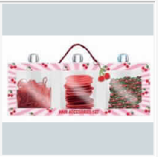
PT STYLE | PT COLOR |  | CUSTOMER SKU | QTY | PT | PO
PL1034NL | 670 |  |  | 600 | 1773458 | 24027385
PL1132NL | 670 |  |  | 360 | 1773458 | 24027385
PL2017NL-42 | 033 |  |  | 240 | 1773458 | 24027385
PL2018NL-42 | 006 |  |  | 240 | 1773458 | 24027385

Total |  |  |  | 1440

