CHECKLIST
TILLY's

 |  |  |  | PO# 1187291B
 |  |  |  | PT# 1669571

PICK TICKET CHECK LIST

ROUTING: | YES | FedEx Ground; Please mark freight collect. Please contact Tillys Scheduling at receiving@tillys.com or 949-860-5445 to receive the FedEx account number to use.
 |  | Transit Time: 5 - 8 Business Days
TICKETING: |  | NO TICKETING NEEDED

PACKING INSTRUCTIONS: |  | see below

AE STYLE | AE COLOR | TILLYS Style | TILLY Description | PICK_QTY
EHH386-42 | 033 | 539616 | ED HARDY W BAGUETTE BAG-BUFFY | 40
EHH386-42 | 033 | 539616 | ED HARDY W BAGUETTE BAG-BUFFY | 24
EHH478-42 | 362 | 539617 | ED HARDY W BAGUETTE BAG- | 660
EHH478-42 | 362 | 539617 | ED HARDY W BAGUETTE BAG- | 72

 |  |  | TOTAL | 796

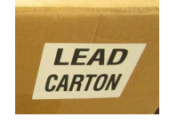
Packing list: A detailed packing list MUST accompany every shipment, on LEAD carton
A copy of the Packing Slip must also be attached to the bill of lading (when the BOL is required).
Carton Labeling: Every carton must be marked with the following: PO number, TILLY Style number, TILLY Style Description,Quantity, Color (if applicable) and Size (if applicable), carton count
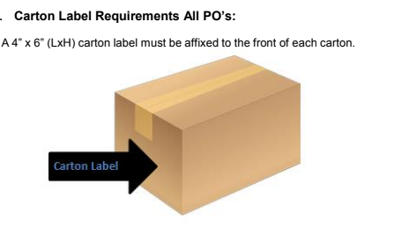

No Straps.

FedEx Ground
Please mark freight collect.

Transit Time: 5 - 8 Business Days

