General info
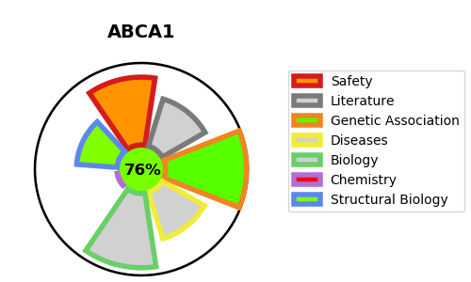
Gene_name | ABCA1 | Tractable | Tractability_probability
Synonyms | 7.6.2.1,ABC-1,ABC1,ABCA1,ATP-binding cassette 1,ATP-binding cassette sub-family A member 1,ATP-binding cassette transporter 1,CERP,Cholesterol efflux regulatory protein,Phospholipid-transporting ATPase ABCA1 | True | 76.97
Target_id | O95477 | In Training data set ?
Protein_class | ABCA subfamily | No
Protein_class_desc | transporter -> ntpase -> atp binding cassette -> abca
Species | Homo sapiens (Human).
Number_isoforms | 0

DISEASE |  | PATHWAYS
disease_id | disease_name | Reactome | KEGG
OMIM:205400 | TANGIER DISEASE | ABC transporter disorders
OMIM:604091 | HYPOALPHALIPOPROTEINEMIA, PRIMARY, 1 | Defective ABCA1 causes TGD
 |  | Disease
 |  | Disorders of transmembrane transporters
 |  | HDL assembly
 |  | Metabolism
 |  | Metabolism of lipids
 |  | NR1H2 and NR1H3-mediated signaling
 |  | NR1H3 & NR1H2 regulate gene expression linked to cholesterol transport and efflux
 |  | PPARA activates gene expression
 |  | Plasma lipoprotein assembly
 |  | Plasma lipoprotein assembly, remodeling, and clearance
 |  | Regulation of lipid metabolism by PPARalpha
 |  | Signal Transduction
 |  | Signaling by Nuclear Receptors
 |  | Transport of small molecules

