General info
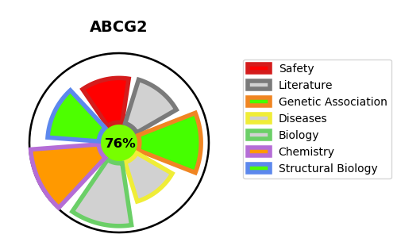
Gene_name | ABCG2 | Tractable | Tractability_probability
Synonyms | 7.6.2.2,ABCG2,ABCP,ATP-binding cassette sub-family G member 2,BCRP,BCRP1,Breast cancer resistance protein,Broad substrate specificity ATP-binding cassette transporter ABCG2,CD_antigen=CD338,CDw338,MXR,Mitoxantrone resistance-associated protein,Placenta-specific ATP-binding cassette transporter,Urate exporter | True | 76.76
Target_id | Q9UNQ0 | In Training data set ?
Protein_class | ABCG subfamily | No
Protein_class_desc | transporter -> ntpase -> atp binding cassette -> abcg
Species | Homo sapiens (Human).
Number_isoforms | 2

DISEASE |  | PATHWAYS
disease_id | disease_name | Reactome | KEGG
OMIM:138900 | URIC ACID CONCENTRATION, SERUM, QUANTITATIVE TRAIT LOCUS 1 | Abacavir transmembrane transport
OMIM:614490 | BLOOD GROUP, JUNIOR SYSTEM | Abacavir transport and metabolism
 |  | Heme biosynthesis
 |  | Heme degradation
 |  | Iron uptake and transport
 |  | Metabolism
 |  | Metabolism of porphyrins
 |  | Transport of small molecules

