General info
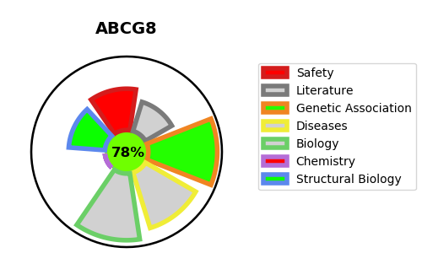
Gene_name | ABCG8 | Tractable | Tractability_probability
Synonyms | Not found | True | 78.42
Target_id | Q9H221 | In Training data set ?
Protein_class |  | No
Protein_class_desc
Species | Homo sapiens (Human).
Number_isoforms | 2

DISEASE |  | PATHWAYS
disease_id | disease_name | Reactome | KEGG
OMIM:210250 | SITOSTEROLEMIA 1 | ABC transporter disorders
OMIM:611465 | GALLBLADDER DISEASE 4 | ABC transporters in lipid homeostasis
 |  | ABC-family proteins mediated transport
 |  | Defective ABCG5 causes sitosterolemia
 |  | Defective ABCG8 causes GBD4 and sitosterolemia
 |  | Disease
 |  | Disorders of transmembrane transporters
 |  | NR1H2 and NR1H3-mediated signaling
 |  | NR1H3 & NR1H2 regulate gene expression linked to cholesterol transport and efflux
 |  | Signal Transduction
 |  | Signaling by Nuclear Receptors
 |  | Transport of small molecules

