General info
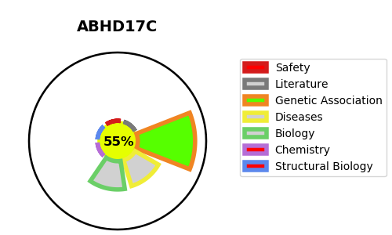
Gene_name | ABHD17C | Tractable | Tractability_probability
Synonyms | FAM108C1 | True | 55.27
Target_id | Q6PCB6 | In Training data set ?
Protein_class |  | No
Protein_class_desc
Species | Homo sapiens (Human).
Number_isoforms | 2

DISEASE |  | PATHWAYS
disease_id | disease_name | Reactome | KEGG
 |  | Cytokine Signaling in Immune system
 |  | FLT3 Signaling
 |  | Immune System
 |  | MAPK family signaling cascades
 |  | MAPK1/MAPK3 signaling
 |  | RAF/MAP kinase cascade
 |  | RAS processing
 |  | Signal Transduction

