General info
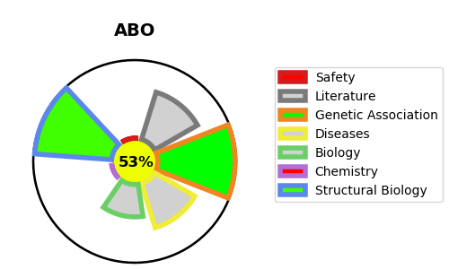
Gene_name | ABO | Tractable | Tractability_probability
Synonyms | 2.4.1.37,2.4.1.40,A transferase,ABO,B transferase,Fucosylglycoprotein 3-alpha-galactosyltransferase,Fucosylglycoprotein alpha-N-acetylgalactosaminyltransferase,Fucosylglycoprotein alpha-N-acetylgalactosaminyltransferase soluble form,Glycoprotein-fucosylgalactoside alpha-N-acetylgalactosaminyltransferase,Glycoprotein-fucosylgalactoside alpha-galactosyltransferase,Histo-blood group A transferase,Histo-blood group ABO system transferase,Histo-blood group B transferase,NAGAT | True | 53.41
Target_id | P16442 | In Training data set ?
Protein_class | Enzyme | No
Protein_class_desc | enzyme
Species | Homo sapiens (Human).
Number_isoforms | 0

DISEASE |  | PATHWAYS
disease_id | disease_name | Reactome | KEGG
OMIM:616093 | BLOOD GROUP, ABO SYSTEM | ABO blood group biosynthesis
 |  | Blood group systems biosynthesis
 |  | Metabolism
 |  | Metabolism of carbohydrates

