General info
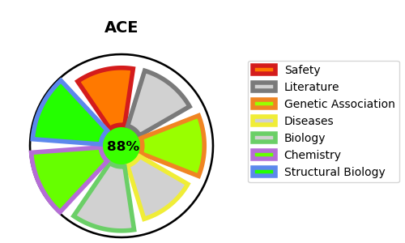
Gene_name | ACE | Tractable | Tractability_probability
Synonyms | 3.2.1.-,3.4.15.1,ACE,Angiotensin-converting enzyme,Angiotensin-converting enzyme, soluble form,CD_antigen=CD143,DCP,DCP1,Dipeptidyl carboxypeptidase I,Kininase II | True | 88.76
Target_id | P12821 | In Training data set ?
Protein_class | Metallo protease M2 family | No
Protein_class_desc | enzyme -> protease -> metallo -> mae -> m2
Species | Homo sapiens (Human).
Number_isoforms | 4

DISEASE |  | PATHWAYS
disease_id | disease_name | Reactome | KEGG
OMIM:267430 | RENAL TUBULAR DYSGENESIS | Metabolism of Angiotensinogen to Angiotensins
OMIM:612624 | MICROVASCULAR COMPLICATIONS OF DIABETES, SUSCEPTIBILITY TO, 3 | Metabolism of proteins
OMIM:614519 | HEMORRHAGE, INTRACEREBRAL, SUSCEPTIBILITY TO | Peptide hormone metabolism

