General info
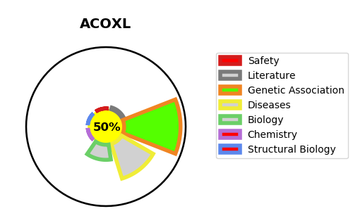
Gene_name | ACOXL | Tractable | Tractability_probability
Synonyms | Not found | True | 50.02
Target_id | Q9NUZ1 | In Training data set ?
Protein_class |  | No
Protein_class_desc
Species | Homo sapiens (Human).
Number_isoforms | 4

DISEASE |  | PATHWAYS
disease_id | disease_name | Reactome | KEGG
 |  | Beta-oxidation of pristanoyl-CoA
 |  | Fatty acid metabolism
 |  | Metabolism
 |  | Metabolism of lipids
 |  | Peroxisomal lipid metabolism

