General info
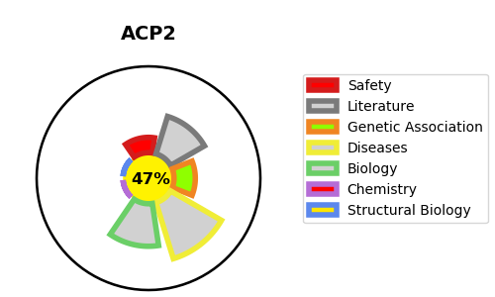
Gene_name | ACP2 | Tractable | Tractability_probability
Synonyms | Not found | False | 47.49
Target_id | P11117 | In Training data set ?
Protein_class |  | No
Protein_class_desc
Species | Homo sapiens (Human).
Number_isoforms | 2

DISEASE |  | PATHWAYS
disease_id | disease_name | Reactome | KEGG
OMIM:200950 | ACID PHOSPHATASE DEFICIENCY

