General info
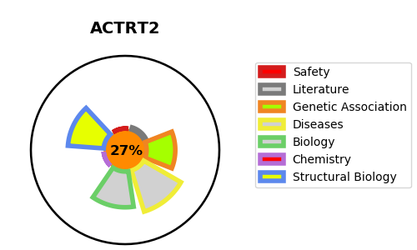
Gene_name | ACTRT2 | Tractable | Tractability_probability
Synonyms | ARPM2 | False | 27.25
Target_id | Q8TDY3 | In Training data set ?
Protein_class |  | No
Protein_class_desc
Species | Homo sapiens (Human).
Number_isoforms | 0

DISEASE |  | PATHWAYS
disease_id | disease_name | Reactome | KEGG

