General info
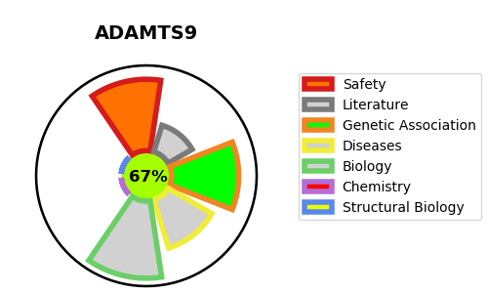
Gene_name | ADAMTS9 | Tractable | Tractability_probability
Synonyms | KIAA1312 | True | 67.69
Target_id | Q9P2N4 | In Training data set ?
Protein_class |  | No
Protein_class_desc
Species | Homo sapiens (Human).
Number_isoforms | 4

DISEASE |  | PATHWAYS
disease_id | disease_name | Reactome | KEGG
 |  | Defective B3GALTL causes Peters-plus syndrome (PpS)
 |  | Degradation of the extracellular matrix
 |  | Disease
 |  | Diseases associated with O-glycosylation of proteins
 |  | Diseases of glycosylation
 |  | Diseases of metabolism
 |  | Extracellular matrix organization
 |  | Metabolism of proteins
 |  | O-glycosylation of TSR domain-containing proteins
 |  | O-linked glycosylation
 |  | Post-translational protein modification

