General info
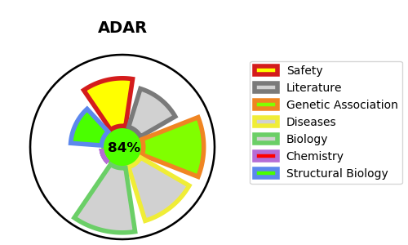
Gene_name | ADAR | Tractable | Tractability_probability
Synonyms | ADAR1, DSRAD, G1P1, IFI4 | True | 84.19
Target_id | P55265 | In Training data set ?
Protein_class |  | No
Protein_class_desc
Species | Homo sapiens (Human).
Number_isoforms | 5

DISEASE |  | PATHWAYS
disease_id | disease_name | Reactome | KEGG
OMIM:127400 | DYSCHROMATOSIS SYMMETRICA HEREDITARIA | C6 deamination of adenosine
OMIM:615010 | AICARDI-GOUTIERES SYNDROME 6 | Cytokine Signaling in Immune system
 |  | Formation of editosomes by ADAR proteins
 |  | Immune System
 |  | Interferon Signaling
 |  | Interferon alpha/beta signaling
 |  | Metabolism of RNA
 |  | mRNA Editing
 |  | mRNA Editing: A to I Conversion

