General info
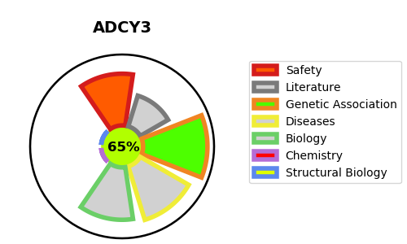
Gene_name | ADCY3 | Tractable | Tractability_probability
Synonyms | 4.6.1.1,ADCY4,ATP pyrophosphate-lyase 4,Adenylate cyclase type 4,Adenylate cyclase type IV,Adenylyl cyclase 4,AC9,ACIX,ADCY9,ATP pyrophosphate-lyase 9,Adenylate cyclase type 9,Adenylate cyclase type IX,Adenylyl cyclase 9,KIAA0520,ADCY1,ATP pyrophosphate-lyase 1,Adenylate cyclase type 1,Adenylate cyclase type I,Adenylyl cyclase 1,Ca(2+)/calmodulin-activated adenylyl cyclase,AC8,ADCY8,ATP pyrophosphate-lyase 8,Adenylate cyclase type 8,Adenylate cyclase type VIII,Adenylyl cyclase 8,AC-III,AC3,ADCY3,ATP pyrophosphate-lyase 3,Adenylate cyclase type 3,Adenylate cyclase type III,Adenylate cyclase, olfactive type,Adenylyl cyclase 3,KIAA0511,AC5,ADCY5,ATP pyrophosphate-lyase 5,Adenylate cyclase type 5,Adenylate cyclase type V,Adenylyl cyclase 5,ADCY6,ATP pyrophosphate-lyase 6,Adenylate cyclase type 6,Adenylate cyclase type VI,Adenylyl cyclase 6,Ca(2+)-inhibitable adenylyl cyclase,KIAA0422,ADCY2,ATP pyrophosphate-lyase 2,Adenylate cyclase type 2,Adenylate cyclase type II,Adenylyl cyclase 2,KIAA1060,ADCY7,ATP pyrophosphate-lyase 7,Adenylate cyclase type 7,Adenylate cyclase type VII,Adenylyl cyclase 7,KIAA0037 | True | 65.35
Target_id | O60266 | In Training data set ?
Protein_class | Lyase | No
Protein_class_desc | enzyme -> lyase
Species | Homo sapiens (Human).
Number_isoforms | 2

DISEASE |  | PATHWAYS
disease_id | disease_name | Reactome | KEGG
OMIM:617885 | BODY MASS INDEX QUANTITATIVE TRAIT LOCUS 19 | ADORA2B mediated anti-inflammatory cytokines production
 |  | Activation of GABAB receptors
 |  | Adenylate cyclase activating pathway
 |  | Adenylate cyclase inhibitory pathway
 |  | Anti-inflammatory response favouring Leishmania parasite infection
 |  | Aquaporin-mediated transport
 |  | Ca-dependent events
 |  | CaM pathway
 |  | Calmodulin induced events
 |  | DAG and IP3 signaling
 |  | Disease
 |  | FCGR3A-mediated IL10 synthesis
 |  | G alpha (i) signalling events
 |  | G alpha (s) signalling events
 |  | G alpha (z) signalling events
 |  | G-protein mediated events
 |  | GABA B receptor activation
 |  | GABA receptor activation
 |  | GPCR downstream signalling
 |  | Glucagon signaling in metabolic regulation
 |  | Hedgehog 'off' state
 |  | Infectious disease
 |  | Integration of energy metabolism
 |  | Intracellular signaling by second messengers
 |  | Leishmania infection
 |  | Leishmania parasite growth and survival
 |  | Metabolism
 |  | Neuronal System
 |  | Neurotransmitter receptors and postsynaptic signal transmission
 |  | Opioid Signalling
 |  | PKA activation
 |  | PKA activation in glucagon signalling
 |  | PKA-mediated phosphorylation of CREB
 |  | PLC beta mediated events
 |  | Signal Transduction
 |  | Signaling by GPCR
 |  | Signaling by Hedgehog
 |  | Transmission across Chemical Synapses
 |  | Transport of small molecules
 |  | Vasopressin regulates renal water homeostasis via Aquaporins

