General info
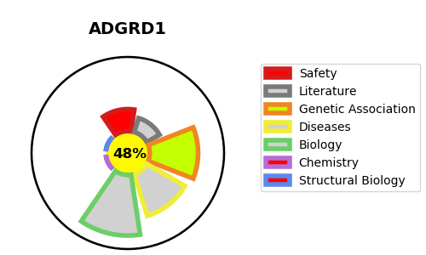
Gene_name | ADGRD1 | Tractable | Tractability_probability
Synonyms | GPR133, PGR25 | False | 48.88
Target_id | Q6QNK2 | In Training data set ?
Protein_class |  | No
Protein_class_desc
Species | Homo sapiens (Human).
Number_isoforms | 4

DISEASE |  | PATHWAYS
disease_id | disease_name | Reactome | KEGG

