General info
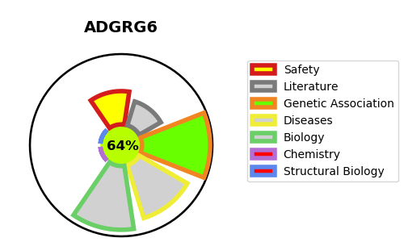
Gene_name | ADGRG6 | Tractable | Tractability_probability
Synonyms | DREG, GPR126, VIGR | True | 64.23
Target_id | Q86SQ4 | In Training data set ?
Protein_class |  | No
Protein_class_desc
Species | Homo sapiens (Human).
Number_isoforms | 4

DISEASE |  | PATHWAYS
disease_id | disease_name | Reactome | KEGG
OMIM:616503 | LETHAL CONGENITAL CONTRACTURE SYNDROME 9 | Developmental Biology
 |  | EGR2 and SOX10-mediated initiation of Schwann cell myelination
 |  | Nervous system development

