General info
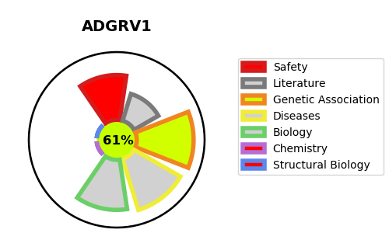
Gene_name | ADGRV1 | Tractable | Tractability_probability
Synonyms | GPR98, KIAA0686, KIAA1943, MASS1, VLGR1 {ECO:0000303|PubMed:11606593} | True | 61.41
Target_id | Q8WXG9 | In Training data set ?
Protein_class |  | No
Protein_class_desc
Species | Homo sapiens (Human).
Number_isoforms | 4

DISEASE |  | PATHWAYS
disease_id | disease_name | Reactome | KEGG
OMIM:604352 | FEBRILE SEIZURES, FAMILIAL, 4 | Developmental Biology
OMIM:605472 | USHER SYNDROME, TYPE IIC | EGR2 and SOX10-mediated initiation of Schwann cell myelination
 |  | Nervous system development

