General info
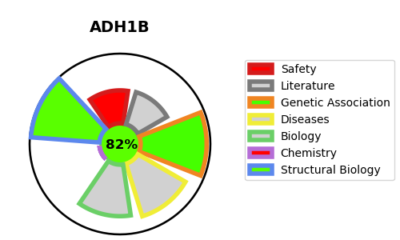
Gene_name | ADH1B | Tractable | Tractability_probability
Synonyms | 1.1.1.105,ADH1B,ADH2,Alcohol dehydrogenase 1B,Alcohol dehydrogenase subunit beta,All-trans-retinol dehydrogenase [NAD(+)] ADH1B | True | 82.2
Target_id | P00325 | In Training data set ?
Protein_class | Oxidoreductase | No
Protein_class_desc | enzyme -> reductase
Species | Homo sapiens (Human).
Number_isoforms | 2

DISEASE |  | PATHWAYS
disease_id | disease_name | Reactome | KEGG
OMIM:103780 | ALCOHOL DEPENDENCE | Biological oxidations
 |  | Ethanol oxidation
 |  | Metabolism
 |  | Phase I - Functionalization of compounds

