General info
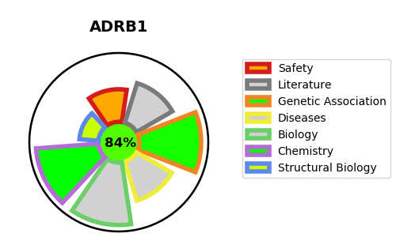
Gene_name | ADRB1 | Tractable | Tractability_probability
Synonyms | ADRB1,ADRB1R,B1AR,Beta-1 adrenergic receptor,Beta-1 adrenoceptor,Beta-1 adrenoreceptor | True | 84.5
Target_id | P08588 | In Training data set ?
Protein_class | Adrenergic receptor | No
Protein_class_desc | membrane receptor -> 7tm1 -> smallmol -> monoamine receptor -> adrenergic receptor
Species | Homo sapiens (Human).
Number_isoforms | 0

DISEASE |  | PATHWAYS
disease_id | disease_name | Reactome | KEGG
OMIM:607276 | RESTING HEART RATE, VARIATION IN | ADORA2B mediated anti-inflammatory cytokines production
OMIM:618591 | SHORT SLEEP, FAMILIAL NATURAL, 2 | Adrenoceptors
 |  | Amine ligand-binding receptors
 |  | Anti-inflammatory response favouring Leishmania parasite infection
 |  | Class A/1 (Rhodopsin-like receptors)
 |  | Disease
 |  | G alpha (s) signalling events
 |  | GPCR downstream signalling
 |  | GPCR ligand binding
 |  | Infectious disease
 |  | Leishmania infection
 |  | Leishmania parasite growth and survival
 |  | Signal Transduction
 |  | Signaling by GPCR

