General info
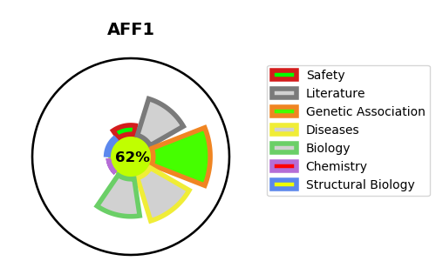
Gene_name | AFF1 | Tractable | Tractability_probability
Synonyms | AF4, FEL, MLLT2, PBM1 | True | 62.46
Target_id | P51825 | In Training data set ?
Protein_class |  | No
Protein_class_desc
Species | Homo sapiens (Human).
Number_isoforms | 3

DISEASE |  | PATHWAYS
disease_id | disease_name | Reactome | KEGG

