General info
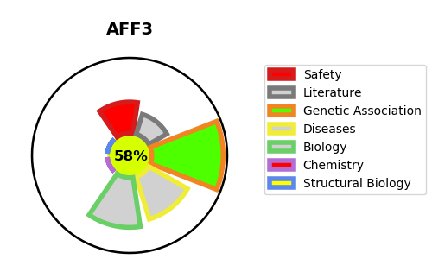
Gene_name | AFF3 | Tractable | Tractability_probability
Synonyms | LAF4 | True | 58.15
Target_id | P51826 | In Training data set ?
Protein_class |  | No
Protein_class_desc
Species | Homo sapiens (Human).
Number_isoforms | 2

DISEASE |  | PATHWAYS
disease_id | disease_name | Reactome | KEGG

