General info
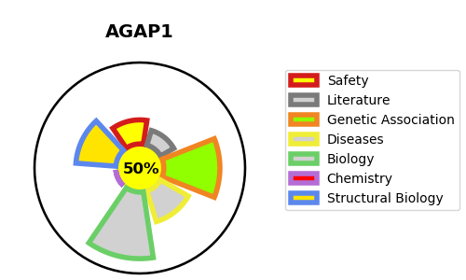
Gene_name | AGAP1 | Tractable | Tractability_probability
Synonyms | CENTG2, KIAA1099 | True | 50.61
Target_id | Q9UPQ3 | In Training data set ?
Protein_class |  | No
Protein_class_desc
Species | Homo sapiens (Human).
Number_isoforms | 3

DISEASE |  | PATHWAYS
disease_id | disease_name | Reactome | KEGG

