General info
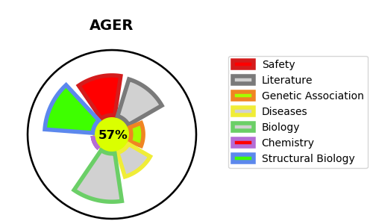
Gene_name | AGER | Tractable | Tractability_probability
Synonyms | AGER,Advanced glycosylation end product-specific receptor,RAGE,Receptor for advanced glycosylation end products | True | 57.33
Target_id | Q15109 | In Training data set ?
Protein_class | Unclassified protein | No
Protein_class_desc | unclassified
Species | Homo sapiens (Human).
Number_isoforms | 10

DISEASE |  | PATHWAYS
disease_id | disease_name | Reactome | KEGG
 |  | Advanced glycosylation endproduct receptor signaling
 |  | Cytokine Signaling in Immune system
 |  | DDX58/IFIH1-mediated induction of interferon-alpha/beta
 |  | Immune System
 |  | Innate Immune System
 |  | Interleukin-1 family signaling
 |  | Interleukin-1 signaling
 |  | MyD88 cascade initiated on plasma membrane
 |  | MyD88 dependent cascade initiated on endosome
 |  | MyD88-independent TLR4 cascade
 |  | MyD88:MAL(TIRAP) cascade initiated on plasma membrane
 |  | Signaling by Interleukins
 |  | TAK1 activates NFkB by phosphorylation and activation of IKKs complex
 |  | TRAF6 mediated NF-kB activation
 |  | TRAF6 mediated induction of NFkB and MAP kinases upon TLR7/8 or 9 activation
 |  | TRIF(TICAM1)-mediated TLR4 signaling
 |  | Toll Like Receptor 10 (TLR10) Cascade
 |  | Toll Like Receptor 2 (TLR2) Cascade
 |  | Toll Like Receptor 3 (TLR3) Cascade
 |  | Toll Like Receptor 4 (TLR4) Cascade
 |  | Toll Like Receptor 5 (TLR5) Cascade
 |  | Toll Like Receptor 7/8 (TLR7/8) Cascade
 |  | Toll Like Receptor 9 (TLR9) Cascade
 |  | Toll Like Receptor TLR1:TLR2 Cascade
 |  | Toll Like Receptor TLR6:TLR2 Cascade
 |  | Toll-like Receptor Cascades

