General info
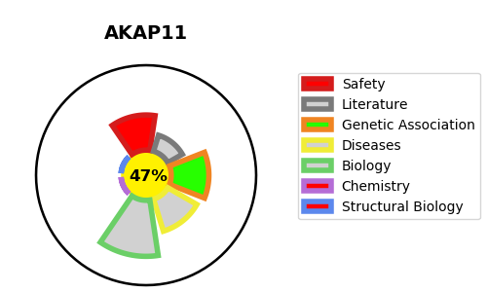
Gene_name | AKAP11 | Tractable | Tractability_probability
Synonyms | AKAP220, KIAA0629 | False | 47.31
Target_id | Q9UKA4 | In Training data set ?
Protein_class |  | No
Protein_class_desc
Species | Homo sapiens (Human).
Number_isoforms | 0

DISEASE |  | PATHWAYS
disease_id | disease_name | Reactome | KEGG

