General info
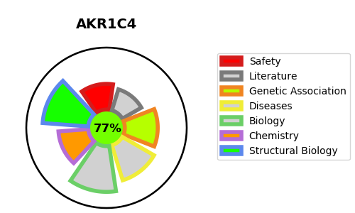
Gene_name | AKR1C4 | Tractable | Tractability_probability
Synonyms | 1.1.1.-,1.1.1.225,1.1.1.357,3-alpha-HSD1,3-alpha-hydroxysteroid dehydrogenase type I,AKR1C4,Aldo-keto reductase family 1 member C4,CDR,CHDR,Chlordecone reductase,DD-4,DD4,Dihydrodiol dehydrogenase 4,HAKRA | True | 77.59
Target_id | P17516 | In Training data set ?
Protein_class | Oxidoreductase | No
Protein_class_desc | enzyme -> reductase
Species | Homo sapiens (Human).
Number_isoforms | 0

DISEASE |  | PATHWAYS
disease_id | disease_name | Reactome | KEGG
OMIM:614279 | 46,XY SEX REVERSAL 8 | Bile acid and bile salt metabolism
 |  | G alpha (i) signalling events
 |  | GPCR downstream signalling
 |  | Metabolism
 |  | Metabolism of fat-soluble vitamins
 |  | Metabolism of lipids
 |  | Metabolism of steroids
 |  | Metabolism of vitamins and cofactors
 |  | Retinoid metabolism and transport
 |  | Signal Transduction
 |  | Signaling by GPCR
 |  | Synthesis of bile acids and bile salts
 |  | Synthesis of bile acids and bile salts via 24-hydroxycholesterol
 |  | Synthesis of bile acids and bile salts via 27-hydroxycholesterol
 |  | Synthesis of bile acids and bile salts via 7alpha-hydroxycholesterol
 |  | Visual phototransduction

