General info
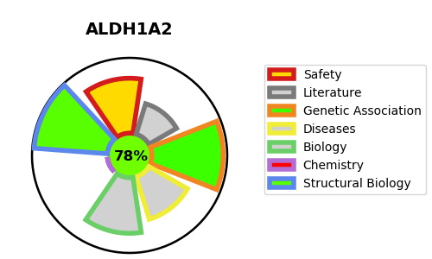
Gene_name | ALDH1A2 | Tractable | Tractability_probability
Synonyms | 1.2.1.36,ALDH1A2,Aldehyde dehydrogenase family 1 member A2,RALDH 2,RALDH(II),RALDH2,RalDH2,Retinal dehydrogenase 2,Retinaldehyde-specific dehydrogenase type 2 | True | 78.42
Target_id | O94788 | In Training data set ?
Protein_class | Enzyme | No
Protein_class_desc | enzyme
Species | Homo sapiens (Human).
Number_isoforms | 4

DISEASE |  | PATHWAYS
disease_id | disease_name | Reactome | KEGG
 |  | RA biosynthesis pathway
 |  | Signal Transduction
 |  | Signaling by Nuclear Receptors
 |  | Signaling by Retinoic Acid

