General info
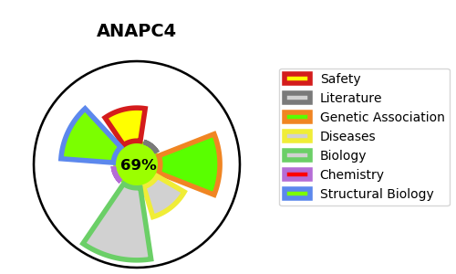
Gene_name | ANAPC4 | Tractable | Tractability_probability
Synonyms | APC4 | True | 69.68
Target_id | Q9UJX5 | In Training data set ?
Protein_class |  | No
Protein_class_desc
Species | Homo sapiens (Human).
Number_isoforms | 3

DISEASE |  | PATHWAYS
disease_id | disease_name | Reactome | KEGG
 |  | APC-Cdc20 mediated degradation of Nek2A
 |  | APC/C-mediated degradation of cell cycle proteins
 |  | APC/C:Cdc20 mediated degradation of Cyclin B
 |  | APC/C:Cdc20 mediated degradation of Securin
 |  | APC/C:Cdc20 mediated degradation of mitotic proteins
 |  | APC/C:Cdh1 mediated degradation of Cdc20 and other APC/C:Cdh1 targeted proteins in late mitosis/early G1
 |  | APC:Cdc20 mediated degradation of cell cycle proteins prior to satisfation of the cell cycle checkpoint
 |  | Aberrant regulation of mitotic cell cycle due to RB1 defects
 |  | Aberrant regulation of mitotic exit in cancer due to RB1 defects
 |  | Activation of APC/C and APC/C:Cdc20 mediated degradation of mitotic proteins
 |  | Adaptive Immune System
 |  | Antigen processing: Ubiquitination & Proteasome degradation
 |  | Autodegradation of Cdh1 by Cdh1:APC/C
 |  | CDK-mediated phosphorylation and removal of Cdc6
 |  | Cdc20:Phospho-APC/C mediated degradation of Cyclin A
 |  | Cell Cycle
 |  | Cell Cycle Checkpoints
 |  | Cell Cycle, Mitotic
 |  | Cellular Senescence
 |  | Cellular responses to external stimuli
 |  | Cellular responses to stress
 |  | Class I MHC mediated antigen processing & presentation
 |  | Conversion from APC/C:Cdc20 to APC/C:Cdh1 in late anaphase
 |  | DNA Replication
 |  | Disease
 |  | Diseases of mitotic cell cycle
 |  | Gene expression (Transcription)
 |  | Generic Transcription Pathway
 |  | Immune System
 |  | Inactivation of APC/C via direct inhibition of the APC/C complex
 |  | Inhibition of the proteolytic activity of APC/C required for the onset of anaphase by mitotic spindle checkpoint components
 |  | M Phase
 |  | Mitotic Anaphase
 |  | Mitotic Metaphase and Anaphase
 |  | Mitotic Spindle Checkpoint
 |  | Phosphorylation of the APC/C
 |  | RNA Polymerase II Transcription
 |  | Regulation of APC/C activators between G1/S and early anaphase
 |  | Regulation of mitotic cell cycle
 |  | S Phase
 |  | Senescence-Associated Secretory Phenotype (SASP)
 |  | Separation of Sister Chromatids
 |  | Switching of origins to a post-replicative state
 |  | Synthesis of DNA
 |  | Transcriptional Regulation by VENTX

