General info
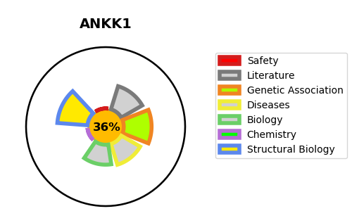
Gene_name | ANKK1 | Tractable | Tractability_probability
Synonyms | 2.7.11.1,ANKK1,Ankyrin repeat and protein kinase domain-containing protein 1,PKK2,Protein kinase PKK2,SGK288,SgK288,Sugen kinase 288,X-kinase | False | 36.7
Target_id | Q8NFD2 | In Training data set ?
Protein_class | TKL protein kinase RIPK family | No
Protein_class_desc | enzyme -> kinase -> protein kinase -> tkl -> ripk
Species | Homo sapiens (Human).
Number_isoforms | 0

DISEASE |  | PATHWAYS
disease_id | disease_name | Reactome | KEGG

