General info
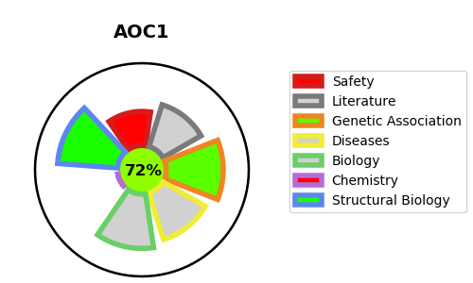
Gene_name | AOC1 | Tractable | Tractability_probability
Synonyms | 1.4.3.22,ABP1,AOC1,Amiloride-binding protein 1,Amiloride-sensitive amine oxidase [copper-containing],Amine oxidase copper domain-containing protein 1,DAO,DAO1,Diamine oxidase,Histaminase,KAO,Kidney amine oxidase | True | 72.07
Target_id | P19801 | In Training data set ?
Protein_class | Enzyme | No
Protein_class_desc | enzyme
Species | Homo sapiens (Human).
Number_isoforms | 2

DISEASE |  | PATHWAYS
disease_id | disease_name | Reactome | KEGG

