General info
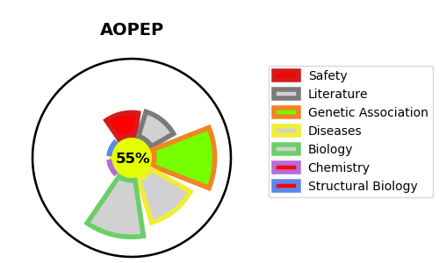
Gene_name | AOPEP | Tractable | Tractability_probability
Synonyms | 3.4.11.2,ANPEP,AP-M,AP-N,APN,Alanyl aminopeptidase,Aminopeptidase M,Aminopeptidase N,CD13,CD_antigen=CD13,Microsomal aminopeptidase,Myeloid plasma membrane glycoprotein CD13,PEPN,gp150,hAPN,3.4.11.14,AAP-S,Cytosol alanyl aminopeptidase,NPEPPS,PSA,Puromycin-sensitive aminopeptidase,3.4.11.6,AP-B,APB,Aminopeptidase B,Arginine aminopeptidase,Arginyl aminopeptidase,RNPEP,3.4.11.18,KIAA0094,MAP 1,METAP1,MetAP 1,Methionine aminopeptidase 1,Peptidase M 1,3.4.11.3,Cystinyl aminopeptidase,IRAP,Insulin-regulated membrane aminopeptidase,Insulin-responsive aminopeptidase,LNPEP,Leucyl-cystinyl aminopeptidase,Leucyl-cystinyl aminopeptidase, pregnancy serum form,OTASE,OTase,Oxytocinase,P-LAP,Placental leucine aminopeptidase,3.4.11.21,ASPEP,Aspartyl aminopeptidase,DAP,DNPEP,3.4.11.7,AP-A,Aminopeptidase A,CD_antigen=CD249,Differentiation antigen gp160,EAP,ENPEP,Glutamyl aminopeptidase,3.4.11.9,Aminoacylproline aminopeptidase,Cytosolic aminopeptidase P,Soluble aminopeptidase P,X-Pro aminopeptidase 1,X-prolyl aminopeptidase 1, soluble,XPNPEP1,XPNPEPL1,Xaa-Pro aminopeptidase 1,sAmp,3.4.11.1,3.4.11.5,Cytosol aminopeptidase,LAP-3,LAP3,LAPEP,Leucine aminopeptidase 3,Leucyl aminopeptidase,PEPS,Peptidase S,Proline aminopeptidase,Prolyl aminopeptidase,Initiation factor 2-associated 67 kDa glycoprotein,MAP 2,METAP2,MetAP 2,Methionine aminopeptidase 2,P67EIF2,Peptidase M,p67,p67eIF2,Membrane-bound APP,Membrane-bound AmP,Membrane-bound aminopeptidase P,X-Pro aminopeptidase 2,XPNPEP2,Xaa-Pro aminopeptidase 2,mAmP,3.4.11.-,ERAP2,Endoplasmic reticulum aminopeptidase 2,L-RAP,LRAP,Leukocyte-derived arginine aminopeptidase,A-LAP,APPILS,ARTS-1,ARTS1,Adipocyte-derived leucine aminopeptidase,Aminopeptidase PILS,ERAP1,Endoplasmic reticulum aminopeptidase 1,KIAA0525 ,PILS-AP,Puromycin-insensitive leucyl-specific aminopeptidase,Type 1 tumor necrosis factor receptor shedding aminopeptidase regulator,AP-Q,APQ,Aminopeptidase Q,CHL2 antigen,LVRN,Laeverin,AOPEP,AP-O,Aminopeptidase O,C9orf3,ONPEP,MAP 1D,MAP1D,ME | True | 55.56
Target_id | Q8N6M6 | In Training data set ?
Protein_class | Metallo protease M1 family | No
Protein_class_desc | enzyme -> protease -> metallo -> mae -> m1
Species | Homo sapiens (Human).
Number_isoforms | 4

DISEASE |  | PATHWAYS
disease_id | disease_name | Reactome | KEGG
 |  | Metabolism of Angiotensinogen to Angiotensins
 |  | Metabolism of proteins
 |  | Peptide hormone metabolism

